TGFBR1 _multivariate
Reported by Tex Li-Hsing Chi. tex@gate.sinica.edu.tw 2019-08-15

Table 2. The clinicopathological features of HNSCC cohort and TGFBR1 expression. (Chi square test)
Cutoff at -0.456 (30.4%)
 |  | TGFBR1 expression |  | TGFBR1 expression |  | (Optimised)
 | Features | Low | (%) | High | (%) | Case no | P-value | Remark | Matthews
Gender | Female | 102 | 24.6 | 204 | 49.2 | 415 | 0.0371 | 1 | 0
2 | Male | 24 | 5.8 | 85 | 20.5
Age at diagnosis | <=65y | 91 | 21.9 | 183 | 44.1 | 415 | 0.0994 | 0 | 0
4 | >65y | 35 | 8.4 | 106 | 25.5
Clinical T Status | T1+T2 | 41 | 9.9 | 108 | 26 | 415 | 0.4054 | 0 | 0
6 | T3+T4 | 85 | 20.5 | 181 | 43.6
Clinical N Status | N0 | 60 | 14.5 | 156 | 37.6 | 415 | 0.2776 | 0 | 0
8 | N1-3 | 66 | 15.9 | 133 | 32
Clinical M Status | M0 | 123 | 29.6 | 289 | 69.6 | 415 | 0.0275 | 1 | 0
10 | M1 | 3 | 0.7 | 0 | 0
Clinical Stage | Stage I+II | 20 | 4.8 | 82 | 19.8 | 415 | 0.0094 | 1 | 0
12 | Stage III+IV | 106 | 25.5 | 207 | 49.9
Surgical Margin status | Negative | 90 | 21.7 | 228 | 54.9 | 415 | 0.1027 | 0 | 0
14 | Positive | 36 | 8.7 | 61 | 14.7
Tobacco Exposure | Low | 45 | 10.8 | 116 | 28 | 415 | 0.4435 | 0 | 0
16 | High | 81 | 19.5 | 173 | 41.7

Table 3. Univariate/Multivariate Cox's proportional hazards regression analyses on OS time of TGFBR1 gene expression in HNSCC

 |  | Univariate |  |  |  | Multivariate
 | Features | HR | CI95%(L) | CI95%(H) | P-value | HR | CI95%(L) | CI95%(H) | P-value
1 | Female | 1 |  |  |  | 1
Gender | Male | 1.157 | 0.843 | 1.587 | 0.367 | 1.162 | 0.832 | 1.623 | 0.377
11 | <=65y | 1 |  |  |  | 1
Age at diagnosis | >65y | 1.329 | 0.99 | 1.784 | 0.058 | 1.356 | 0.997 | 1.845 | 0.052
12 | T1+T2 | 1 |  |  |  | 1
Clinical T Status | T3+T4 | 1.409 | 1.028 | 1.931 | 0.033 | 2.098 | 1.11 | 3.967 | 0.023
13 | N0 | 1 |  |  |  | 1
Clinical N Status | N1-3 | 1.185 | 0.89 | 1.577 | 0.246 | 1.239 | 0.868 | 1.767 | 0.238
14 | M0 | 1 |  |  |  | 1
Clinical M Status | M1 | 4.097 | 1.009 | 16.644 | 0.049 | 12.287 | 2.638 | 57.229 | 0.001
15 | Stage I+II | 1 |  |  |  | 1
Clinical Stage | Stage III+IV | 1.245 | 0.882 | 1.759 | 0.213 | 0.564 | 0.261 | 1.218 | 0.145
16 | Negative | 1 |  |  |  | 1
Surgical Margin status | Positive | 1.591 | 1.155 | 2.191 | 0.004 | 1.704 | 1.233 | 2.353 | 0.001
17 | Low | 1 |  |  |  | 1
Tobacco Exposure | High | 1.364 | 1.008 | 1.844 | 0.044 | 1.469 | 1.067 | 2.022 | 0.018
18 | Low | 1 |  |  |  | 1
RNAseq(z-score) | High | 1.451 | 1.031 | 2.041 | 0.033 | 1.569 | 1.1 | 2.24 | 0.013

Table 4. Univariate/Multivariate Cox's proportional hazards regression analyses on RFS time of TGFBR1 gene expression in HNSCC

 |  | Univariate |  |  |  | Multivariate
 | Features | HR | CI95%(L) | CI95%(H) | P-value | HR | CI95%(L) | CI95%(H) | P-value
1 | Female | 1 |  |  |  | 1
Gender | Male | 1.157 | 0.843 | 1.587 | 0.367 | 1.162 | 0.832 | 1.623 | 0.377
11 | <=65y | 1 |  |  |  | 1
Age at diagnosis | >65y | 1.329 | 0.99 | 1.784 | 0.058 | 1.356 | 0.997 | 1.845 | 0.052
12 | T1+T2 | 1 |  |  |  | 1
Clinical T Status | T3+T4 | 1.409 | 1.028 | 1.931 | 0.033 | 2.098 | 1.11 | 3.967 | 0.023
13 | N0 | 1 |  |  |  | 1
Clinical N Status | N1-3 | 1.185 | 0.89 | 1.577 | 0.246 | 1.239 | 0.868 | 1.767 | 0.238
14 | M0 | 1 |  |  |  | 1
Clinical M Status | M1 | 4.097 | 1.009 | 16.644 | 0.049 | 12.287 | 2.638 | 57.229 | 0.001
15 | Stage I+II | 1 |  |  |  | 1
Clinical Stage | Stage III+IV | 1.245 | 0.882 | 1.759 | 0.213 | 0.564 | 0.261 | 1.218 | 0.145
16 | Negative | 1 |  |  |  | 1
Surgical Margin status | Positive | 1.591 | 1.155 | 2.191 | 0.004 | 1.704 | 1.233 | 2.353 | 0.001
17 | Low | 1 |  |  |  | 1
Tobacco Exposure | High | 1.364 | 1.008 | 1.844 | 0.044 | 1.469 | 1.067 | 2.022 | 0.018
18 | Low | 1 |  |  |  | 1
RNAseq(z-score) | High | 1.451 | 1.031 | 2.041 | 0.033 | 1.569 | 1.1 | 2.24 | 0.013

Kaplan-Meier survival estimate: Cutoff at -0.456 (30.4%)

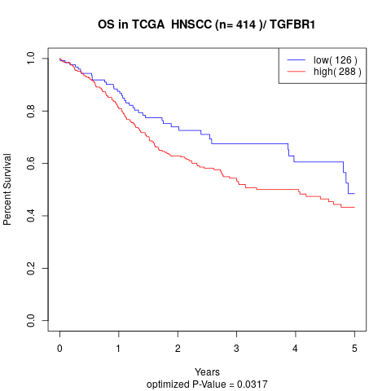

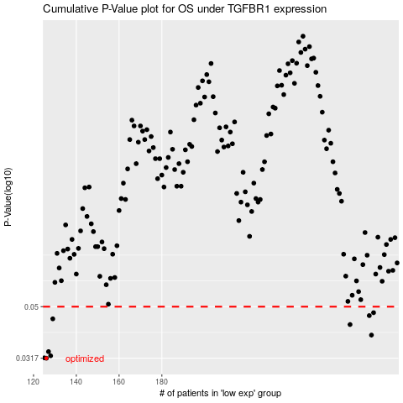

 |  |  |  |  |  | cases_OS | p_OS | rank | exp
 |  |  |  |  |  | 126 | 0.0317 | 10 | -0.45648198588
 |  |  |  |  |  | 125 | 0.0318 | 342 | -0.46912990792
 |  |  |  |  |  | 128 | 0.0324 | 204 | -0.4423966391
 |  |  |  |  |  | 127 | 0.0336 | 20 | -0.4484743169
 |  |  |  |  |  | 278 | 0.0389 | 338 | 0.2779789484
 |  |  |  |  |  | 268 | 0.0427 | 117 | 0.22531042622
 |  |  |  |  |  | 129 | 0.0449 | 79 | -0.43681581441
 |  |  |  |  |  | 277 | 0.0462 | 310 | 0.27513879093
 |  |  |  |  |  | 279 | 0.0474 | 239 | 0.287067552
 |  |  |  |  |  |  | cases_RFS | p_RFS | rank | exp
 |  |  |  |  |  |  | 125 | 0.0317 | 342 | -0.46912990792
 |  |  |  |  |  |  |  | 0.0318 | 410 | -0.46990549322
 |  |  |  |  |  |  | 127 | 0.0324 | 20 | -0.4484743169
 |  |  |  |  |  |  | 126 | 0.0336 | 10 | -0.45648198588
 |  |  |  |  |  |  | 277 | 0.0389 | 310 | 0.27513879093
 |  |  |  |  |  |  | 267 | 0.0427 | 329 | 0.21743205469
 |  |  |  |  |  |  | 128 | 0.0449 | 204 | -0.4423966391
 |  |  |  |  |  |  | 276 | 0.0462 | 230 | 0.26386140188
 |  |  |  |  |  |  | 278 | 0.0474 | 338 | 0.2779789484

