TGFBR2 _multivariate
Reported by Tex Li-Hsing Chi. tex@gate.sinica.edu.tw 2019-08-15

Table 2. The clinicopathological features of HNSCC cohort and TGFBR2 expression. (Chi square test)
Cutoff at -0.129 (50.0%)
 |  | TGFBR2 expression |  | TGFBR2 expression |  | (Optimised)
 | Features | Low | (%) | High | (%) | Case no | P-value | Remark | Matthews
Gender | Female | 170 | 41 | 136 | 32.8 | 415 | 2e-04 | 1 | 0
2 | Male | 37 | 8.9 | 72 | 17.3
Age at diagnosis | <=65y | 140 | 33.7 | 134 | 32.3 | 415 | 0.5574 | 0 | 0
4 | >65y | 67 | 16.1 | 74 | 17.8
Clinical T Status | T1+T2 | 75 | 18.1 | 74 | 17.8 | 415 | 0.9707 | 0 | 0
6 | T3+T4 | 132 | 31.8 | 134 | 32.3
Clinical N Status | N0 | 103 | 24.8 | 113 | 27.2 | 415 | 0.4047 | 0 | 0
8 | N1-3 | 104 | 25.1 | 95 | 22.9
Clinical M Status | M0 | 204 | 49.2 | 208 | 50.1 | 415 | 0.1232 | 0 | 0
10 | M1 | 3 | 0.7 | 0 | 0
Clinical Stage | Stage I+II | 43 | 10.4 | 59 | 14.2 | 415 | 0.0925 | 0 | 0
12 | Stage III+IV | 164 | 39.5 | 149 | 35.9
Surgical Margin status | Negative | 156 | 37.6 | 162 | 39 | 415 | 0.5636 | 0 | 0
14 | Positive | 51 | 12.3 | 46 | 11.1
Tobacco Exposure | Low | 70 | 16.9 | 91 | 21.9 | 415 | 0.0439 | 1 | 0
16 | High | 137 | 33 | 117 | 28.2

Table 3. Univariate/Multivariate Cox's proportional hazards regression analyses on OS time of TGFBR2 gene expression in HNSCC

 |  | Univariate |  |  |  | Multivariate
 | Features | HR | CI95%(L) | CI95%(H) | P-value | HR | CI95%(L) | CI95%(H) | P-value
1 | Female | 1 |  |  |  | 1
Gender | Male | 1.157 | 0.843 | 1.587 | 0.367 | 1.22 | 0.87 | 1.71 | 0.249
11 | <=65y | 1 |  |  |  | 1
Age at diagnosis | >65y | 1.329 | 0.99 | 1.784 | 0.058 | 1.39 | 1.022 | 1.888 | 0.036
12 | T1+T2 | 1 |  |  |  | 1
Clinical T Status | T3+T4 | 1.409 | 1.028 | 1.931 | 0.033 | 2.269 | 1.193 | 4.315 | 0.013
13 | N0 | 1 |  |  |  | 1
Clinical N Status | N1-3 | 1.185 | 0.89 | 1.577 | 0.246 | 1.246 | 0.873 | 1.778 | 0.226
14 | M0 | 1 |  |  |  | 1
Clinical M Status | M1 | 4.097 | 1.009 | 16.644 | 0.049 | 9.243 | 2.014 | 42.416 | 0.004
15 | Stage I+II | 1 |  |  |  | 1
Clinical Stage | Stage III+IV | 1.245 | 0.882 | 1.759 | 0.213 | 0.482 | 0.222 | 1.047 | 0.065
16 | Negative | 1 |  |  |  | 1
Surgical Margin status | Positive | 1.591 | 1.155 | 2.191 | 0.004 | 1.678 | 1.214 | 2.32 | 0.002
17 | Low | 1 |  |  |  | 1
Tobacco Exposure | High | 1.364 | 1.008 | 1.844 | 0.044 | 1.442 | 1.046 | 1.989 | 0.026
18 | Low | 1 |  |  |  | 1
RNAseq(z-score) | High | 0.922 | 0.692 | 1.23 | 0.581 | 0.903 | 0.669 | 1.219 | 0.506

Table 4. Univariate/Multivariate Cox's proportional hazards regression analyses on RFS time of TGFBR2 gene expression in HNSCC

 |  | Univariate |  |  |  | Multivariate
 | Features | HR | CI95%(L) | CI95%(H) | P-value | HR | CI95%(L) | CI95%(H) | P-value
1 | Female | 1 |  |  |  | 1
Gender | Male | 1.157 | 0.843 | 1.587 | 0.367 | 1.22 | 0.87 | 1.71 | 0.249
11 | <=65y | 1 |  |  |  | 1
Age at diagnosis | >65y | 1.329 | 0.99 | 1.784 | 0.058 | 1.39 | 1.022 | 1.888 | 0.036
12 | T1+T2 | 1 |  |  |  | 1
Clinical T Status | T3+T4 | 1.409 | 1.028 | 1.931 | 0.033 | 2.269 | 1.193 | 4.315 | 0.013
13 | N0 | 1 |  |  |  | 1
Clinical N Status | N1-3 | 1.185 | 0.89 | 1.577 | 0.246 | 1.246 | 0.873 | 1.778 | 0.226
14 | M0 | 1 |  |  |  | 1
Clinical M Status | M1 | 4.097 | 1.009 | 16.644 | 0.049 | 9.243 | 2.014 | 42.416 | 0.004
15 | Stage I+II | 1 |  |  |  | 1
Clinical Stage | Stage III+IV | 1.245 | 0.882 | 1.759 | 0.213 | 0.482 | 0.222 | 1.047 | 0.065
16 | Negative | 1 |  |  |  | 1
Surgical Margin status | Positive | 1.591 | 1.155 | 2.191 | 0.004 | 1.678 | 1.214 | 2.32 | 0.002
17 | Low | 1 |  |  |  | 1
Tobacco Exposure | High | 1.364 | 1.008 | 1.844 | 0.044 | 1.442 | 1.046 | 1.989 | 0.026
18 | Low | 1 |  |  |  | 1
RNAseq(z-score) | High | 0.922 | 0.692 | 1.23 | 0.581 | 0.903 | 0.669 | 1.219 | 0.506

Kaplan-Meier survival estimate: Cutoff at -0.129 (50.0%)



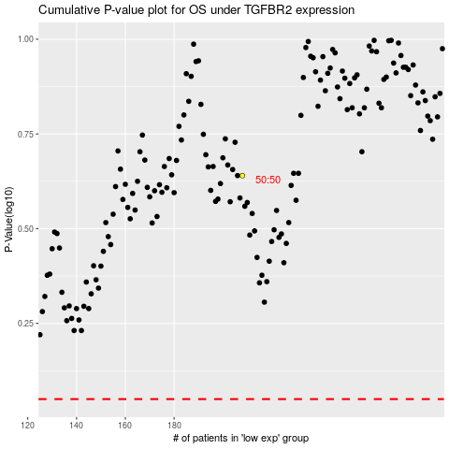

 |  |  |  |  |  | cases_OS | p_OS | rank | exp
 |  |  |  |  |  |  | cases_RFS | p_RFS | rank | exp

