TGIF1 _multivariate
Reported by Tex Li-Hsing Chi. tex@gate.sinica.edu.tw 2019-08-15

Table 2. The clinicopathological features of HNSCC cohort and TGIF1 expression. (Chi square test)
Cutoff at -0.152 (50.0%)
 |  | TGIF1 expression |  | TGIF1 expression |  | (Optimised)
 | Features | Low | (%) | High | (%) | Case no | P-value | Remark | Matthews
Gender | Female | 146 | 35.2 | 160 | 38.6 | 415 | 0.1714 | 0 | 0
2 | Male | 61 | 14.7 | 48 | 11.6
Age at diagnosis | <=65y | 130 | 31.3 | 144 | 34.7 | 415 | 0.2009 | 0 | 0
4 | >65y | 77 | 18.6 | 64 | 15.4
Clinical T Status | T1+T2 | 86 | 20.7 | 63 | 15.2 | 415 | 0.0221 | 1 | 0
6 | T3+T4 | 121 | 29.2 | 145 | 34.9
Clinical N Status | N0 | 102 | 24.6 | 114 | 27.5 | 415 | 0.3031 | 0 | 0
8 | N1-3 | 105 | 25.3 | 94 | 22.7
Clinical M Status | M0 | 205 | 49.4 | 207 | 49.9 | 415 | 0.6232 | 0 | 0
10 | M1 | 2 | 0.5 | 1 | 0.2
Clinical Stage | Stage I+II | 56 | 13.5 | 46 | 11.1 | 415 | 0.2918 | 0 | 0
12 | Stage III+IV | 151 | 36.4 | 162 | 39
Surgical Margin status | Negative | 158 | 38.1 | 160 | 38.6 | 415 | 0.9081 | 0 | 0
14 | Positive | 49 | 11.8 | 48 | 11.6
Tobacco Exposure | Low | 90 | 21.7 | 71 | 17.1 | 415 | 0.0559 | 0 | 0
16 | High | 117 | 28.2 | 137 | 33

Table 3. Univariate/Multivariate Cox's proportional hazards regression analyses on OS time of TGIF1 gene expression in HNSCC

 |  | Univariate |  |  |  | Multivariate
 | Features | HR | CI95%(L) | CI95%(H) | P-value | HR | CI95%(L) | CI95%(H) | P-value
1 | Female | 1 |  |  |  | 1
Gender | Male | 1.157 | 0.843 | 1.587 | 0.367 | 1.208 | 0.864 | 1.689 | 0.27
11 | <=65y | 1 |  |  |  | 1
Age at diagnosis | >65y | 1.329 | 0.99 | 1.784 | 0.058 | 1.393 | 1.025 | 1.894 | 0.034
12 | T1+T2 | 1 |  |  |  | 1
Clinical T Status | T3+T4 | 1.409 | 1.028 | 1.931 | 0.033 | 2.188 | 1.156 | 4.142 | 0.016
13 | N0 | 1 |  |  |  | 1
Clinical N Status | N1-3 | 1.185 | 0.89 | 1.577 | 0.246 | 1.25 | 0.874 | 1.788 | 0.221
14 | M0 | 1 |  |  |  | 1
Clinical M Status | M1 | 4.097 | 1.009 | 16.644 | 0.049 | 9.415 | 2.054 | 43.161 | 0.004
15 | Stage I+II | 1 |  |  |  | 1
Clinical Stage | Stage III+IV | 1.245 | 0.882 | 1.759 | 0.213 | 0.503 | 0.234 | 1.079 | 0.078
16 | Negative | 1 |  |  |  | 1
Surgical Margin status | Positive | 1.591 | 1.155 | 2.191 | 0.004 | 1.672 | 1.21 | 2.311 | 0.002
17 | Low | 1 |  |  |  | 1
Tobacco Exposure | High | 1.364 | 1.008 | 1.844 | 0.044 | 1.442 | 1.044 | 1.992 | 0.026
18 | Low | 1 |  |  |  | 1
RNAseq(z-score) | High | 1.095 | 0.82 | 1.461 | 0.538 | 1.056 | 0.784 | 1.423 | 0.719

Table 4. Univariate/Multivariate Cox's proportional hazards regression analyses on RFS time of TGIF1 gene expression in HNSCC

 |  | Univariate |  |  |  | Multivariate
 | Features | HR | CI95%(L) | CI95%(H) | P-value | HR | CI95%(L) | CI95%(H) | P-value
1 | Female | 1 |  |  |  | 1
Gender | Male | 1.157 | 0.843 | 1.587 | 0.367 | 1.208 | 0.864 | 1.689 | 0.27
11 | <=65y | 1 |  |  |  | 1
Age at diagnosis | >65y | 1.329 | 0.99 | 1.784 | 0.058 | 1.393 | 1.025 | 1.894 | 0.034
12 | T1+T2 | 1 |  |  |  | 1
Clinical T Status | T3+T4 | 1.409 | 1.028 | 1.931 | 0.033 | 2.188 | 1.156 | 4.142 | 0.016
13 | N0 | 1 |  |  |  | 1
Clinical N Status | N1-3 | 1.185 | 0.89 | 1.577 | 0.246 | 1.25 | 0.874 | 1.788 | 0.221
14 | M0 | 1 |  |  |  | 1
Clinical M Status | M1 | 4.097 | 1.009 | 16.644 | 0.049 | 9.415 | 2.054 | 43.161 | 0.004
15 | Stage I+II | 1 |  |  |  | 1
Clinical Stage | Stage III+IV | 1.245 | 0.882 | 1.759 | 0.213 | 0.503 | 0.234 | 1.079 | 0.078
16 | Negative | 1 |  |  |  | 1
Surgical Margin status | Positive | 1.591 | 1.155 | 2.191 | 0.004 | 1.672 | 1.21 | 2.311 | 0.002
17 | Low | 1 |  |  |  | 1
Tobacco Exposure | High | 1.364 | 1.008 | 1.844 | 0.044 | 1.442 | 1.044 | 1.992 | 0.026
18 | Low | 1 |  |  |  | 1
RNAseq(z-score) | High | 1.095 | 0.82 | 1.461 | 0.538 | 1.056 | 0.784 | 1.423 | 0.719

Kaplan-Meier survival estimate: Cutoff at -0.152 (50.0%)



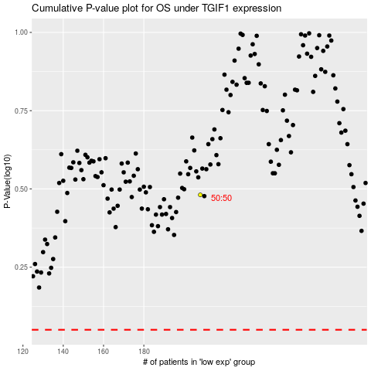

 |  |  |  |  |  | cases_OS | p_OS | rank | exp
 |  |  |  |  |  |  | cases_RFS | p_RFS | rank | exp

