TGM1 _multivariate
Reported by Tex Li-Hsing Chi. tex@gate.sinica.edu.tw 2019-08-15

Table 2. The clinicopathological features of HNSCC cohort and TGM1 expression. (Chi square test)
Cutoff at -0.142 (66.9%)
 |  | TGM1 expression |  | TGM1 expression |  | (Optimised)
 | Features | Low | (%) | High | (%) | Case no | P-value | Remark | Matthews
Gender | Female | 211 | 50.8 | 95 | 22.9 | 415 | 0.1387 | 0 | 0
2 | Male | 66 | 15.9 | 43 | 10.4
Age at diagnosis | <=65y | 181 | 43.6 | 93 | 22.4 | 415 | 0.7603 | 0 | 0
4 | >65y | 96 | 23.1 | 45 | 10.8
Clinical T Status | T1+T2 | 104 | 25.1 | 45 | 10.8 | 415 | 0.3794 | 0 | 0
6 | T3+T4 | 173 | 41.7 | 93 | 22.4
Clinical N Status | N0 | 136 | 32.8 | 80 | 19.3 | 415 | 0.1095 | 0 | 0
8 | N1-3 | 141 | 34 | 58 | 14
Clinical M Status | M0 | 275 | 66.3 | 137 | 33 | 415 | 1 | 0 | 0
10 | M1 | 2 | 0.5 | 1 | 0.2
Clinical Stage | Stage I+II | 69 | 16.6 | 33 | 8 | 415 | 0.9194 | 0 | 0
12 | Stage III+IV | 208 | 50.1 | 105 | 25.3
Surgical Margin status | Negative | 207 | 49.9 | 111 | 26.7 | 415 | 0.2193 | 0 | 0
14 | Positive | 70 | 16.9 | 27 | 6.5
Tobacco Exposure | Low | 107 | 25.8 | 54 | 13 | 415 | 1 | 0 | 0
16 | High | 170 | 41 | 84 | 20.2

Table 3. Univariate/Multivariate Cox's proportional hazards regression analyses on OS time of TGM1 gene expression in HNSCC

 |  | Univariate |  |  |  | Multivariate
 | Features | HR | CI95%(L) | CI95%(H) | P-value | HR | CI95%(L) | CI95%(H) | P-value
1 | Female | 1 |  |  |  | 1
Gender | Male | 1.157 | 0.843 | 1.587 | 0.367 | 1.283 | 0.914 | 1.801 | 0.15
11 | <=65y | 1 |  |  |  | 1
Age at diagnosis | >65y | 1.329 | 0.99 | 1.784 | 0.058 | 1.387 | 1.021 | 1.885 | 0.037
12 | T1+T2 | 1 |  |  |  | 1
Clinical T Status | T3+T4 | 1.409 | 1.028 | 1.931 | 0.033 | 2.234 | 1.182 | 4.219 | 0.013
13 | N0 | 1 |  |  |  | 1
Clinical N Status | N1-3 | 1.185 | 0.89 | 1.577 | 0.246 | 1.179 | 0.824 | 1.686 | 0.367
14 | M0 | 1 |  |  |  | 1
Clinical M Status | M1 | 4.097 | 1.009 | 16.644 | 0.049 | 10.022 | 2.183 | 46.017 | 0.003
15 | Stage I+II | 1 |  |  |  | 1
Clinical Stage | Stage III+IV | 1.245 | 0.882 | 1.759 | 0.213 | 0.517 | 0.241 | 1.109 | 0.09
16 | Negative | 1 |  |  |  | 1
Surgical Margin status | Positive | 1.591 | 1.155 | 2.191 | 0.004 | 1.637 | 1.184 | 2.262 | 0.003
17 | Low | 1 |  |  |  | 1
Tobacco Exposure | High | 1.364 | 1.008 | 1.844 | 0.044 | 1.472 | 1.068 | 2.028 | 0.018
18 | Low | 1 |  |  |  | 1
RNAseq(z-score) | High | 0.718 | 0.521 | 0.989 | 0.043 | 0.695 | 0.499 | 0.968 | 0.031

Table 4. Univariate/Multivariate Cox's proportional hazards regression analyses on RFS time of TGM1 gene expression in HNSCC

 |  | Univariate |  |  |  | Multivariate
 | Features | HR | CI95%(L) | CI95%(H) | P-value | HR | CI95%(L) | CI95%(H) | P-value
1 | Female | 1 |  |  |  | 1
Gender | Male | 1.157 | 0.843 | 1.587 | 0.367 | 1.283 | 0.914 | 1.801 | 0.15
11 | <=65y | 1 |  |  |  | 1
Age at diagnosis | >65y | 1.329 | 0.99 | 1.784 | 0.058 | 1.387 | 1.021 | 1.885 | 0.037
12 | T1+T2 | 1 |  |  |  | 1
Clinical T Status | T3+T4 | 1.409 | 1.028 | 1.931 | 0.033 | 2.234 | 1.182 | 4.219 | 0.013
13 | N0 | 1 |  |  |  | 1
Clinical N Status | N1-3 | 1.185 | 0.89 | 1.577 | 0.246 | 1.179 | 0.824 | 1.686 | 0.367
14 | M0 | 1 |  |  |  | 1
Clinical M Status | M1 | 4.097 | 1.009 | 16.644 | 0.049 | 10.022 | 2.183 | 46.017 | 0.003
15 | Stage I+II | 1 |  |  |  | 1
Clinical Stage | Stage III+IV | 1.245 | 0.882 | 1.759 | 0.213 | 0.517 | 0.241 | 1.109 | 0.09
16 | Negative | 1 |  |  |  | 1
Surgical Margin status | Positive | 1.591 | 1.155 | 2.191 | 0.004 | 1.637 | 1.184 | 2.262 | 0.003
17 | Low | 1 |  |  |  | 1
Tobacco Exposure | High | 1.364 | 1.008 | 1.844 | 0.044 | 1.472 | 1.068 | 2.028 | 0.018
18 | Low | 1 |  |  |  | 1
RNAseq(z-score) | High | 0.718 | 0.521 | 0.989 | 0.043 | 0.695 | 0.499 | 0.968 | 0.031

Kaplan-Meier survival estimate: Cutoff at -0.142 (66.9%)



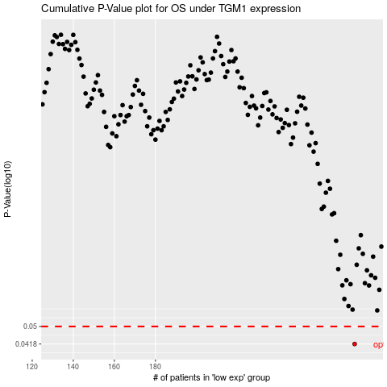

 |  |  |  |  |  | cases_OS | p_OS | rank | exp
 |  |  |  |  |  | 277 | 0.0418 | 271 | -0.14247621471
 |  |  |  |  |  |  | cases_RFS | p_RFS | rank | exp
 |  |  |  |  |  |  | 276 | 0.0418 | 216 | -0.14427545473

