TGM3 _multivariate
Reported by Tex Li-Hsing Chi. tex@gate.sinica.edu.tw 2019-08-15

Table 2. The clinicopathological features of HNSCC cohort and TGM3 expression. (Chi square test)
Cutoff at -0.318 (50.0%)
 |  | TGM3 expression |  | TGM3 expression |  | (Optimised)
 | Features | Low | (%) | High | (%) | Case no | P-value | Remark | Matthews
Gender | Female | 157 | 37.8 | 149 | 35.9 | 415 | 0.3881 | 0 | 0
2 | Male | 50 | 12 | 59 | 14.2
Age at diagnosis | <=65y | 141 | 34 | 133 | 32 | 415 | 0.4272 | 0 | 0
4 | >65y | 66 | 15.9 | 75 | 18.1
Clinical T Status | T1+T2 | 71 | 17.1 | 78 | 18.8 | 415 | 0.5638 | 0 | 0
6 | T3+T4 | 136 | 32.8 | 130 | 31.3
Clinical N Status | N0 | 98 | 23.6 | 118 | 28.4 | 415 | 0.0694 | 0 | 0
8 | N1-3 | 109 | 26.3 | 90 | 21.7
Clinical M Status | M0 | 205 | 49.4 | 207 | 49.9 | 415 | 0.6232 | 0 | 0
10 | M1 | 2 | 0.5 | 1 | 0.2
Clinical Stage | Stage I+II | 46 | 11.1 | 56 | 13.5 | 415 | 0.3182 | 0 | 0
12 | Stage III+IV | 161 | 38.8 | 152 | 36.6
Surgical Margin status | Negative | 152 | 36.6 | 166 | 40 | 415 | 0.1329 | 0 | 0
14 | Positive | 55 | 13.3 | 42 | 10.1
Tobacco Exposure | Low | 82 | 19.8 | 79 | 19 | 415 | 0.763 | 0 | 0
16 | High | 125 | 30.1 | 129 | 31.1

Table 3. Univariate/Multivariate Cox's proportional hazards regression analyses on OS time of TGM3 gene expression in HNSCC

 |  | Univariate |  |  |  | Multivariate
 | Features | HR | CI95%(L) | CI95%(H) | P-value | HR | CI95%(L) | CI95%(H) | P-value
1 | Female | 1 |  |  |  | 1
Gender | Male | 1.157 | 0.843 | 1.587 | 0.367 | 1.212 | 0.866 | 1.696 | 0.261
11 | <=65y | 1 |  |  |  | 1
Age at diagnosis | >65y | 1.329 | 0.99 | 1.784 | 0.058 | 1.396 | 1.026 | 1.898 | 0.033
12 | T1+T2 | 1 |  |  |  | 1
Clinical T Status | T3+T4 | 1.409 | 1.028 | 1.931 | 0.033 | 2.188 | 1.157 | 4.138 | 0.016
13 | N0 | 1 |  |  |  | 1
Clinical N Status | N1-3 | 1.185 | 0.89 | 1.577 | 0.246 | 1.224 | 0.855 | 1.753 | 0.27
14 | M0 | 1 |  |  |  | 1
Clinical M Status | M1 | 4.097 | 1.009 | 16.644 | 0.049 | 9.373 | 2.044 | 42.968 | 0.004
15 | Stage I+II | 1 |  |  |  | 1
Clinical Stage | Stage III+IV | 1.245 | 0.882 | 1.759 | 0.213 | 0.511 | 0.238 | 1.098 | 0.085
16 | Negative | 1 |  |  |  | 1
Surgical Margin status | Positive | 1.591 | 1.155 | 2.191 | 0.004 | 1.655 | 1.195 | 2.291 | 0.002
17 | Low | 1 |  |  |  | 1
Tobacco Exposure | High | 1.364 | 1.008 | 1.844 | 0.044 | 1.465 | 1.062 | 2.023 | 0.02
18 | Low | 1 |  |  |  | 1
RNAseq(z-score) | High | 0.909 | 0.682 | 1.213 | 0.518 | 0.924 | 0.687 | 1.244 | 0.604

Table 4. Univariate/Multivariate Cox's proportional hazards regression analyses on RFS time of TGM3 gene expression in HNSCC

 |  | Univariate |  |  |  | Multivariate
 | Features | HR | CI95%(L) | CI95%(H) | P-value | HR | CI95%(L) | CI95%(H) | P-value
1 | Female | 1 |  |  |  | 1
Gender | Male | 1.157 | 0.843 | 1.587 | 0.367 | 1.212 | 0.866 | 1.696 | 0.261
11 | <=65y | 1 |  |  |  | 1
Age at diagnosis | >65y | 1.329 | 0.99 | 1.784 | 0.058 | 1.396 | 1.026 | 1.898 | 0.033
12 | T1+T2 | 1 |  |  |  | 1
Clinical T Status | T3+T4 | 1.409 | 1.028 | 1.931 | 0.033 | 2.188 | 1.157 | 4.138 | 0.016
13 | N0 | 1 |  |  |  | 1
Clinical N Status | N1-3 | 1.185 | 0.89 | 1.577 | 0.246 | 1.224 | 0.855 | 1.753 | 0.27
14 | M0 | 1 |  |  |  | 1
Clinical M Status | M1 | 4.097 | 1.009 | 16.644 | 0.049 | 9.373 | 2.044 | 42.968 | 0.004
15 | Stage I+II | 1 |  |  |  | 1
Clinical Stage | Stage III+IV | 1.245 | 0.882 | 1.759 | 0.213 | 0.511 | 0.238 | 1.098 | 0.085
16 | Negative | 1 |  |  |  | 1
Surgical Margin status | Positive | 1.591 | 1.155 | 2.191 | 0.004 | 1.655 | 1.195 | 2.291 | 0.002
17 | Low | 1 |  |  |  | 1
Tobacco Exposure | High | 1.364 | 1.008 | 1.844 | 0.044 | 1.465 | 1.062 | 2.023 | 0.02
18 | Low | 1 |  |  |  | 1
RNAseq(z-score) | High | 0.909 | 0.682 | 1.213 | 0.518 | 0.924 | 0.687 | 1.244 | 0.604

Kaplan-Meier survival estimate: Cutoff at -0.318 (50.0%)



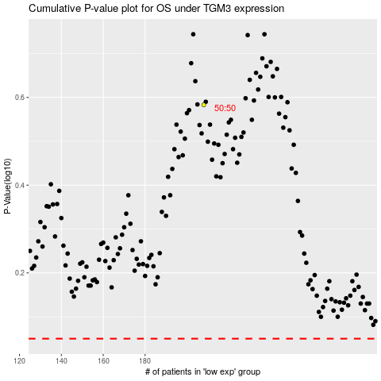

 |  |  |  |  |  | cases_OS | p_OS | rank | exp
 |  |  |  |  |  |  | cases_RFS | p_RFS | rank | exp

