TGM4 _multivariate
Reported by Tex Li-Hsing Chi. tex@gate.sinica.edu.tw 2019-08-15

Table 2. The clinicopathological features of HNSCC cohort and TGM4 expression. (Chi square test)
Cutoff at -0.278 (49.8%)
 |  | TGM4 expression |  | TGM4 expression |  | (Optimised)
 | Features | Low | (%) | High | (%) | Case no | P-value | Remark | Matthews
Gender | Female | 150 | 36.1 | 156 | 37.6 | 415 | 0.6344 | 0 | 0
2 | Male | 57 | 13.7 | 52 | 12.5
Age at diagnosis | <=65y | 132 | 31.8 | 142 | 34.2 | 415 | 0.3874 | 0 | 0
4 | >65y | 75 | 18.1 | 66 | 15.9
Clinical T Status | T1+T2 | 84 | 20.2 | 65 | 15.7 | 415 | 0.0603 | 0 | 0
6 | T3+T4 | 123 | 29.6 | 143 | 34.5
Clinical N Status | N0 | 115 | 27.7 | 101 | 24.3 | 415 | 0.184 | 1 | 0
8 | N1-3 | 92 | 22.2 | 107 | 25.8
Clinical M Status | M0 | 206 | 49.6 | 206 | 49.6 | 415 | 1 | 0 | 0
10 | M1 | 1 | 0.2 | 2 | 0.5
Clinical Stage | Stage I+II | 58 | 14 | 44 | 10.6 | 415 | 0.131 | 0 | 0
12 | Stage III+IV | 149 | 35.9 | 164 | 39.5
Surgical Margin status | Negative | 155 | 37.3 | 163 | 39.3 | 415 | 0.4187 | 0 | 0
14 | Positive | 52 | 12.5 | 45 | 10.8
Tobacco Exposure | Low | 88 | 21.2 | 73 | 17.6 | 415 | 0.1314 | 0 | 0
16 | High | 119 | 28.7 | 135 | 32.5

Table 3. Univariate/Multivariate Cox's proportional hazards regression analyses on OS time of TGM4 gene expression in HNSCC

 |  | Univariate |  |  |  | Multivariate
 | Features | HR | CI95%(L) | CI95%(H) | P-value | HR | CI95%(L) | CI95%(H) | P-value
1 | Female | 1 |  |  |  | 1
Gender | Male | 1.157 | 0.843 | 1.587 | 0.367 | 1.231 | 0.88 | 1.723 | 0.225
11 | <=65y | 1 |  |  |  | 1
Age at diagnosis | >65y | 1.329 | 0.99 | 1.784 | 0.058 | 1.386 | 1.02 | 1.883 | 0.037
12 | T1+T2 | 1 |  |  |  | 1
Clinical T Status | T3+T4 | 1.409 | 1.028 | 1.931 | 0.033 | 2.126 | 1.123 | 4.026 | 0.021
13 | N0 | 1 |  |  |  | 1
Clinical N Status | N1-3 | 1.185 | 0.89 | 1.577 | 0.246 | 1.243 | 0.871 | 1.774 | 0.23
14 | M0 | 1 |  |  |  | 1
Clinical M Status | M1 | 4.097 | 1.009 | 16.644 | 0.049 | 9.073 | 1.978 | 41.628 | 0.005
15 | Stage I+II | 1 |  |  |  | 1
Clinical Stage | Stage III+IV | 1.245 | 0.882 | 1.759 | 0.213 | 0.506 | 0.236 | 1.085 | 0.08
16 | Negative | 1 |  |  |  | 1
Surgical Margin status | Positive | 1.591 | 1.155 | 2.191 | 0.004 | 1.715 | 1.239 | 2.375 | 0.001
17 | Low | 1 |  |  |  | 1
Tobacco Exposure | High | 1.364 | 1.008 | 1.844 | 0.044 | 1.463 | 1.061 | 2.018 | 0.02
18 | Low | 1 |  |  |  | 1
RNAseq(z-score) | High | 1.215 | 0.912 | 1.62 | 0.184 | 1.249 | 0.931 | 1.675 | 0.139

Table 4. Univariate/Multivariate Cox's proportional hazards regression analyses on RFS time of TGM4 gene expression in HNSCC

 |  | Univariate |  |  |  | Multivariate
 | Features | HR | CI95%(L) | CI95%(H) | P-value | HR | CI95%(L) | CI95%(H) | P-value
1 | Female | 1 |  |  |  | 1
Gender | Male | 1.157 | 0.843 | 1.587 | 0.367 | 1.231 | 0.88 | 1.723 | 0.225
11 | <=65y | 1 |  |  |  | 1
Age at diagnosis | >65y | 1.329 | 0.99 | 1.784 | 0.058 | 1.386 | 1.02 | 1.883 | 0.037
12 | T1+T2 | 1 |  |  |  | 1
Clinical T Status | T3+T4 | 1.409 | 1.028 | 1.931 | 0.033 | 2.126 | 1.123 | 4.026 | 0.021
13 | N0 | 1 |  |  |  | 1
Clinical N Status | N1-3 | 1.185 | 0.89 | 1.577 | 0.246 | 1.243 | 0.871 | 1.774 | 0.23
14 | M0 | 1 |  |  |  | 1
Clinical M Status | M1 | 4.097 | 1.009 | 16.644 | 0.049 | 9.073 | 1.978 | 41.628 | 0.005
15 | Stage I+II | 1 |  |  |  | 1
Clinical Stage | Stage III+IV | 1.245 | 0.882 | 1.759 | 0.213 | 0.506 | 0.236 | 1.085 | 0.08
16 | Negative | 1 |  |  |  | 1
Surgical Margin status | Positive | 1.591 | 1.155 | 2.191 | 0.004 | 1.715 | 1.239 | 2.375 | 0.001
17 | Low | 1 |  |  |  | 1
Tobacco Exposure | High | 1.364 | 1.008 | 1.844 | 0.044 | 1.463 | 1.061 | 2.018 | 0.02
18 | Low | 1 |  |  |  | 1
RNAseq(z-score) | High | 1.215 | 0.912 | 1.62 | 0.184 | 1.249 | 0.931 | 1.675 | 0.139

Kaplan-Meier survival estimate: Cutoff at -0.278 (49.8%)



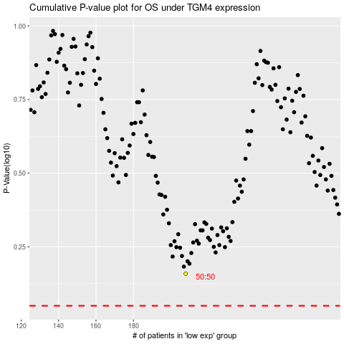

 |  |  |  |  |  | cases_OS | p_OS | rank | exp
 |  |  |  |  |  |  | cases_RFS | p_RFS | rank | exp

