TH _multivariate
Reported by Tex Li-Hsing Chi. tex@gate.sinica.edu.tw 2019-08-15

Table 2. The clinicopathological features of HNSCC cohort and TH expression. (Chi square test)
Cutoff at -0.25 (51.4%)
 |  | TH expression |  | TH expression |  | (Optimised)
 | Features | Low | (%) | High | (%) | Case no | P-value | Remark | Matthews
Gender | Female | 165 | 39.8 | 141 | 34 | 415 | 0.0966 | 0 | 0
2 | Male | 48 | 11.6 | 61 | 14.7
Age at diagnosis | <=65y | 136 | 32.8 | 138 | 33.3 | 415 | 0.3916 | 0 | 0
4 | >65y | 77 | 18.6 | 64 | 15.4
Clinical T Status | T1+T2 | 81 | 19.5 | 68 | 16.4 | 415 | 0.4099 | 0 | 0
6 | T3+T4 | 132 | 31.8 | 134 | 32.3
Clinical N Status | N0 | 114 | 27.5 | 102 | 24.6 | 415 | 0.6041 | 0 | 0
8 | N1-3 | 99 | 23.9 | 100 | 24.1
Clinical M Status | M0 | 211 | 50.8 | 201 | 48.4 | 415 | 1 | 0 | 0
10 | M1 | 2 | 0.5 | 1 | 0.2
Clinical Stage | Stage I+II | 55 | 13.3 | 47 | 11.3 | 415 | 0.6241 | 0 | 0
12 | Stage III+IV | 158 | 38.1 | 155 | 37.3
Surgical Margin status | Negative | 165 | 39.8 | 153 | 36.9 | 415 | 0.7282 | 0 | 0
14 | Positive | 48 | 11.6 | 49 | 11.8
Tobacco Exposure | Low | 75 | 18.1 | 86 | 20.7 | 415 | 0.1316 | 0 | 0
16 | High | 138 | 33.3 | 116 | 28

Table 3. Univariate/Multivariate Cox's proportional hazards regression analyses on OS time of TH gene expression in HNSCC

 |  | Univariate |  |  |  | Multivariate
 | Features | HR | CI95%(L) | CI95%(H) | P-value | HR | CI95%(L) | CI95%(H) | P-value
1 | Female | 1 |  |  |  | 1
Gender | Male | 1.157 | 0.843 | 1.587 | 0.367 | 1.165 | 0.832 | 1.632 | 0.375
11 | <=65y | 1 |  |  |  | 1
Age at diagnosis | >65y | 1.329 | 0.99 | 1.784 | 0.058 | 1.405 | 1.033 | 1.909 | 0.03
12 | T1+T2 | 1 |  |  |  | 1
Clinical T Status | T3+T4 | 1.409 | 1.028 | 1.931 | 0.033 | 2.159 | 1.142 | 4.081 | 0.018
13 | N0 | 1 |  |  |  | 1
Clinical N Status | N1-3 | 1.185 | 0.89 | 1.577 | 0.246 | 1.241 | 0.87 | 1.769 | 0.233
14 | M0 | 1 |  |  |  | 1
Clinical M Status | M1 | 4.097 | 1.009 | 16.644 | 0.049 | 9.33 | 2.035 | 42.766 | 0.004
15 | Stage I+II | 1 |  |  |  | 1
Clinical Stage | Stage III+IV | 1.245 | 0.882 | 1.759 | 0.213 | 0.516 | 0.24 | 1.107 | 0.089
16 | Negative | 1 |  |  |  | 1
Surgical Margin status | Positive | 1.591 | 1.155 | 2.191 | 0.004 | 1.632 | 1.181 | 2.256 | 0.003
17 | Low | 1 |  |  |  | 1
Tobacco Exposure | High | 1.364 | 1.008 | 1.844 | 0.044 | 1.501 | 1.086 | 2.075 | 0.014
18 | Low | 1 |  |  |  | 1
RNAseq(z-score) | High | 1.356 | 1.017 | 1.808 | 0.038 | 1.357 | 1.013 | 1.817 | 0.041

Table 4. Univariate/Multivariate Cox's proportional hazards regression analyses on RFS time of TH gene expression in HNSCC

 |  | Univariate |  |  |  | Multivariate
 | Features | HR | CI95%(L) | CI95%(H) | P-value | HR | CI95%(L) | CI95%(H) | P-value
1 | Female | 1 |  |  |  | 1
Gender | Male | 1.157 | 0.843 | 1.587 | 0.367 | 1.165 | 0.832 | 1.632 | 0.375
11 | <=65y | 1 |  |  |  | 1
Age at diagnosis | >65y | 1.329 | 0.99 | 1.784 | 0.058 | 1.405 | 1.033 | 1.909 | 0.03
12 | T1+T2 | 1 |  |  |  | 1
Clinical T Status | T3+T4 | 1.409 | 1.028 | 1.931 | 0.033 | 2.159 | 1.142 | 4.081 | 0.018
13 | N0 | 1 |  |  |  | 1
Clinical N Status | N1-3 | 1.185 | 0.89 | 1.577 | 0.246 | 1.241 | 0.87 | 1.769 | 0.233
14 | M0 | 1 |  |  |  | 1
Clinical M Status | M1 | 4.097 | 1.009 | 16.644 | 0.049 | 9.33 | 2.035 | 42.766 | 0.004
15 | Stage I+II | 1 |  |  |  | 1
Clinical Stage | Stage III+IV | 1.245 | 0.882 | 1.759 | 0.213 | 0.516 | 0.24 | 1.107 | 0.089
16 | Negative | 1 |  |  |  | 1
Surgical Margin status | Positive | 1.591 | 1.155 | 2.191 | 0.004 | 1.632 | 1.181 | 2.256 | 0.003
17 | Low | 1 |  |  |  | 1
Tobacco Exposure | High | 1.364 | 1.008 | 1.844 | 0.044 | 1.501 | 1.086 | 2.075 | 0.014
18 | Low | 1 |  |  |  | 1
RNAseq(z-score) | High | 1.356 | 1.017 | 1.808 | 0.038 | 1.357 | 1.013 | 1.817 | 0.041

Kaplan-Meier survival estimate: Cutoff at -0.25 (51.4%)



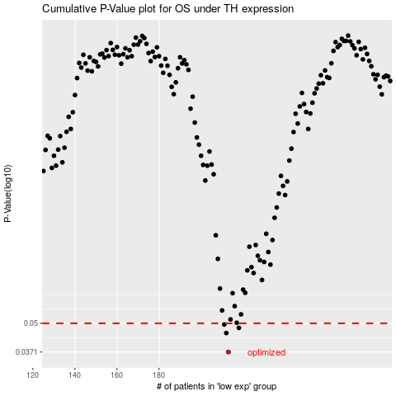

 |  |  |  |  |  | cases_OS | p_OS | rank | exp
 |  |  |  |  |  | 213 | 0.0371 | 413 | -0.24961569545
 |  |  |  |  |  | 212 | 0.0452 | 174 | -0.25171691497
 |  |  |  |  |  | 218 | 0.0477 | 322 | -0.24400638083
 |  |  |  |  |  | 211 | 0.0494 | 348 | -0.25210741656
 |  |  |  |  |  |  | cases_RFS | p_RFS | rank | exp
 |  |  |  |  |  |  | 212 | 0.0371 | 174 | -0.25171691497
 |  |  |  |  |  |  | 211 | 0.0452 | 348 | -0.25210741656
 |  |  |  |  |  |  | 217 | 0.0477 | 298 | -0.24464669645
 |  |  |  |  |  |  | 210 | 0.0494 | 310 | -0.25340891022

