THAP1 _multivariate
Reported by Tex Li-Hsing Chi. tex@gate.sinica.edu.tw 2019-08-15

Table 2. The clinicopathological features of HNSCC cohort and THAP1 expression. (Chi square test)
Cutoff at -0.168 (49.8%)
 |  | THAP1 expression |  | THAP1 expression |  | (Optimised)
 | Features | Low | (%) | High | (%) | Case no | P-value | Remark | Matthews
Gender | Female | 155 | 37.3 | 151 | 36.4 | 415 | 0.6768 | 0 | 0
2 | Male | 52 | 12.5 | 57 | 13.7
Age at diagnosis | <=65y | 132 | 31.8 | 142 | 34.2 | 415 | 0.3874 | 0 | 0
4 | >65y | 75 | 18.1 | 66 | 15.9
Clinical T Status | T1+T2 | 51 | 12.3 | 98 | 23.6 | 415 | 0 | 1 | 0
6 | T3+T4 | 156 | 37.6 | 110 | 26.5
Clinical N Status | N0 | 108 | 26 | 108 | 26 | 415 | 1 | 0 | 0
8 | N1-3 | 99 | 23.9 | 100 | 24.1
Clinical M Status | M0 | 206 | 49.6 | 206 | 49.6 | 415 | 1 | 0 | 0
10 | M1 | 1 | 0.2 | 2 | 0.5
Clinical Stage | Stage I+II | 34 | 8.2 | 68 | 16.4 | 415 | 2e-04 | 1 | 0
12 | Stage III+IV | 173 | 41.7 | 140 | 33.7
Surgical Margin status | Negative | 160 | 38.6 | 158 | 38.1 | 415 | 0.8167 | 0 | 0
14 | Positive | 47 | 11.3 | 50 | 12
Tobacco Exposure | Low | 80 | 19.3 | 81 | 19.5 | 415 | 1 | 0 | 0
16 | High | 127 | 30.6 | 127 | 30.6

Table 3. Univariate/Multivariate Cox's proportional hazards regression analyses on OS time of THAP1 gene expression in HNSCC

 |  | Univariate |  |  |  | Multivariate
 | Features | HR | CI95%(L) | CI95%(H) | P-value | HR | CI95%(L) | CI95%(H) | P-value
1 | Female | 1 |  |  |  | 1
Gender | Male | 1.157 | 0.843 | 1.587 | 0.367 | 1.211 | 0.866 | 1.695 | 0.262
11 | <=65y | 1 |  |  |  | 1
Age at diagnosis | >65y | 1.329 | 0.99 | 1.784 | 0.058 | 1.376 | 1.011 | 1.873 | 0.042
12 | T1+T2 | 1 |  |  |  | 1
Clinical T Status | T3+T4 | 1.409 | 1.028 | 1.931 | 0.033 | 2.152 | 1.134 | 4.084 | 0.019
13 | N0 | 1 |  |  |  | 1
Clinical N Status | N1-3 | 1.185 | 0.89 | 1.577 | 0.246 | 1.257 | 0.879 | 1.796 | 0.21
14 | M0 | 1 |  |  |  | 1
Clinical M Status | M1 | 4.097 | 1.009 | 16.644 | 0.049 | 9.347 | 2.039 | 42.855 | 0.004
15 | Stage I+II | 1 |  |  |  | 1
Clinical Stage | Stage III+IV | 1.245 | 0.882 | 1.759 | 0.213 | 0.501 | 0.233 | 1.075 | 0.076
16 | Negative | 1 |  |  |  | 1
Surgical Margin status | Positive | 1.591 | 1.155 | 2.191 | 0.004 | 1.671 | 1.209 | 2.309 | 0.002
17 | Low | 1 |  |  |  | 1
Tobacco Exposure | High | 1.364 | 1.008 | 1.844 | 0.044 | 1.451 | 1.053 | 1.999 | 0.023
18 | Low | 1 |  |  |  | 1
RNAseq(z-score) | High | 0.837 | 0.628 | 1.116 | 0.226 | 0.9 | 0.667 | 1.214 | 0.49

Table 4. Univariate/Multivariate Cox's proportional hazards regression analyses on RFS time of THAP1 gene expression in HNSCC

 |  | Univariate |  |  |  | Multivariate
 | Features | HR | CI95%(L) | CI95%(H) | P-value | HR | CI95%(L) | CI95%(H) | P-value
1 | Female | 1 |  |  |  | 1
Gender | Male | 1.157 | 0.843 | 1.587 | 0.367 | 1.211 | 0.866 | 1.695 | 0.262
11 | <=65y | 1 |  |  |  | 1
Age at diagnosis | >65y | 1.329 | 0.99 | 1.784 | 0.058 | 1.376 | 1.011 | 1.873 | 0.042
12 | T1+T2 | 1 |  |  |  | 1
Clinical T Status | T3+T4 | 1.409 | 1.028 | 1.931 | 0.033 | 2.152 | 1.134 | 4.084 | 0.019
13 | N0 | 1 |  |  |  | 1
Clinical N Status | N1-3 | 1.185 | 0.89 | 1.577 | 0.246 | 1.257 | 0.879 | 1.796 | 0.21
14 | M0 | 1 |  |  |  | 1
Clinical M Status | M1 | 4.097 | 1.009 | 16.644 | 0.049 | 9.347 | 2.039 | 42.855 | 0.004
15 | Stage I+II | 1 |  |  |  | 1
Clinical Stage | Stage III+IV | 1.245 | 0.882 | 1.759 | 0.213 | 0.501 | 0.233 | 1.075 | 0.076
16 | Negative | 1 |  |  |  | 1
Surgical Margin status | Positive | 1.591 | 1.155 | 2.191 | 0.004 | 1.671 | 1.209 | 2.309 | 0.002
17 | Low | 1 |  |  |  | 1
Tobacco Exposure | High | 1.364 | 1.008 | 1.844 | 0.044 | 1.451 | 1.053 | 1.999 | 0.023
18 | Low | 1 |  |  |  | 1
RNAseq(z-score) | High | 0.837 | 0.628 | 1.116 | 0.226 | 0.9 | 0.667 | 1.214 | 0.49

Kaplan-Meier survival estimate: Cutoff at -0.168 (49.8%)



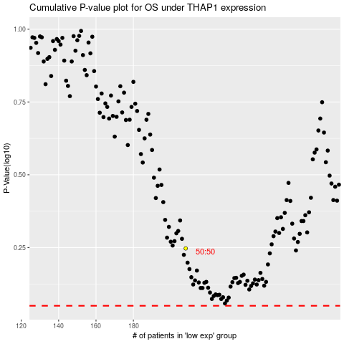

 |  |  |  |  |  | cases_OS | p_OS | rank | exp
 |  |  |  |  |  |  | cases_RFS | p_RFS | rank | exp

