THAP10 _multivariate
Reported by Tex Li-Hsing Chi. tex@gate.sinica.edu.tw 2019-08-15

Table 2. The clinicopathological features of HNSCC cohort and THAP10 expression. (Chi square test)
Cutoff at -0.25 (49.8%)
 |  | THAP10 expression |  | THAP10 expression |  | (Optimised)
 | Features | Low | (%) | High | (%) | Case no | P-value | Remark | Matthews
Gender | Female | 145 | 34.9 | 161 | 38.8 | 415 | 0.1116 | 0 | 0
2 | Male | 62 | 14.9 | 47 | 11.3
Age at diagnosis | <=65y | 128 | 30.8 | 146 | 35.2 | 415 | 0.0904 | 0 | 0
4 | >65y | 79 | 19 | 62 | 14.9
Clinical T Status | T1+T2 | 63 | 15.2 | 86 | 20.7 | 415 | 0.0268 | 1 | 0
6 | T3+T4 | 144 | 34.7 | 122 | 29.4
Clinical N Status | N0 | 115 | 27.7 | 101 | 24.3 | 415 | 0.184 | 1 | 0
8 | N1-3 | 92 | 22.2 | 107 | 25.8
Clinical M Status | M0 | 207 | 49.9 | 205 | 49.4 | 415 | 0.2482 | 0 | 0
10 | M1 | 0 | 0 | 3 | 0.7
Clinical Stage | Stage I+II | 48 | 11.6 | 54 | 13 | 415 | 0.5878 | 0 | 0
12 | Stage III+IV | 159 | 38.3 | 154 | 37.1
Surgical Margin status | Negative | 167 | 40.2 | 151 | 36.4 | 415 | 0.0632 | 0 | 0
14 | Positive | 40 | 9.6 | 57 | 13.7
Tobacco Exposure | Low | 83 | 20 | 78 | 18.8 | 415 | 0.6152 | 0 | 0
16 | High | 124 | 29.9 | 130 | 31.3

Table 3. Univariate/Multivariate Cox's proportional hazards regression analyses on OS time of THAP10 gene expression in HNSCC

 |  | Univariate |  |  |  | Multivariate
 | Features | HR | CI95%(L) | CI95%(H) | P-value | HR | CI95%(L) | CI95%(H) | P-value
1 | Female | 1 |  |  |  | 1
Gender | Male | 1.157 | 0.843 | 1.587 | 0.367 | 1.236 | 0.883 | 1.731 | 0.217
11 | <=65y | 1 |  |  |  | 1
Age at diagnosis | >65y | 1.329 | 0.99 | 1.784 | 0.058 | 1.388 | 1.022 | 1.887 | 0.036
12 | T1+T2 | 1 |  |  |  | 1
Clinical T Status | T3+T4 | 1.409 | 1.028 | 1.931 | 0.033 | 2.276 | 1.201 | 4.314 | 0.012
13 | N0 | 1 |  |  |  | 1
Clinical N Status | N1-3 | 1.185 | 0.89 | 1.577 | 0.246 | 1.216 | 0.851 | 1.738 | 0.282
14 | M0 | 1 |  |  |  | 1
Clinical M Status | M1 | 4.097 | 1.009 | 16.644 | 0.049 | 8.822 | 1.919 | 40.552 | 0.005
15 | Stage I+II | 1 |  |  |  | 1
Clinical Stage | Stage III+IV | 1.245 | 0.882 | 1.759 | 0.213 | 0.498 | 0.232 | 1.069 | 0.074
16 | Negative | 1 |  |  |  | 1
Surgical Margin status | Positive | 1.591 | 1.155 | 2.191 | 0.004 | 1.638 | 1.184 | 2.267 | 0.003
17 | Low | 1 |  |  |  | 1
Tobacco Exposure | High | 1.364 | 1.008 | 1.844 | 0.044 | 1.43 | 1.038 | 1.971 | 0.029
18 | Low | 1 |  |  |  | 1
RNAseq(z-score) | High | 1.255 | 0.939 | 1.678 | 0.125 | 1.234 | 0.915 | 1.664 | 0.167

Table 4. Univariate/Multivariate Cox's proportional hazards regression analyses on RFS time of THAP10 gene expression in HNSCC

 |  | Univariate |  |  |  | Multivariate
 | Features | HR | CI95%(L) | CI95%(H) | P-value | HR | CI95%(L) | CI95%(H) | P-value
1 | Female | 1 |  |  |  | 1
Gender | Male | 1.157 | 0.843 | 1.587 | 0.367 | 1.236 | 0.883 | 1.731 | 0.217
11 | <=65y | 1 |  |  |  | 1
Age at diagnosis | >65y | 1.329 | 0.99 | 1.784 | 0.058 | 1.388 | 1.022 | 1.887 | 0.036
12 | T1+T2 | 1 |  |  |  | 1
Clinical T Status | T3+T4 | 1.409 | 1.028 | 1.931 | 0.033 | 2.276 | 1.201 | 4.314 | 0.012
13 | N0 | 1 |  |  |  | 1
Clinical N Status | N1-3 | 1.185 | 0.89 | 1.577 | 0.246 | 1.216 | 0.851 | 1.738 | 0.282
14 | M0 | 1 |  |  |  | 1
Clinical M Status | M1 | 4.097 | 1.009 | 16.644 | 0.049 | 8.822 | 1.919 | 40.552 | 0.005
15 | Stage I+II | 1 |  |  |  | 1
Clinical Stage | Stage III+IV | 1.245 | 0.882 | 1.759 | 0.213 | 0.498 | 0.232 | 1.069 | 0.074
16 | Negative | 1 |  |  |  | 1
Surgical Margin status | Positive | 1.591 | 1.155 | 2.191 | 0.004 | 1.638 | 1.184 | 2.267 | 0.003
17 | Low | 1 |  |  |  | 1
Tobacco Exposure | High | 1.364 | 1.008 | 1.844 | 0.044 | 1.43 | 1.038 | 1.971 | 0.029
18 | Low | 1 |  |  |  | 1
RNAseq(z-score) | High | 1.255 | 0.939 | 1.678 | 0.125 | 1.234 | 0.915 | 1.664 | 0.167

Kaplan-Meier survival estimate: Cutoff at -0.25 (49.8%)



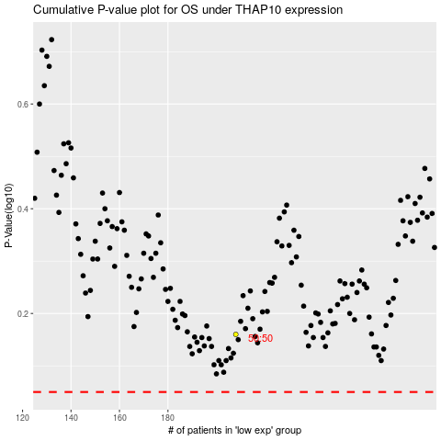

 |  |  |  |  |  | cases_OS | p_OS | rank | exp
 |  |  |  |  |  |  | cases_RFS | p_RFS | rank | exp

