THAP3 _multivariate
Reported by Tex Li-Hsing Chi. tex@gate.sinica.edu.tw 2019-08-15

Table 2. The clinicopathological features of HNSCC cohort and THAP3 expression. (Chi square test)
Cutoff at -0.289 (49.8%)
 |  | THAP3 expression |  | THAP3 expression |  | (Optimised)
 | Features | Low | (%) | High | (%) | Case no | P-value | Remark | Matthews
Gender | Female | 148 | 35.7 | 158 | 38.1 | 415 | 0.3567 | 0 | 0
2 | Male | 59 | 14.2 | 50 | 12
Age at diagnosis | <=65y | 134 | 32.3 | 140 | 33.7 | 415 | 0.6529 | 0 | 0
4 | >65y | 73 | 17.6 | 68 | 16.4
Clinical T Status | T1+T2 | 81 | 19.5 | 68 | 16.4 | 415 | 0.206 | 0 | 0
6 | T3+T4 | 126 | 30.4 | 140 | 33.7
Clinical N Status | N0 | 111 | 26.7 | 105 | 25.3 | 415 | 0.5875 | 0 | 0
8 | N1-3 | 96 | 23.1 | 103 | 24.8
Clinical M Status | M0 | 207 | 49.9 | 205 | 49.4 | 415 | 0.2482 | 0 | 0
10 | M1 | 0 | 0 | 3 | 0.7
Clinical Stage | Stage I+II | 58 | 14 | 44 | 10.6 | 415 | 0.131 | 0 | 0
12 | Stage III+IV | 149 | 35.9 | 164 | 39.5
Surgical Margin status | Negative | 162 | 39 | 156 | 37.6 | 415 | 0.4867 | 0 | 0
14 | Positive | 45 | 10.8 | 52 | 12.5
Tobacco Exposure | Low | 90 | 21.7 | 71 | 17.1 | 415 | 0.0559 | 0 | 0
16 | High | 117 | 28.2 | 137 | 33

Table 3. Univariate/Multivariate Cox's proportional hazards regression analyses on OS time of THAP3 gene expression in HNSCC

 |  | Univariate |  |  |  | Multivariate
 | Features | HR | CI95%(L) | CI95%(H) | P-value | HR | CI95%(L) | CI95%(H) | P-value
1 | Female | 1 |  |  |  | 1
Gender | Male | 1.157 | 0.843 | 1.587 | 0.367 | 1.2 | 0.859 | 1.677 | 0.286
11 | <=65y | 1 |  |  |  | 1
Age at diagnosis | >65y | 1.329 | 0.99 | 1.784 | 0.058 | 1.394 | 1.025 | 1.895 | 0.034
12 | T1+T2 | 1 |  |  |  | 1
Clinical T Status | T3+T4 | 1.409 | 1.028 | 1.931 | 0.033 | 2.207 | 1.167 | 4.174 | 0.015
13 | N0 | 1 |  |  |  | 1
Clinical N Status | N1-3 | 1.185 | 0.89 | 1.577 | 0.246 | 1.243 | 0.871 | 1.774 | 0.231
14 | M0 | 1 |  |  |  | 1
Clinical M Status | M1 | 4.097 | 1.009 | 16.644 | 0.049 | 9.62 | 2.081 | 44.465 | 0.004
15 | Stage I+II | 1 |  |  |  | 1
Clinical Stage | Stage III+IV | 1.245 | 0.882 | 1.759 | 0.213 | 0.504 | 0.235 | 1.082 | 0.079
16 | Negative | 1 |  |  |  | 1
Surgical Margin status | Positive | 1.591 | 1.155 | 2.191 | 0.004 | 1.678 | 1.213 | 2.322 | 0.002
17 | Low | 1 |  |  |  | 1
Tobacco Exposure | High | 1.364 | 1.008 | 1.844 | 0.044 | 1.458 | 1.057 | 2.01 | 0.022
18 | Low | 1 |  |  |  | 1
RNAseq(z-score) | High | 1.054 | 0.79 | 1.407 | 0.719 | 0.959 | 0.716 | 1.286 | 0.782

Table 4. Univariate/Multivariate Cox's proportional hazards regression analyses on RFS time of THAP3 gene expression in HNSCC

 |  | Univariate |  |  |  | Multivariate
 | Features | HR | CI95%(L) | CI95%(H) | P-value | HR | CI95%(L) | CI95%(H) | P-value
1 | Female | 1 |  |  |  | 1
Gender | Male | 1.157 | 0.843 | 1.587 | 0.367 | 1.2 | 0.859 | 1.677 | 0.286
11 | <=65y | 1 |  |  |  | 1
Age at diagnosis | >65y | 1.329 | 0.99 | 1.784 | 0.058 | 1.394 | 1.025 | 1.895 | 0.034
12 | T1+T2 | 1 |  |  |  | 1
Clinical T Status | T3+T4 | 1.409 | 1.028 | 1.931 | 0.033 | 2.207 | 1.167 | 4.174 | 0.015
13 | N0 | 1 |  |  |  | 1
Clinical N Status | N1-3 | 1.185 | 0.89 | 1.577 | 0.246 | 1.243 | 0.871 | 1.774 | 0.231
14 | M0 | 1 |  |  |  | 1
Clinical M Status | M1 | 4.097 | 1.009 | 16.644 | 0.049 | 9.62 | 2.081 | 44.465 | 0.004
15 | Stage I+II | 1 |  |  |  | 1
Clinical Stage | Stage III+IV | 1.245 | 0.882 | 1.759 | 0.213 | 0.504 | 0.235 | 1.082 | 0.079
16 | Negative | 1 |  |  |  | 1
Surgical Margin status | Positive | 1.591 | 1.155 | 2.191 | 0.004 | 1.678 | 1.213 | 2.322 | 0.002
17 | Low | 1 |  |  |  | 1
Tobacco Exposure | High | 1.364 | 1.008 | 1.844 | 0.044 | 1.458 | 1.057 | 2.01 | 0.022
18 | Low | 1 |  |  |  | 1
RNAseq(z-score) | High | 1.054 | 0.79 | 1.407 | 0.719 | 0.959 | 0.716 | 1.286 | 0.782

Kaplan-Meier survival estimate: Cutoff at -0.289 (49.8%)



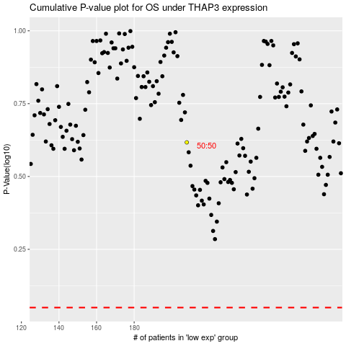

 |  |  |  |  |  | cases_OS | p_OS | rank | exp
 |  |  |  |  |  |  | cases_RFS | p_RFS | rank | exp

