THAP5 _multivariate
Reported by Tex Li-Hsing Chi. tex@gate.sinica.edu.tw 2019-08-15

Table 2. The clinicopathological features of HNSCC cohort and THAP5 expression. (Chi square test)
Cutoff at -0.195 (50.0%)
 |  | THAP5 expression |  | THAP5 expression |  | (Optimised)
 | Features | Low | (%) | High | (%) | Case no | P-value | Remark | Matthews
Gender | Female | 150 | 36.1 | 156 | 37.6 | 415 | 0.6344 | 0 | 0
2 | Male | 57 | 13.7 | 52 | 12.5
Age at diagnosis | <=65y | 126 | 30.4 | 148 | 35.7 | 415 | 0.035 | 1 | 0
4 | >65y | 81 | 19.5 | 60 | 14.5
Clinical T Status | T1+T2 | 61 | 14.7 | 88 | 21.2 | 415 | 0.0087 | 1 | 0
6 | T3+T4 | 146 | 35.2 | 120 | 28.9
Clinical N Status | N0 | 107 | 25.8 | 109 | 26.3 | 415 | 0.9624 | 0 | 0
8 | N1-3 | 100 | 24.1 | 99 | 23.9
Clinical M Status | M0 | 205 | 49.4 | 207 | 49.9 | 415 | 0.6232 | 0 | 0
10 | M1 | 2 | 0.5 | 1 | 0.2
Clinical Stage | Stage I+II | 41 | 9.9 | 61 | 14.7 | 415 | 0.0325 | 1 | 0
12 | Stage III+IV | 166 | 40 | 147 | 35.4
Surgical Margin status | Negative | 156 | 37.6 | 162 | 39 | 415 | 0.5636 | 0 | 0
14 | Positive | 51 | 12.3 | 46 | 11.1
Tobacco Exposure | Low | 94 | 22.7 | 67 | 16.1 | 415 | 0.0065 | 1 | 0
16 | High | 113 | 27.2 | 141 | 34

Table 3. Univariate/Multivariate Cox's proportional hazards regression analyses on OS time of THAP5 gene expression in HNSCC

 |  | Univariate |  |  |  | Multivariate
 | Features | HR | CI95%(L) | CI95%(H) | P-value | HR | CI95%(L) | CI95%(H) | P-value
1 | Female | 1 |  |  |  | 1
Gender | Male | 1.157 | 0.843 | 1.587 | 0.367 | 1.202 | 0.861 | 1.678 | 0.28
11 | <=65y | 1 |  |  |  | 1
Age at diagnosis | >65y | 1.329 | 0.99 | 1.784 | 0.058 | 1.409 | 1.034 | 1.921 | 0.03
12 | T1+T2 | 1 |  |  |  | 1
Clinical T Status | T3+T4 | 1.409 | 1.028 | 1.931 | 0.033 | 2.231 | 1.178 | 4.226 | 0.014
13 | N0 | 1 |  |  |  | 1
Clinical N Status | N1-3 | 1.185 | 0.89 | 1.577 | 0.246 | 1.234 | 0.865 | 1.762 | 0.246
14 | M0 | 1 |  |  |  | 1
Clinical M Status | M1 | 4.097 | 1.009 | 16.644 | 0.049 | 9.768 | 2.118 | 45.041 | 0.003
15 | Stage I+II | 1 |  |  |  | 1
Clinical Stage | Stage III+IV | 1.245 | 0.882 | 1.759 | 0.213 | 0.507 | 0.236 | 1.088 | 0.081
16 | Negative | 1 |  |  |  | 1
Surgical Margin status | Positive | 1.591 | 1.155 | 2.191 | 0.004 | 1.682 | 1.216 | 2.326 | 0.002
17 | Low | 1 |  |  |  | 1
Tobacco Exposure | High | 1.364 | 1.008 | 1.844 | 0.044 | 1.435 | 1.038 | 1.982 | 0.029
18 | Low | 1 |  |  |  | 1
RNAseq(z-score) | High | 0.986 | 0.74 | 1.314 | 0.926 | 1.088 | 0.806 | 1.469 | 0.581

Table 4. Univariate/Multivariate Cox's proportional hazards regression analyses on RFS time of THAP5 gene expression in HNSCC

 |  | Univariate |  |  |  | Multivariate
 | Features | HR | CI95%(L) | CI95%(H) | P-value | HR | CI95%(L) | CI95%(H) | P-value
1 | Female | 1 |  |  |  | 1
Gender | Male | 1.157 | 0.843 | 1.587 | 0.367 | 1.202 | 0.861 | 1.678 | 0.28
11 | <=65y | 1 |  |  |  | 1
Age at diagnosis | >65y | 1.329 | 0.99 | 1.784 | 0.058 | 1.409 | 1.034 | 1.921 | 0.03
12 | T1+T2 | 1 |  |  |  | 1
Clinical T Status | T3+T4 | 1.409 | 1.028 | 1.931 | 0.033 | 2.231 | 1.178 | 4.226 | 0.014
13 | N0 | 1 |  |  |  | 1
Clinical N Status | N1-3 | 1.185 | 0.89 | 1.577 | 0.246 | 1.234 | 0.865 | 1.762 | 0.246
14 | M0 | 1 |  |  |  | 1
Clinical M Status | M1 | 4.097 | 1.009 | 16.644 | 0.049 | 9.768 | 2.118 | 45.041 | 0.003
15 | Stage I+II | 1 |  |  |  | 1
Clinical Stage | Stage III+IV | 1.245 | 0.882 | 1.759 | 0.213 | 0.507 | 0.236 | 1.088 | 0.081
16 | Negative | 1 |  |  |  | 1
Surgical Margin status | Positive | 1.591 | 1.155 | 2.191 | 0.004 | 1.682 | 1.216 | 2.326 | 0.002
17 | Low | 1 |  |  |  | 1
Tobacco Exposure | High | 1.364 | 1.008 | 1.844 | 0.044 | 1.435 | 1.038 | 1.982 | 0.029
18 | Low | 1 |  |  |  | 1
RNAseq(z-score) | High | 0.986 | 0.74 | 1.314 | 0.926 | 1.088 | 0.806 | 1.469 | 0.581

Kaplan-Meier survival estimate: Cutoff at -0.195 (50.0%)



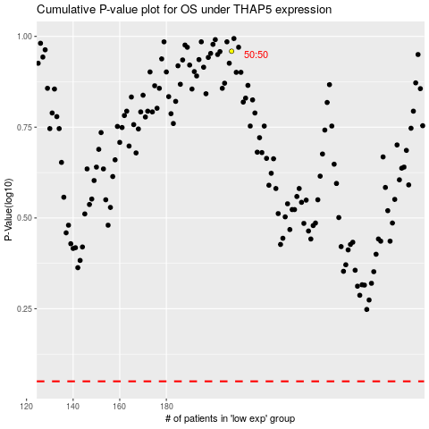

 |  |  |  |  |  | cases_OS | p_OS | rank | exp
 |  |  |  |  |  |  | cases_RFS | p_RFS | rank | exp

