THAP6 _multivariate
Reported by Tex Li-Hsing Chi. tex@gate.sinica.edu.tw 2019-08-15

Table 2. The clinicopathological features of HNSCC cohort and THAP6 expression. (Chi square test)
Cutoff at -0.175 (49.8%)
 |  | THAP6 expression |  | THAP6 expression |  | (Optimised)
 | Features | Low | (%) | High | (%) | Case no | P-value | Remark | Matthews
Gender | Female | 156 | 37.6 | 150 | 36.1 | 415 | 0.5222 | 0 | 0
2 | Male | 51 | 12.3 | 58 | 14
Age at diagnosis | <=65y | 137 | 33 | 137 | 33 | 415 | 1 | 0 | 0
4 | >65y | 70 | 16.9 | 71 | 17.1
Clinical T Status | T1+T2 | 60 | 14.5 | 89 | 21.4 | 415 | 0.0047 | 1 | 0
6 | T3+T4 | 147 | 35.4 | 119 | 28.7
Clinical N Status | N0 | 104 | 25.1 | 112 | 27 | 415 | 0.5243 | 0 | 0
8 | N1-3 | 103 | 24.8 | 96 | 23.1
Clinical M Status | M0 | 205 | 49.4 | 207 | 49.9 | 415 | 0.6232 | 0 | 0
10 | M1 | 2 | 0.5 | 1 | 0.2
Clinical Stage | Stage I+II | 42 | 10.1 | 60 | 14.5 | 415 | 0.0561 | 0 | 0
12 | Stage III+IV | 165 | 39.8 | 148 | 35.7
Surgical Margin status | Negative | 169 | 40.7 | 149 | 35.9 | 415 | 0.0201 | 1 | 0
14 | Positive | 38 | 9.2 | 59 | 14.2
Tobacco Exposure | Low | 84 | 20.2 | 77 | 18.6 | 415 | 0.4816 | 0 | 0
16 | High | 123 | 29.6 | 131 | 31.6

Table 3. Univariate/Multivariate Cox's proportional hazards regression analyses on OS time of THAP6 gene expression in HNSCC

 |  | Univariate |  |  |  | Multivariate
 | Features | HR | CI95%(L) | CI95%(H) | P-value | HR | CI95%(L) | CI95%(H) | P-value
1 | Female | 1 |  |  |  | 1
Gender | Male | 1.157 | 0.843 | 1.587 | 0.367 | 1.202 | 0.86 | 1.68 | 0.28
11 | <=65y | 1 |  |  |  | 1
Age at diagnosis | >65y | 1.329 | 0.99 | 1.784 | 0.058 | 1.393 | 1.024 | 1.894 | 0.035
12 | T1+T2 | 1 |  |  |  | 1
Clinical T Status | T3+T4 | 1.409 | 1.028 | 1.931 | 0.033 | 2.195 | 1.158 | 4.163 | 0.016
13 | N0 | 1 |  |  |  | 1
Clinical N Status | N1-3 | 1.185 | 0.89 | 1.577 | 0.246 | 1.24 | 0.869 | 1.77 | 0.235
14 | M0 | 1 |  |  |  | 1
Clinical M Status | M1 | 4.097 | 1.009 | 16.644 | 0.049 | 9.372 | 2.041 | 43.031 | 0.004
15 | Stage I+II | 1 |  |  |  | 1
Clinical Stage | Stage III+IV | 1.245 | 0.882 | 1.759 | 0.213 | 0.505 | 0.235 | 1.083 | 0.079
16 | Negative | 1 |  |  |  | 1
Surgical Margin status | Positive | 1.591 | 1.155 | 2.191 | 0.004 | 1.676 | 1.208 | 2.324 | 0.002
17 | Low | 1 |  |  |  | 1
Tobacco Exposure | High | 1.364 | 1.008 | 1.844 | 0.044 | 1.454 | 1.055 | 2.003 | 0.022
18 | Low | 1 |  |  |  | 1
RNAseq(z-score) | High | 0.994 | 0.746 | 1.324 | 0.966 | 0.985 | 0.732 | 1.325 | 0.919

Table 4. Univariate/Multivariate Cox's proportional hazards regression analyses on RFS time of THAP6 gene expression in HNSCC

 |  | Univariate |  |  |  | Multivariate
 | Features | HR | CI95%(L) | CI95%(H) | P-value | HR | CI95%(L) | CI95%(H) | P-value
1 | Female | 1 |  |  |  | 1
Gender | Male | 1.157 | 0.843 | 1.587 | 0.367 | 1.202 | 0.86 | 1.68 | 0.28
11 | <=65y | 1 |  |  |  | 1
Age at diagnosis | >65y | 1.329 | 0.99 | 1.784 | 0.058 | 1.393 | 1.024 | 1.894 | 0.035
12 | T1+T2 | 1 |  |  |  | 1
Clinical T Status | T3+T4 | 1.409 | 1.028 | 1.931 | 0.033 | 2.195 | 1.158 | 4.163 | 0.016
13 | N0 | 1 |  |  |  | 1
Clinical N Status | N1-3 | 1.185 | 0.89 | 1.577 | 0.246 | 1.24 | 0.869 | 1.77 | 0.235
14 | M0 | 1 |  |  |  | 1
Clinical M Status | M1 | 4.097 | 1.009 | 16.644 | 0.049 | 9.372 | 2.041 | 43.031 | 0.004
15 | Stage I+II | 1 |  |  |  | 1
Clinical Stage | Stage III+IV | 1.245 | 0.882 | 1.759 | 0.213 | 0.505 | 0.235 | 1.083 | 0.079
16 | Negative | 1 |  |  |  | 1
Surgical Margin status | Positive | 1.591 | 1.155 | 2.191 | 0.004 | 1.676 | 1.208 | 2.324 | 0.002
17 | Low | 1 |  |  |  | 1
Tobacco Exposure | High | 1.364 | 1.008 | 1.844 | 0.044 | 1.454 | 1.055 | 2.003 | 0.022
18 | Low | 1 |  |  |  | 1
RNAseq(z-score) | High | 0.994 | 0.746 | 1.324 | 0.966 | 0.985 | 0.732 | 1.325 | 0.919

Kaplan-Meier survival estimate: Cutoff at -0.175 (49.8%)



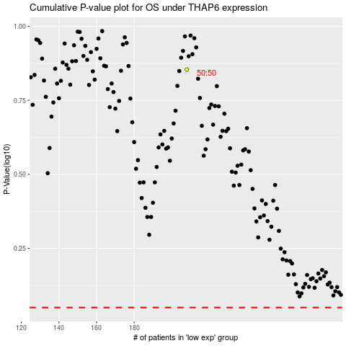

 |  |  |  |  |  | cases_OS | p_OS | rank | exp
 |  |  |  |  |  |  | cases_RFS | p_RFS | rank | exp

