THAP8 _multivariate
Reported by Tex Li-Hsing Chi. tex@gate.sinica.edu.tw 2019-08-15

Table 2. The clinicopathological features of HNSCC cohort and THAP8 expression. (Chi square test)
Cutoff at -0.012 (63.0%)
 |  | THAP8 expression |  | THAP8 expression |  | (Optimised)
 | Features | Low | (%) | High | (%) | Case no | P-value | Remark | Matthews
Gender | Female | 189 | 45.5 | 117 | 28.2 | 415 | 0.3941 | 0 | 0
2 | Male | 73 | 17.6 | 36 | 8.7
Age at diagnosis | <=65y | 171 | 41.2 | 103 | 24.8 | 415 | 0.75 | 0 | 0
4 | >65y | 91 | 21.9 | 50 | 12
Clinical T Status | T1+T2 | 89 | 21.4 | 60 | 14.5 | 415 | 0.3327 | 0 | 0
6 | T3+T4 | 173 | 41.7 | 93 | 22.4
Clinical N Status | N0 | 133 | 32 | 83 | 20 | 415 | 0.5594 | 0 | 0
8 | N1-3 | 129 | 31.1 | 70 | 16.9
Clinical M Status | M0 | 261 | 62.9 | 151 | 36.4 | 415 | 0.5577 | 0 | 0
10 | M1 | 1 | 0.2 | 2 | 0.5
Clinical Stage | Stage I+II | 61 | 14.7 | 41 | 9.9 | 415 | 0.4939 | 0 | 0
12 | Stage III+IV | 201 | 48.4 | 112 | 27
Surgical Margin status | Negative | 201 | 48.4 | 117 | 28.2 | 415 | 1 | 0 | 0
14 | Positive | 61 | 14.7 | 36 | 8.7
Tobacco Exposure | Low | 99 | 23.9 | 62 | 14.9 | 415 | 0.6026 | 0 | 0
16 | High | 163 | 39.3 | 91 | 21.9

Table 3. Univariate/Multivariate Cox's proportional hazards regression analyses on OS time of THAP8 gene expression in HNSCC

 |  | Univariate |  |  |  | Multivariate
 | Features | HR | CI95%(L) | CI95%(H) | P-value | HR | CI95%(L) | CI95%(H) | P-value
1 | Female | 1 |  |  |  | 1
Gender | Male | 1.157 | 0.843 | 1.587 | 0.367 | 1.189 | 0.85 | 1.664 | 0.312
11 | <=65y | 1 |  |  |  | 1
Age at diagnosis | >65y | 1.329 | 0.99 | 1.784 | 0.058 | 1.391 | 1.024 | 1.89 | 0.035
12 | T1+T2 | 1 |  |  |  | 1
Clinical T Status | T3+T4 | 1.409 | 1.028 | 1.931 | 0.033 | 2.184 | 1.154 | 4.135 | 0.016
13 | N0 | 1 |  |  |  | 1
Clinical N Status | N1-3 | 1.185 | 0.89 | 1.577 | 0.246 | 1.226 | 0.858 | 1.751 | 0.264
14 | M0 | 1 |  |  |  | 1
Clinical M Status | M1 | 4.097 | 1.009 | 16.644 | 0.049 | 10.987 | 2.382 | 50.679 | 0.002
15 | Stage I+II | 1 |  |  |  | 1
Clinical Stage | Stage III+IV | 1.245 | 0.882 | 1.759 | 0.213 | 0.513 | 0.238 | 1.102 | 0.087
16 | Negative | 1 |  |  |  | 1
Surgical Margin status | Positive | 1.591 | 1.155 | 2.191 | 0.004 | 1.737 | 1.254 | 2.406 | 0.001
17 | Low | 1 |  |  |  | 1
Tobacco Exposure | High | 1.364 | 1.008 | 1.844 | 0.044 | 1.443 | 1.046 | 1.99 | 0.025
18 | Low | 1 |  |  |  | 1
RNAseq(z-score) | High | 0.709 | 0.523 | 0.962 | 0.027 | 0.691 | 0.508 | 0.939 | 0.018

Table 4. Univariate/Multivariate Cox's proportional hazards regression analyses on RFS time of THAP8 gene expression in HNSCC

 |  | Univariate |  |  |  | Multivariate
 | Features | HR | CI95%(L) | CI95%(H) | P-value | HR | CI95%(L) | CI95%(H) | P-value
1 | Female | 1 |  |  |  | 1
Gender | Male | 1.157 | 0.843 | 1.587 | 0.367 | 1.189 | 0.85 | 1.664 | 0.312
11 | <=65y | 1 |  |  |  | 1
Age at diagnosis | >65y | 1.329 | 0.99 | 1.784 | 0.058 | 1.391 | 1.024 | 1.89 | 0.035
12 | T1+T2 | 1 |  |  |  | 1
Clinical T Status | T3+T4 | 1.409 | 1.028 | 1.931 | 0.033 | 2.184 | 1.154 | 4.135 | 0.016
13 | N0 | 1 |  |  |  | 1
Clinical N Status | N1-3 | 1.185 | 0.89 | 1.577 | 0.246 | 1.226 | 0.858 | 1.751 | 0.264
14 | M0 | 1 |  |  |  | 1
Clinical M Status | M1 | 4.097 | 1.009 | 16.644 | 0.049 | 10.987 | 2.382 | 50.679 | 0.002
15 | Stage I+II | 1 |  |  |  | 1
Clinical Stage | Stage III+IV | 1.245 | 0.882 | 1.759 | 0.213 | 0.513 | 0.238 | 1.102 | 0.087
16 | Negative | 1 |  |  |  | 1
Surgical Margin status | Positive | 1.591 | 1.155 | 2.191 | 0.004 | 1.737 | 1.254 | 2.406 | 0.001
17 | Low | 1 |  |  |  | 1
Tobacco Exposure | High | 1.364 | 1.008 | 1.844 | 0.044 | 1.443 | 1.046 | 1.99 | 0.025
18 | Low | 1 |  |  |  | 1
RNAseq(z-score) | High | 0.709 | 0.523 | 0.962 | 0.027 | 0.691 | 0.508 | 0.939 | 0.018

Kaplan-Meier survival estimate: Cutoff at -0.012 (63.0%)



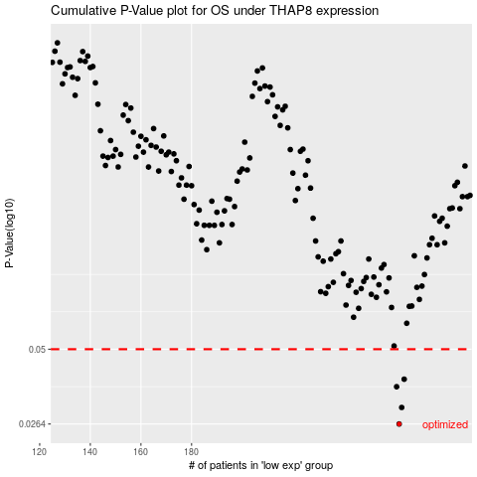

 |  |  |  |  |  | cases_OS | p_OS | rank | exp
 |  |  |  |  |  | 262 | 0.0264 | 194 | -0.011888122574
 |  |  |  |  |  | 263 | 0.0304 | 49 | -0.011495711782
 |  |  |  |  |  | 261 | 0.0363 | 113 | -0.013538789831
 |  |  |  |  |  | 264 | 0.0387 | 230 | -0.01119226862
 |  |  |  |  |  |  | cases_RFS | p_RFS | rank | exp
 |  |  |  |  |  |  | 261 | 0.0264 | 113 | -0.013538789831
 |  |  |  |  |  |  | 262 | 0.0304 | 194 | -0.011888122574
 |  |  |  |  |  |  | 260 | 0.0363 | 198 | -0.013807281426
 |  |  |  |  |  |  | 263 | 0.0387 | 49 | -0.011495711782

