THBS3 _multivariate
Reported by Tex Li-Hsing Chi. tex@gate.sinica.edu.tw 2019-08-15

Table 2. The clinicopathological features of HNSCC cohort and THBS3 expression. (Chi square test)
Cutoff at -0.127 (49.8%)
 |  | THBS3 expression |  | THBS3 expression |  | (Optimised)
 | Features | Low | (%) | High | (%) | Case no | P-value | Remark | Matthews
Gender | Female | 148 | 35.7 | 158 | 38.1 | 415 | 0.3567 | 0 | 0
2 | Male | 59 | 14.2 | 50 | 12
Age at diagnosis | <=65y | 146 | 35.2 | 128 | 30.8 | 415 | 0.0672 | 0 | 0
4 | >65y | 61 | 14.7 | 80 | 19.3
Clinical T Status | T1+T2 | 82 | 19.8 | 67 | 16.1 | 415 | 0.1417 | 0 | 0
6 | T3+T4 | 125 | 30.1 | 141 | 34
Clinical N Status | N0 | 110 | 26.5 | 106 | 25.5 | 415 | 0.7294 | 0 | 0
8 | N1-3 | 97 | 23.4 | 102 | 24.6
Clinical M Status | M0 | 205 | 49.4 | 207 | 49.9 | 415 | 0.6232 | 0 | 0
10 | M1 | 2 | 0.5 | 1 | 0.2
Clinical Stage | Stage I+II | 53 | 12.8 | 49 | 11.8 | 415 | 0.7113 | 0 | 0
12 | Stage III+IV | 154 | 37.1 | 159 | 38.3
Surgical Margin status | Negative | 166 | 40 | 152 | 36.6 | 415 | 0.1042 | 0 | 0
14 | Positive | 41 | 9.9 | 56 | 13.5
Tobacco Exposure | Low | 78 | 18.8 | 83 | 20 | 415 | 0.6873 | 0 | 0
16 | High | 129 | 31.1 | 125 | 30.1

Table 3. Univariate/Multivariate Cox's proportional hazards regression analyses on OS time of THBS3 gene expression in HNSCC

 |  | Univariate |  |  |  | Multivariate
 | Features | HR | CI95%(L) | CI95%(H) | P-value | HR | CI95%(L) | CI95%(H) | P-value
1 | Female | 1 |  |  |  | 1
Gender | Male | 1.157 | 0.843 | 1.587 | 0.367 | 1.202 | 0.86 | 1.679 | 0.281
11 | <=65y | 1 |  |  |  | 1
Age at diagnosis | >65y | 1.329 | 0.99 | 1.784 | 0.058 | 1.392 | 1.023 | 1.894 | 0.036
12 | T1+T2 | 1 |  |  |  | 1
Clinical T Status | T3+T4 | 1.409 | 1.028 | 1.931 | 0.033 | 2.202 | 1.162 | 4.173 | 0.016
13 | N0 | 1 |  |  |  | 1
Clinical N Status | N1-3 | 1.185 | 0.89 | 1.577 | 0.246 | 1.241 | 0.868 | 1.773 | 0.236
14 | M0 | 1 |  |  |  | 1
Clinical M Status | M1 | 4.097 | 1.009 | 16.644 | 0.049 | 9.408 | 2.05 | 43.169 | 0.004
15 | Stage I+II | 1 |  |  |  | 1
Clinical Stage | Stage III+IV | 1.245 | 0.882 | 1.759 | 0.213 | 0.505 | 0.235 | 1.085 | 0.08
16 | Negative | 1 |  |  |  | 1
Surgical Margin status | Positive | 1.591 | 1.155 | 2.191 | 0.004 | 1.671 | 1.207 | 2.314 | 0.002
17 | Low | 1 |  |  |  | 1
Tobacco Exposure | High | 1.364 | 1.008 | 1.844 | 0.044 | 1.453 | 1.055 | 2.002 | 0.022
18 | Low | 1 |  |  |  | 1
RNAseq(z-score) | High | 1.103 | 0.828 | 1.469 | 0.502 | 1.001 | 0.747 | 1.341 | 0.995

Table 4. Univariate/Multivariate Cox's proportional hazards regression analyses on RFS time of THBS3 gene expression in HNSCC

 |  | Univariate |  |  |  | Multivariate
 | Features | HR | CI95%(L) | CI95%(H) | P-value | HR | CI95%(L) | CI95%(H) | P-value
1 | Female | 1 |  |  |  | 1
Gender | Male | 1.157 | 0.843 | 1.587 | 0.367 | 1.202 | 0.86 | 1.679 | 0.281
11 | <=65y | 1 |  |  |  | 1
Age at diagnosis | >65y | 1.329 | 0.99 | 1.784 | 0.058 | 1.392 | 1.023 | 1.894 | 0.036
12 | T1+T2 | 1 |  |  |  | 1
Clinical T Status | T3+T4 | 1.409 | 1.028 | 1.931 | 0.033 | 2.202 | 1.162 | 4.173 | 0.016
13 | N0 | 1 |  |  |  | 1
Clinical N Status | N1-3 | 1.185 | 0.89 | 1.577 | 0.246 | 1.241 | 0.868 | 1.773 | 0.236
14 | M0 | 1 |  |  |  | 1
Clinical M Status | M1 | 4.097 | 1.009 | 16.644 | 0.049 | 9.408 | 2.05 | 43.169 | 0.004
15 | Stage I+II | 1 |  |  |  | 1
Clinical Stage | Stage III+IV | 1.245 | 0.882 | 1.759 | 0.213 | 0.505 | 0.235 | 1.085 | 0.08
16 | Negative | 1 |  |  |  | 1
Surgical Margin status | Positive | 1.591 | 1.155 | 2.191 | 0.004 | 1.671 | 1.207 | 2.314 | 0.002
17 | Low | 1 |  |  |  | 1
Tobacco Exposure | High | 1.364 | 1.008 | 1.844 | 0.044 | 1.453 | 1.055 | 2.002 | 0.022
18 | Low | 1 |  |  |  | 1
RNAseq(z-score) | High | 1.103 | 0.828 | 1.469 | 0.502 | 1.001 | 0.747 | 1.341 | 0.995

Kaplan-Meier survival estimate: Cutoff at -0.127 (49.8%)

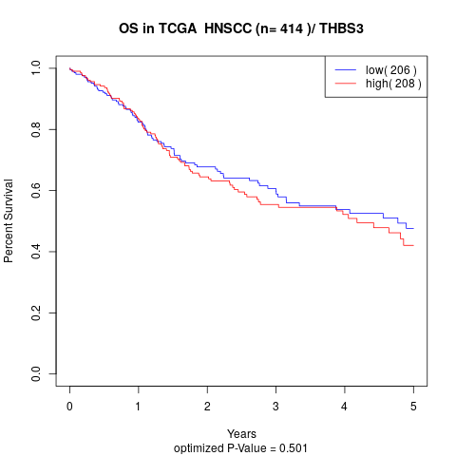

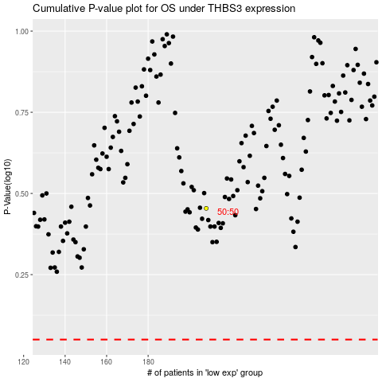

 |  |  |  |  |  | cases_OS | p_OS | rank | exp
 |  |  |  |  |  |  | cases_RFS | p_RFS | rank | exp

