THBS4 _multivariate
Reported by Tex Li-Hsing Chi. tex@gate.sinica.edu.tw 2019-08-15

Table 2. The clinicopathological features of HNSCC cohort and THBS4 expression. (Chi square test)
Cutoff at -0.343 (50.0%)
 |  | THBS4 expression |  | THBS4 expression |  | (Optimised)
 | Features | Low | (%) | High | (%) | Case no | P-value | Remark | Matthews
Gender | Female | 158 | 38.1 | 148 | 35.7 | 415 | 0.2774 | 0 | 0
2 | Male | 49 | 11.8 | 60 | 14.5
Age at diagnosis | <=65y | 122 | 29.4 | 152 | 36.6 | 415 | 0.0033 | 1 | 0
4 | >65y | 85 | 20.5 | 56 | 13.5
Clinical T Status | T1+T2 | 63 | 15.2 | 86 | 20.7 | 415 | 0.0268 | 1 | 0
6 | T3+T4 | 144 | 34.7 | 122 | 29.4
Clinical N Status | N0 | 116 | 28 | 100 | 24.1 | 415 | 0.1273 | 1 | 0
8 | N1-3 | 91 | 21.9 | 108 | 26
Clinical M Status | M0 | 205 | 49.4 | 207 | 49.9 | 415 | 0.6232 | 0 | 0
10 | M1 | 2 | 0.5 | 1 | 0.2
Clinical Stage | Stage I+II | 43 | 10.4 | 59 | 14.2 | 415 | 0.0925 | 0 | 0
12 | Stage III+IV | 164 | 39.5 | 149 | 35.9
Surgical Margin status | Negative | 158 | 38.1 | 160 | 38.6 | 415 | 0.9081 | 0 | 0
14 | Positive | 49 | 11.8 | 48 | 11.6
Tobacco Exposure | Low | 90 | 21.7 | 71 | 17.1 | 415 | 0.0559 | 0 | 0
16 | High | 117 | 28.2 | 137 | 33

Table 3. Univariate/Multivariate Cox's proportional hazards regression analyses on OS time of THBS4 gene expression in HNSCC

 |  | Univariate |  |  |  | Multivariate
 | Features | HR | CI95%(L) | CI95%(H) | P-value | HR | CI95%(L) | CI95%(H) | P-value
1 | Female | 1 |  |  |  | 1
Gender | Male | 1.157 | 0.843 | 1.587 | 0.367 | 1.194 | 0.854 | 1.669 | 0.3
11 | <=65y | 1 |  |  |  | 1
Age at diagnosis | >65y | 1.329 | 0.99 | 1.784 | 0.058 | 1.412 | 1.034 | 1.927 | 0.03
12 | T1+T2 | 1 |  |  |  | 1
Clinical T Status | T3+T4 | 1.409 | 1.028 | 1.931 | 0.033 | 2.199 | 1.163 | 4.16 | 0.015
13 | N0 | 1 |  |  |  | 1
Clinical N Status | N1-3 | 1.185 | 0.89 | 1.577 | 0.246 | 1.225 | 0.856 | 1.753 | 0.267
14 | M0 | 1 |  |  |  | 1
Clinical M Status | M1 | 4.097 | 1.009 | 16.644 | 0.049 | 9.489 | 2.07 | 43.509 | 0.004
15 | Stage I+II | 1 |  |  |  | 1
Clinical Stage | Stage III+IV | 1.245 | 0.882 | 1.759 | 0.213 | 0.513 | 0.238 | 1.103 | 0.087
16 | Negative | 1 |  |  |  | 1
Surgical Margin status | Positive | 1.591 | 1.155 | 2.191 | 0.004 | 1.674 | 1.211 | 2.313 | 0.002
17 | Low | 1 |  |  |  | 1
Tobacco Exposure | High | 1.364 | 1.008 | 1.844 | 0.044 | 1.439 | 1.043 | 1.986 | 0.027
18 | Low | 1 |  |  |  | 1
RNAseq(z-score) | High | 1.076 | 0.807 | 1.434 | 0.618 | 1.089 | 0.808 | 1.468 | 0.574

Table 4. Univariate/Multivariate Cox's proportional hazards regression analyses on RFS time of THBS4 gene expression in HNSCC

 |  | Univariate |  |  |  | Multivariate
 | Features | HR | CI95%(L) | CI95%(H) | P-value | HR | CI95%(L) | CI95%(H) | P-value
1 | Female | 1 |  |  |  | 1
Gender | Male | 1.157 | 0.843 | 1.587 | 0.367 | 1.194 | 0.854 | 1.669 | 0.3
11 | <=65y | 1 |  |  |  | 1
Age at diagnosis | >65y | 1.329 | 0.99 | 1.784 | 0.058 | 1.412 | 1.034 | 1.927 | 0.03
12 | T1+T2 | 1 |  |  |  | 1
Clinical T Status | T3+T4 | 1.409 | 1.028 | 1.931 | 0.033 | 2.199 | 1.163 | 4.16 | 0.015
13 | N0 | 1 |  |  |  | 1
Clinical N Status | N1-3 | 1.185 | 0.89 | 1.577 | 0.246 | 1.225 | 0.856 | 1.753 | 0.267
14 | M0 | 1 |  |  |  | 1
Clinical M Status | M1 | 4.097 | 1.009 | 16.644 | 0.049 | 9.489 | 2.07 | 43.509 | 0.004
15 | Stage I+II | 1 |  |  |  | 1
Clinical Stage | Stage III+IV | 1.245 | 0.882 | 1.759 | 0.213 | 0.513 | 0.238 | 1.103 | 0.087
16 | Negative | 1 |  |  |  | 1
Surgical Margin status | Positive | 1.591 | 1.155 | 2.191 | 0.004 | 1.674 | 1.211 | 2.313 | 0.002
17 | Low | 1 |  |  |  | 1
Tobacco Exposure | High | 1.364 | 1.008 | 1.844 | 0.044 | 1.439 | 1.043 | 1.986 | 0.027
18 | Low | 1 |  |  |  | 1
RNAseq(z-score) | High | 1.076 | 0.807 | 1.434 | 0.618 | 1.089 | 0.808 | 1.468 | 0.574

Kaplan-Meier survival estimate: Cutoff at -0.343 (50.0%)



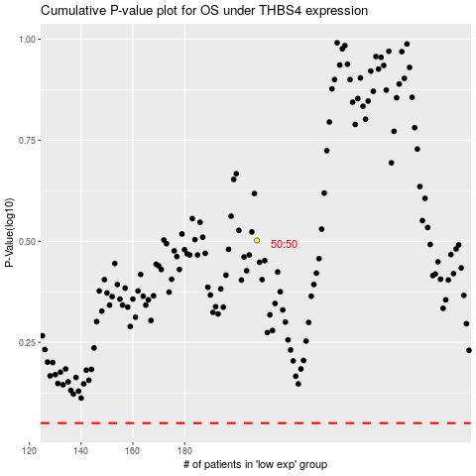

 |  |  |  |  |  | cases_OS | p_OS | rank | exp
 |  |  |  |  |  |  | cases_RFS | p_RFS | rank | exp

