THEG _multivariate
Reported by Tex Li-Hsing Chi. tex@gate.sinica.edu.tw 2019-08-15

Table 2. The clinicopathological features of HNSCC cohort and THEG expression. (Chi square test)
Cutoff at -0.31 (50.0%)
 |  | THEG expression |  | THEG expression |  | (Optimised)
 | Features | Low | (%) | High | (%) | Case no | P-value | Remark | Matthews
Gender | Female | 151 | 36.4 | 155 | 37.3 | 415 | 0.8007 | 0 | 0
2 | Male | 56 | 13.5 | 53 | 12.8
Age at diagnosis | <=65y | 126 | 30.4 | 148 | 35.7 | 415 | 0.035 | 1 | 0
4 | >65y | 81 | 19.5 | 60 | 14.5
Clinical T Status | T1+T2 | 82 | 19.8 | 67 | 16.1 | 415 | 0.1417 | 0 | 0
6 | T3+T4 | 125 | 30.1 | 141 | 34
Clinical N Status | N0 | 109 | 26.3 | 107 | 25.8 | 415 | 0.8812 | 0 | 0
8 | N1-3 | 98 | 23.6 | 101 | 24.3
Clinical M Status | M0 | 205 | 49.4 | 207 | 49.9 | 415 | 0.6232 | 0 | 0
10 | M1 | 2 | 0.5 | 1 | 0.2
Clinical Stage | Stage I+II | 57 | 13.7 | 45 | 10.8 | 415 | 0.1998 | 0 | 0
12 | Stage III+IV | 150 | 36.1 | 163 | 39.3
Surgical Margin status | Negative | 157 | 37.8 | 161 | 38.8 | 415 | 0.729 | 0 | 0
14 | Positive | 50 | 12 | 47 | 11.3
Tobacco Exposure | Low | 89 | 21.4 | 72 | 17.3 | 415 | 0.0872 | 0 | 0
16 | High | 118 | 28.4 | 136 | 32.8

Table 3. Univariate/Multivariate Cox's proportional hazards regression analyses on OS time of THEG gene expression in HNSCC

 |  | Univariate |  |  |  | Multivariate
 | Features | HR | CI95%(L) | CI95%(H) | P-value | HR | CI95%(L) | CI95%(H) | P-value
1 | Female | 1 |  |  |  | 1
Gender | Male | 1.157 | 0.843 | 1.587 | 0.367 | 1.206 | 0.863 | 1.684 | 0.272
11 | <=65y | 1 |  |  |  | 1
Age at diagnosis | >65y | 1.329 | 0.99 | 1.784 | 0.058 | 1.372 | 1.007 | 1.87 | 0.045
12 | T1+T2 | 1 |  |  |  | 1
Clinical T Status | T3+T4 | 1.409 | 1.028 | 1.931 | 0.033 | 2.191 | 1.158 | 4.146 | 0.016
13 | N0 | 1 |  |  |  | 1
Clinical N Status | N1-3 | 1.185 | 0.89 | 1.577 | 0.246 | 1.227 | 0.859 | 1.753 | 0.261
14 | M0 | 1 |  |  |  | 1
Clinical M Status | M1 | 4.097 | 1.009 | 16.644 | 0.049 | 9.316 | 2.032 | 42.71 | 0.004
15 | Stage I+II | 1 |  |  |  | 1
Clinical Stage | Stage III+IV | 1.245 | 0.882 | 1.759 | 0.213 | 0.509 | 0.237 | 1.092 | 0.083
16 | Negative | 1 |  |  |  | 1
Surgical Margin status | Positive | 1.591 | 1.155 | 2.191 | 0.004 | 1.68 | 1.215 | 2.322 | 0.002
17 | Low | 1 |  |  |  | 1
Tobacco Exposure | High | 1.364 | 1.008 | 1.844 | 0.044 | 1.471 | 1.066 | 2.03 | 0.019
18 | Low | 1 |  |  |  | 1
RNAseq(z-score) | High | 0.9 | 0.675 | 1.2 | 0.472 | 0.899 | 0.67 | 1.205 | 0.475

Table 4. Univariate/Multivariate Cox's proportional hazards regression analyses on RFS time of THEG gene expression in HNSCC

 |  | Univariate |  |  |  | Multivariate
 | Features | HR | CI95%(L) | CI95%(H) | P-value | HR | CI95%(L) | CI95%(H) | P-value
1 | Female | 1 |  |  |  | 1
Gender | Male | 1.157 | 0.843 | 1.587 | 0.367 | 1.206 | 0.863 | 1.684 | 0.272
11 | <=65y | 1 |  |  |  | 1
Age at diagnosis | >65y | 1.329 | 0.99 | 1.784 | 0.058 | 1.372 | 1.007 | 1.87 | 0.045
12 | T1+T2 | 1 |  |  |  | 1
Clinical T Status | T3+T4 | 1.409 | 1.028 | 1.931 | 0.033 | 2.191 | 1.158 | 4.146 | 0.016
13 | N0 | 1 |  |  |  | 1
Clinical N Status | N1-3 | 1.185 | 0.89 | 1.577 | 0.246 | 1.227 | 0.859 | 1.753 | 0.261
14 | M0 | 1 |  |  |  | 1
Clinical M Status | M1 | 4.097 | 1.009 | 16.644 | 0.049 | 9.316 | 2.032 | 42.71 | 0.004
15 | Stage I+II | 1 |  |  |  | 1
Clinical Stage | Stage III+IV | 1.245 | 0.882 | 1.759 | 0.213 | 0.509 | 0.237 | 1.092 | 0.083
16 | Negative | 1 |  |  |  | 1
Surgical Margin status | Positive | 1.591 | 1.155 | 2.191 | 0.004 | 1.68 | 1.215 | 2.322 | 0.002
17 | Low | 1 |  |  |  | 1
Tobacco Exposure | High | 1.364 | 1.008 | 1.844 | 0.044 | 1.471 | 1.066 | 2.03 | 0.019
18 | Low | 1 |  |  |  | 1
RNAseq(z-score) | High | 0.9 | 0.675 | 1.2 | 0.472 | 0.899 | 0.67 | 1.205 | 0.475

Kaplan-Meier survival estimate: Cutoff at -0.31 (50.0%)



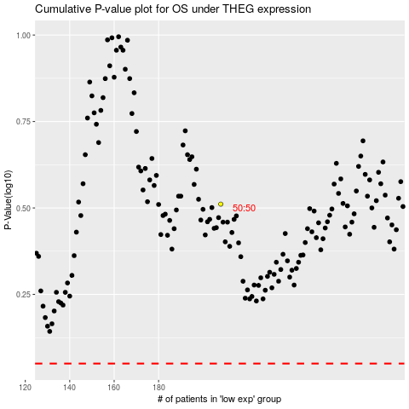

 |  |  |  |  |  | cases_OS | p_OS | rank | exp
 |  |  |  |  |  |  | cases_RFS | p_RFS | rank | exp

