THEM5 _multivariate
Reported by Tex Li-Hsing Chi. tex@gate.sinica.edu.tw 2019-08-15

Table 2. The clinicopathological features of HNSCC cohort and THEM5 expression. (Chi square test)
Cutoff at -0.383 (50.0%)
 |  | THEM5 expression |  | THEM5 expression |  | (Optimised)
 | Features | Low | (%) | High | (%) | Case no | P-value | Remark | Matthews
Gender | Female | 155 | 37.3 | 151 | 36.4 | 415 | 0.6768 | 0 | 0
2 | Male | 52 | 12.5 | 57 | 13.7
Age at diagnosis | <=65y | 144 | 34.7 | 130 | 31.3 | 415 | 0.1568 | 0 | 0
4 | >65y | 63 | 15.2 | 78 | 18.8
Clinical T Status | T1+T2 | 75 | 18.1 | 74 | 17.8 | 415 | 0.9707 | 0 | 0
6 | T3+T4 | 132 | 31.8 | 134 | 32.3
Clinical N Status | N0 | 94 | 22.7 | 122 | 29.4 | 415 | 0.0093 | 1 | 0
8 | N1-3 | 113 | 27.2 | 86 | 20.7
Clinical M Status | M0 | 206 | 49.6 | 206 | 49.6 | 415 | 1 | 0 | 0
10 | M1 | 1 | 0.2 | 2 | 0.5
Clinical Stage | Stage I+II | 46 | 11.1 | 56 | 13.5 | 415 | 0.3182 | 0 | 0
12 | Stage III+IV | 161 | 38.8 | 152 | 36.6
Surgical Margin status | Negative | 152 | 36.6 | 166 | 40 | 415 | 0.1329 | 0 | 0
14 | Positive | 55 | 13.3 | 42 | 10.1
Tobacco Exposure | Low | 72 | 17.3 | 89 | 21.4 | 415 | 0.1071 | 0 | 0
16 | High | 135 | 32.5 | 119 | 28.7

Table 3. Univariate/Multivariate Cox's proportional hazards regression analyses on OS time of THEM5 gene expression in HNSCC

 |  | Univariate |  |  |  | Multivariate
 | Features | HR | CI95%(L) | CI95%(H) | P-value | HR | CI95%(L) | CI95%(H) | P-value
1 | Female | 1 |  |  |  | 1
Gender | Male | 1.157 | 0.843 | 1.587 | 0.367 | 1.208 | 0.865 | 1.687 | 0.268
11 | <=65y | 1 |  |  |  | 1
Age at diagnosis | >65y | 1.329 | 0.99 | 1.784 | 0.058 | 1.395 | 1.027 | 1.897 | 0.033
12 | T1+T2 | 1 |  |  |  | 1
Clinical T Status | T3+T4 | 1.409 | 1.028 | 1.931 | 0.033 | 2.229 | 1.178 | 4.216 | 0.014
13 | N0 | 1 |  |  |  | 1
Clinical N Status | N1-3 | 1.185 | 0.89 | 1.577 | 0.246 | 1.22 | 0.853 | 1.745 | 0.276
14 | M0 | 1 |  |  |  | 1
Clinical M Status | M1 | 4.097 | 1.009 | 16.644 | 0.049 | 9.955 | 2.158 | 45.924 | 0.003
15 | Stage I+II | 1 |  |  |  | 1
Clinical Stage | Stage III+IV | 1.245 | 0.882 | 1.759 | 0.213 | 0.501 | 0.234 | 1.076 | 0.076
16 | Negative | 1 |  |  |  | 1
Surgical Margin status | Positive | 1.591 | 1.155 | 2.191 | 0.004 | 1.662 | 1.202 | 2.296 | 0.002
17 | Low | 1 |  |  |  | 1
Tobacco Exposure | High | 1.364 | 1.008 | 1.844 | 0.044 | 1.441 | 1.046 | 1.986 | 0.026
18 | Low | 1 |  |  |  | 1
RNAseq(z-score) | High | 0.882 | 0.66 | 1.179 | 0.397 | 0.886 | 0.659 | 1.191 | 0.423

Table 4. Univariate/Multivariate Cox's proportional hazards regression analyses on RFS time of THEM5 gene expression in HNSCC

 |  | Univariate |  |  |  | Multivariate
 | Features | HR | CI95%(L) | CI95%(H) | P-value | HR | CI95%(L) | CI95%(H) | P-value
1 | Female | 1 |  |  |  | 1
Gender | Male | 1.157 | 0.843 | 1.587 | 0.367 | 1.208 | 0.865 | 1.687 | 0.268
11 | <=65y | 1 |  |  |  | 1
Age at diagnosis | >65y | 1.329 | 0.99 | 1.784 | 0.058 | 1.395 | 1.027 | 1.897 | 0.033
12 | T1+T2 | 1 |  |  |  | 1
Clinical T Status | T3+T4 | 1.409 | 1.028 | 1.931 | 0.033 | 2.229 | 1.178 | 4.216 | 0.014
13 | N0 | 1 |  |  |  | 1
Clinical N Status | N1-3 | 1.185 | 0.89 | 1.577 | 0.246 | 1.22 | 0.853 | 1.745 | 0.276
14 | M0 | 1 |  |  |  | 1
Clinical M Status | M1 | 4.097 | 1.009 | 16.644 | 0.049 | 9.955 | 2.158 | 45.924 | 0.003
15 | Stage I+II | 1 |  |  |  | 1
Clinical Stage | Stage III+IV | 1.245 | 0.882 | 1.759 | 0.213 | 0.501 | 0.234 | 1.076 | 0.076
16 | Negative | 1 |  |  |  | 1
Surgical Margin status | Positive | 1.591 | 1.155 | 2.191 | 0.004 | 1.662 | 1.202 | 2.296 | 0.002
17 | Low | 1 |  |  |  | 1
Tobacco Exposure | High | 1.364 | 1.008 | 1.844 | 0.044 | 1.441 | 1.046 | 1.986 | 0.026
18 | Low | 1 |  |  |  | 1
RNAseq(z-score) | High | 0.882 | 0.66 | 1.179 | 0.397 | 0.886 | 0.659 | 1.191 | 0.423

Kaplan-Meier survival estimate: Cutoff at -0.383 (50.0%)



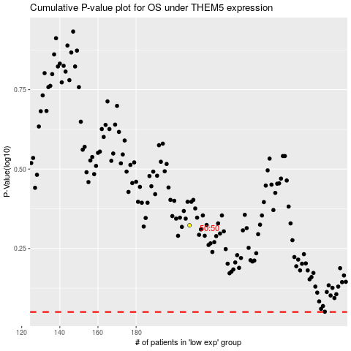

 |  |  |  |  |  | cases_OS | p_OS | rank | exp
 |  |  |  |  |  |  | cases_RFS | p_RFS | rank | exp

