THOC7 _multivariate
Reported by Tex Li-Hsing Chi. tex@gate.sinica.edu.tw 2019-08-15

Table 2. The clinicopathological features of HNSCC cohort and THOC7 expression. (Chi square test)
Cutoff at -0.407 (49.8%)
 |  | THOC7 expression |  | THOC7 expression |  | (Optimised)
 | Features | Low | (%) | High | (%) | Case no | P-value | Remark | Matthews
Gender | Female | 159 | 38.3 | 147 | 35.4 | 415 | 0.1905 | 0 | 0
2 | Male | 48 | 11.6 | 61 | 14.7
Age at diagnosis | <=65y | 145 | 34.9 | 129 | 31.1 | 415 | 0.1046 | 0 | 0
4 | >65y | 62 | 14.9 | 79 | 19
Clinical T Status | T1+T2 | 67 | 16.1 | 82 | 19.8 | 415 | 0.1628 | 0 | 0
6 | T3+T4 | 140 | 33.7 | 126 | 30.4
Clinical N Status | N0 | 96 | 23.1 | 120 | 28.9 | 415 | 0.0272 | 1 | 0
8 | N1-3 | 111 | 26.7 | 88 | 21.2
Clinical M Status | M0 | 207 | 49.9 | 205 | 49.4 | 415 | 0.2482 | 0 | 0
10 | M1 | 0 | 0 | 3 | 0.7
Clinical Stage | Stage I+II | 45 | 10.8 | 57 | 13.7 | 415 | 0.2202 | 0 | 0
12 | Stage III+IV | 162 | 39 | 151 | 36.4
Surgical Margin status | Negative | 170 | 41 | 148 | 35.7 | 415 | 0.0105 | 1 | 0
14 | Positive | 37 | 8.9 | 60 | 14.5
Tobacco Exposure | Low | 72 | 17.3 | 89 | 21.4 | 415 | 0.1071 | 0 | 0
16 | High | 135 | 32.5 | 119 | 28.7

Table 3. Univariate/Multivariate Cox's proportional hazards regression analyses on OS time of THOC7 gene expression in HNSCC

 |  | Univariate |  |  |  | Multivariate
 | Features | HR | CI95%(L) | CI95%(H) | P-value | HR | CI95%(L) | CI95%(H) | P-value
1 | Female | 1 |  |  |  | 1
Gender | Male | 1.157 | 0.843 | 1.587 | 0.367 | 1.217 | 0.869 | 1.704 | 0.254
11 | <=65y | 1 |  |  |  | 1
Age at diagnosis | >65y | 1.329 | 0.99 | 1.784 | 0.058 | 1.397 | 1.027 | 1.901 | 0.033
12 | T1+T2 | 1 |  |  |  | 1
Clinical T Status | T3+T4 | 1.409 | 1.028 | 1.931 | 0.033 | 2.194 | 1.16 | 4.148 | 0.016
13 | N0 | 1 |  |  |  | 1
Clinical N Status | N1-3 | 1.185 | 0.89 | 1.577 | 0.246 | 1.227 | 0.858 | 1.755 | 0.262
14 | M0 | 1 |  |  |  | 1
Clinical M Status | M1 | 4.097 | 1.009 | 16.644 | 0.049 | 9.896 | 2.136 | 45.848 | 0.003
15 | Stage I+II | 1 |  |  |  | 1
Clinical Stage | Stage III+IV | 1.245 | 0.882 | 1.759 | 0.213 | 0.504 | 0.235 | 1.082 | 0.079
16 | Negative | 1 |  |  |  | 1
Surgical Margin status | Positive | 1.591 | 1.155 | 2.191 | 0.004 | 1.691 | 1.221 | 2.342 | 0.002
17 | Low | 1 |  |  |  | 1
Tobacco Exposure | High | 1.364 | 1.008 | 1.844 | 0.044 | 1.453 | 1.054 | 2.002 | 0.022
18 | Low | 1 |  |  |  | 1
RNAseq(z-score) | High | 0.973 | 0.731 | 1.296 | 0.853 | 0.919 | 0.682 | 1.238 | 0.577

Table 4. Univariate/Multivariate Cox's proportional hazards regression analyses on RFS time of THOC7 gene expression in HNSCC

 |  | Univariate |  |  |  | Multivariate
 | Features | HR | CI95%(L) | CI95%(H) | P-value | HR | CI95%(L) | CI95%(H) | P-value
1 | Female | 1 |  |  |  | 1
Gender | Male | 1.157 | 0.843 | 1.587 | 0.367 | 1.217 | 0.869 | 1.704 | 0.254
11 | <=65y | 1 |  |  |  | 1
Age at diagnosis | >65y | 1.329 | 0.99 | 1.784 | 0.058 | 1.397 | 1.027 | 1.901 | 0.033
12 | T1+T2 | 1 |  |  |  | 1
Clinical T Status | T3+T4 | 1.409 | 1.028 | 1.931 | 0.033 | 2.194 | 1.16 | 4.148 | 0.016
13 | N0 | 1 |  |  |  | 1
Clinical N Status | N1-3 | 1.185 | 0.89 | 1.577 | 0.246 | 1.227 | 0.858 | 1.755 | 0.262
14 | M0 | 1 |  |  |  | 1
Clinical M Status | M1 | 4.097 | 1.009 | 16.644 | 0.049 | 9.896 | 2.136 | 45.848 | 0.003
15 | Stage I+II | 1 |  |  |  | 1
Clinical Stage | Stage III+IV | 1.245 | 0.882 | 1.759 | 0.213 | 0.504 | 0.235 | 1.082 | 0.079
16 | Negative | 1 |  |  |  | 1
Surgical Margin status | Positive | 1.591 | 1.155 | 2.191 | 0.004 | 1.691 | 1.221 | 2.342 | 0.002
17 | Low | 1 |  |  |  | 1
Tobacco Exposure | High | 1.364 | 1.008 | 1.844 | 0.044 | 1.453 | 1.054 | 2.002 | 0.022
18 | Low | 1 |  |  |  | 1
RNAseq(z-score) | High | 0.973 | 0.731 | 1.296 | 0.853 | 0.919 | 0.682 | 1.238 | 0.577

Kaplan-Meier survival estimate: Cutoff at -0.407 (49.8%)



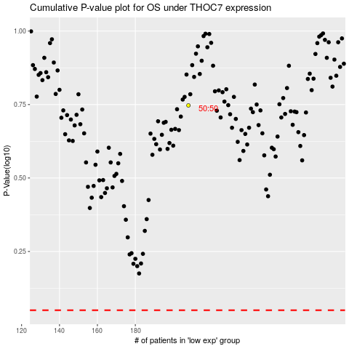

 |  |  |  |  |  | cases_OS | p_OS | rank | exp
 |  |  |  |  |  |  | cases_RFS | p_RFS | rank | exp

