THRAP3 _multivariate
Reported by Tex Li-Hsing Chi. tex@gate.sinica.edu.tw 2019-08-15

Table 2. The clinicopathological features of HNSCC cohort and THRAP3 expression. (Chi square test)
Cutoff at -0.022 (50.0%)
 |  | THRAP3 expression |  | THRAP3 expression |  | (Optimised)
 | Features | Low | (%) | High | (%) | Case no | P-value | Remark | Matthews
Gender | Female | 162 | 39 | 144 | 34.7 | 415 | 0.0479 | 1 | 0
2 | Male | 45 | 10.8 | 64 | 15.4
Age at diagnosis | <=65y | 137 | 33 | 137 | 33 | 415 | 1 | 0 | 0
4 | >65y | 70 | 16.9 | 71 | 17.1
Clinical T Status | T1+T2 | 73 | 17.6 | 76 | 18.3 | 415 | 0.8666 | 0 | 0
6 | T3+T4 | 134 | 32.3 | 132 | 31.8
Clinical N Status | N0 | 114 | 27.5 | 102 | 24.6 | 415 | 0.2576 | 1 | 0
8 | N1-3 | 93 | 22.4 | 106 | 25.5
Clinical M Status | M0 | 205 | 49.4 | 207 | 49.9 | 415 | 0.6232 | 0 | 0
10 | M1 | 2 | 0.5 | 1 | 0.2
Clinical Stage | Stage I+II | 51 | 12.3 | 51 | 12.3 | 415 | 1 | 0 | 0
12 | Stage III+IV | 156 | 37.6 | 157 | 37.8
Surgical Margin status | Negative | 155 | 37.3 | 163 | 39.3 | 415 | 0.4187 | 0 | 0
14 | Positive | 52 | 12.5 | 45 | 10.8
Tobacco Exposure | Low | 75 | 18.1 | 86 | 20.7 | 415 | 0.3141 | 0 | 0
16 | High | 132 | 31.8 | 122 | 29.4

Table 3. Univariate/Multivariate Cox's proportional hazards regression analyses on OS time of THRAP3 gene expression in HNSCC

 |  | Univariate |  |  |  | Multivariate
 | Features | HR | CI95%(L) | CI95%(H) | P-value | HR | CI95%(L) | CI95%(H) | P-value
1 | Female | 1 |  |  |  | 1
Gender | Male | 1.157 | 0.843 | 1.587 | 0.367 | 1.176 | 0.841 | 1.645 | 0.342
11 | <=65y | 1 |  |  |  | 1
Age at diagnosis | >65y | 1.329 | 0.99 | 1.784 | 0.058 | 1.396 | 1.026 | 1.9 | 0.034
12 | T1+T2 | 1 |  |  |  | 1
Clinical T Status | T3+T4 | 1.409 | 1.028 | 1.931 | 0.033 | 2.242 | 1.185 | 4.239 | 0.013
13 | N0 | 1 |  |  |  | 1
Clinical N Status | N1-3 | 1.185 | 0.89 | 1.577 | 0.246 | 1.241 | 0.87 | 1.771 | 0.234
14 | M0 | 1 |  |  |  | 1
Clinical M Status | M1 | 4.097 | 1.009 | 16.644 | 0.049 | 10.235 | 2.224 | 47.097 | 0.003
15 | Stage I+II | 1 |  |  |  | 1
Clinical Stage | Stage III+IV | 1.245 | 0.882 | 1.759 | 0.213 | 0.494 | 0.23 | 1.062 | 0.071
16 | Negative | 1 |  |  |  | 1
Surgical Margin status | Positive | 1.591 | 1.155 | 2.191 | 0.004 | 1.68 | 1.216 | 2.321 | 0.002
17 | Low | 1 |  |  |  | 1
Tobacco Exposure | High | 1.364 | 1.008 | 1.844 | 0.044 | 1.508 | 1.089 | 2.087 | 0.013
18 | Low | 1 |  |  |  | 1
RNAseq(z-score) | High | 1.176 | 0.882 | 1.567 | 0.269 | 1.263 | 0.942 | 1.695 | 0.119

Table 4. Univariate/Multivariate Cox's proportional hazards regression analyses on RFS time of THRAP3 gene expression in HNSCC

 |  | Univariate |  |  |  | Multivariate
 | Features | HR | CI95%(L) | CI95%(H) | P-value | HR | CI95%(L) | CI95%(H) | P-value
1 | Female | 1 |  |  |  | 1
Gender | Male | 1.157 | 0.843 | 1.587 | 0.367 | 1.176 | 0.841 | 1.645 | 0.342
11 | <=65y | 1 |  |  |  | 1
Age at diagnosis | >65y | 1.329 | 0.99 | 1.784 | 0.058 | 1.396 | 1.026 | 1.9 | 0.034
12 | T1+T2 | 1 |  |  |  | 1
Clinical T Status | T3+T4 | 1.409 | 1.028 | 1.931 | 0.033 | 2.242 | 1.185 | 4.239 | 0.013
13 | N0 | 1 |  |  |  | 1
Clinical N Status | N1-3 | 1.185 | 0.89 | 1.577 | 0.246 | 1.241 | 0.87 | 1.771 | 0.234
14 | M0 | 1 |  |  |  | 1
Clinical M Status | M1 | 4.097 | 1.009 | 16.644 | 0.049 | 10.235 | 2.224 | 47.097 | 0.003
15 | Stage I+II | 1 |  |  |  | 1
Clinical Stage | Stage III+IV | 1.245 | 0.882 | 1.759 | 0.213 | 0.494 | 0.23 | 1.062 | 0.071
16 | Negative | 1 |  |  |  | 1
Surgical Margin status | Positive | 1.591 | 1.155 | 2.191 | 0.004 | 1.68 | 1.216 | 2.321 | 0.002
17 | Low | 1 |  |  |  | 1
Tobacco Exposure | High | 1.364 | 1.008 | 1.844 | 0.044 | 1.508 | 1.089 | 2.087 | 0.013
18 | Low | 1 |  |  |  | 1
RNAseq(z-score) | High | 1.176 | 0.882 | 1.567 | 0.269 | 1.263 | 0.942 | 1.695 | 0.119

Kaplan-Meier survival estimate: Cutoff at -0.022 (50.0%)

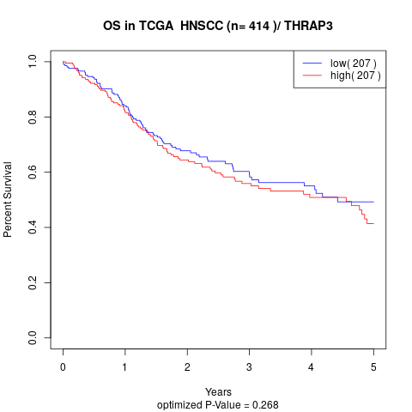

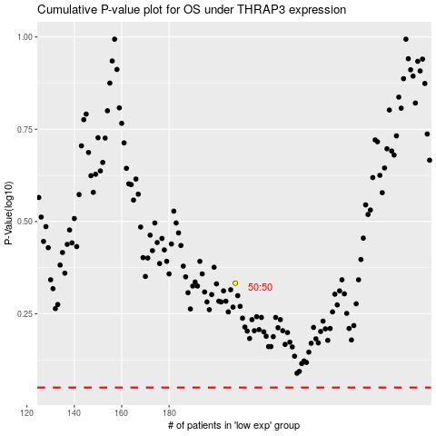

 |  |  |  |  |  | cases_OS | p_OS | rank | exp
 |  |  |  |  |  |  | cases_RFS | p_RFS | rank | exp

