THSD1P1 _multivariate
Reported by Tex Li-Hsing Chi. tex@gate.sinica.edu.tw 2019-08-15

Table 2. The clinicopathological features of HNSCC cohort and THSD1P1 expression. (Chi square test)
Cutoff at -0.14 (50.0%)
 |  | THSD1P1 expression |  | THSD1P1 expression |  | (Optimised)
 | Features | Low | (%) | High | (%) | Case no | P-value | Remark | Matthews
Gender | Female | 151 | 36.4 | 155 | 37.3 | 415 | 0.8007 | 0 | 0
2 | Male | 56 | 13.5 | 53 | 12.8
Age at diagnosis | <=65y | 138 | 33.3 | 136 | 32.8 | 415 | 0.8634 | 0 | 0
4 | >65y | 69 | 16.6 | 72 | 17.3
Clinical T Status | T1+T2 | 85 | 20.5 | 64 | 15.4 | 415 | 0.0372 | 1 | 0
6 | T3+T4 | 122 | 29.4 | 144 | 34.7
Clinical N Status | N0 | 99 | 23.9 | 117 | 28.2 | 415 | 0.1054 | 0 | 0
8 | N1-3 | 108 | 26 | 91 | 21.9
Clinical M Status | M0 | 207 | 49.9 | 205 | 49.4 | 415 | 0.2482 | 0 | 0
10 | M1 | 0 | 0 | 3 | 0.7
Clinical Stage | Stage I+II | 53 | 12.8 | 49 | 11.8 | 415 | 0.7113 | 0 | 0
12 | Stage III+IV | 154 | 37.1 | 159 | 38.3
Surgical Margin status | Negative | 158 | 38.1 | 160 | 38.6 | 415 | 0.9081 | 0 | 0
14 | Positive | 49 | 11.8 | 48 | 11.6
Tobacco Exposure | Low | 81 | 19.5 | 80 | 19.3 | 415 | 0.9199 | 0 | 0
16 | High | 126 | 30.4 | 128 | 30.8

Table 3. Univariate/Multivariate Cox's proportional hazards regression analyses on OS time of THSD1P1 gene expression in HNSCC

 |  | Univariate |  |  |  | Multivariate
 | Features | HR | CI95%(L) | CI95%(H) | P-value | HR | CI95%(L) | CI95%(H) | P-value
1 | Female | 1 |  |  |  | 1
Gender | Male | 1.157 | 0.843 | 1.587 | 0.367 | 1.191 | 0.853 | 1.664 | 0.304
11 | <=65y | 1 |  |  |  | 1
Age at diagnosis | >65y | 1.329 | 0.99 | 1.784 | 0.058 | 1.395 | 1.025 | 1.896 | 0.034
12 | T1+T2 | 1 |  |  |  | 1
Clinical T Status | T3+T4 | 1.409 | 1.028 | 1.931 | 0.033 | 2.323 | 1.22 | 4.423 | 0.01
13 | N0 | 1 |  |  |  | 1
Clinical N Status | N1-3 | 1.185 | 0.89 | 1.577 | 0.246 | 1.236 | 0.866 | 1.764 | 0.243
14 | M0 | 1 |  |  |  | 1
Clinical M Status | M1 | 4.097 | 1.009 | 16.644 | 0.049 | 10.716 | 2.292 | 50.1 | 0.003
15 | Stage I+II | 1 |  |  |  | 1
Clinical Stage | Stage III+IV | 1.245 | 0.882 | 1.759 | 0.213 | 0.485 | 0.225 | 1.043 | 0.064
16 | Negative | 1 |  |  |  | 1
Surgical Margin status | Positive | 1.591 | 1.155 | 2.191 | 0.004 | 1.7 | 1.228 | 2.353 | 0.001
17 | Low | 1 |  |  |  | 1
Tobacco Exposure | High | 1.364 | 1.008 | 1.844 | 0.044 | 1.455 | 1.056 | 2.004 | 0.022
18 | Low | 1 |  |  |  | 1
RNAseq(z-score) | High | 0.952 | 0.713 | 1.27 | 0.738 | 0.852 | 0.634 | 1.145 | 0.29

Table 4. Univariate/Multivariate Cox's proportional hazards regression analyses on RFS time of THSD1P1 gene expression in HNSCC

 |  | Univariate |  |  |  | Multivariate
 | Features | HR | CI95%(L) | CI95%(H) | P-value | HR | CI95%(L) | CI95%(H) | P-value
1 | Female | 1 |  |  |  | 1
Gender | Male | 1.157 | 0.843 | 1.587 | 0.367 | 1.191 | 0.853 | 1.664 | 0.304
11 | <=65y | 1 |  |  |  | 1
Age at diagnosis | >65y | 1.329 | 0.99 | 1.784 | 0.058 | 1.395 | 1.025 | 1.896 | 0.034
12 | T1+T2 | 1 |  |  |  | 1
Clinical T Status | T3+T4 | 1.409 | 1.028 | 1.931 | 0.033 | 2.323 | 1.22 | 4.423 | 0.01
13 | N0 | 1 |  |  |  | 1
Clinical N Status | N1-3 | 1.185 | 0.89 | 1.577 | 0.246 | 1.236 | 0.866 | 1.764 | 0.243
14 | M0 | 1 |  |  |  | 1
Clinical M Status | M1 | 4.097 | 1.009 | 16.644 | 0.049 | 10.716 | 2.292 | 50.1 | 0.003
15 | Stage I+II | 1 |  |  |  | 1
Clinical Stage | Stage III+IV | 1.245 | 0.882 | 1.759 | 0.213 | 0.485 | 0.225 | 1.043 | 0.064
16 | Negative | 1 |  |  |  | 1
Surgical Margin status | Positive | 1.591 | 1.155 | 2.191 | 0.004 | 1.7 | 1.228 | 2.353 | 0.001
17 | Low | 1 |  |  |  | 1
Tobacco Exposure | High | 1.364 | 1.008 | 1.844 | 0.044 | 1.455 | 1.056 | 2.004 | 0.022
18 | Low | 1 |  |  |  | 1
RNAseq(z-score) | High | 0.952 | 0.713 | 1.27 | 0.738 | 0.852 | 0.634 | 1.145 | 0.29

Kaplan-Meier survival estimate: Cutoff at -0.14 (50.0%)



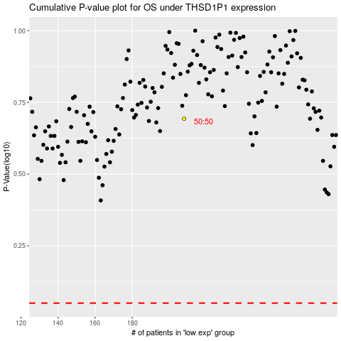

 |  |  |  |  |  | cases_OS | p_OS | rank | exp
 |  |  |  |  |  |  | cases_RFS | p_RFS | rank | exp

