THSD7B _multivariate
Reported by Tex Li-Hsing Chi. tex@gate.sinica.edu.tw 2019-08-15

Table 2. The clinicopathological features of HNSCC cohort and THSD7B expression. (Chi square test)
Cutoff at -0.311 (50.0%)
 |  | THSD7B expression |  | THSD7B expression |  | (Optimised)
 | Features | Low | (%) | High | (%) | Case no | P-value | Remark | Matthews
Gender | Female | 154 | 37.1 | 152 | 36.6 | 415 | 0.8463 | 0 | 0
2 | Male | 53 | 12.8 | 56 | 13.5
Age at diagnosis | <=65y | 129 | 31.1 | 145 | 34.9 | 415 | 0.1372 | 0 | 0
4 | >65y | 78 | 18.8 | 63 | 15.2
Clinical T Status | T1+T2 | 76 | 18.3 | 73 | 17.6 | 415 | 0.8092 | 0 | 0
6 | T3+T4 | 131 | 31.6 | 135 | 32.5
Clinical N Status | N0 | 110 | 26.5 | 106 | 25.5 | 415 | 0.7294 | 0 | 0
8 | N1-3 | 97 | 23.4 | 102 | 24.6
Clinical M Status | M0 | 204 | 49.2 | 208 | 50.1 | 415 | 0.1232 | 0 | 0
10 | M1 | 3 | 0.7 | 0 | 0
Clinical Stage | Stage I+II | 51 | 12.3 | 51 | 12.3 | 415 | 1 | 0 | 0
12 | Stage III+IV | 156 | 37.6 | 157 | 37.8
Surgical Margin status | Negative | 150 | 36.1 | 168 | 40.5 | 415 | 0.0492 | 1 | 0
14 | Positive | 57 | 13.7 | 40 | 9.6
Tobacco Exposure | Low | 94 | 22.7 | 67 | 16.1 | 415 | 0.0065 | 1 | 0
16 | High | 113 | 27.2 | 141 | 34

Table 3. Univariate/Multivariate Cox's proportional hazards regression analyses on OS time of THSD7B gene expression in HNSCC

 |  | Univariate |  |  |  | Multivariate
 | Features | HR | CI95%(L) | CI95%(H) | P-value | HR | CI95%(L) | CI95%(H) | P-value
1 | Female | 1 |  |  |  | 1
Gender | Male | 1.157 | 0.843 | 1.587 | 0.367 | 1.201 | 0.859 | 1.679 | 0.284
11 | <=65y | 1 |  |  |  | 1
Age at diagnosis | >65y | 1.329 | 0.99 | 1.784 | 0.058 | 1.374 | 1.009 | 1.87 | 0.044
12 | T1+T2 | 1 |  |  |  | 1
Clinical T Status | T3+T4 | 1.409 | 1.028 | 1.931 | 0.033 | 2.195 | 1.161 | 4.148 | 0.016
13 | N0 | 1 |  |  |  | 1
Clinical N Status | N1-3 | 1.185 | 0.89 | 1.577 | 0.246 | 1.239 | 0.868 | 1.768 | 0.237
14 | M0 | 1 |  |  |  | 1
Clinical M Status | M1 | 4.097 | 1.009 | 16.644 | 0.049 | 8.683 | 1.88 | 40.11 | 0.006
15 | Stage I+II | 1 |  |  |  | 1
Clinical Stage | Stage III+IV | 1.245 | 0.882 | 1.759 | 0.213 | 0.512 | 0.238 | 1.1 | 0.086
16 | Negative | 1 |  |  |  | 1
Surgical Margin status | Positive | 1.591 | 1.155 | 2.191 | 0.004 | 1.638 | 1.183 | 2.269 | 0.003
17 | Low | 1 |  |  |  | 1
Tobacco Exposure | High | 1.364 | 1.008 | 1.844 | 0.044 | 1.482 | 1.072 | 2.047 | 0.017
18 | Low | 1 |  |  |  | 1
RNAseq(z-score) | High | 0.829 | 0.622 | 1.104 | 0.199 | 0.863 | 0.642 | 1.16 | 0.33

Table 4. Univariate/Multivariate Cox's proportional hazards regression analyses on RFS time of THSD7B gene expression in HNSCC

 |  | Univariate |  |  |  | Multivariate
 | Features | HR | CI95%(L) | CI95%(H) | P-value | HR | CI95%(L) | CI95%(H) | P-value
1 | Female | 1 |  |  |  | 1
Gender | Male | 1.157 | 0.843 | 1.587 | 0.367 | 1.201 | 0.859 | 1.679 | 0.284
11 | <=65y | 1 |  |  |  | 1
Age at diagnosis | >65y | 1.329 | 0.99 | 1.784 | 0.058 | 1.374 | 1.009 | 1.87 | 0.044
12 | T1+T2 | 1 |  |  |  | 1
Clinical T Status | T3+T4 | 1.409 | 1.028 | 1.931 | 0.033 | 2.195 | 1.161 | 4.148 | 0.016
13 | N0 | 1 |  |  |  | 1
Clinical N Status | N1-3 | 1.185 | 0.89 | 1.577 | 0.246 | 1.239 | 0.868 | 1.768 | 0.237
14 | M0 | 1 |  |  |  | 1
Clinical M Status | M1 | 4.097 | 1.009 | 16.644 | 0.049 | 8.683 | 1.88 | 40.11 | 0.006
15 | Stage I+II | 1 |  |  |  | 1
Clinical Stage | Stage III+IV | 1.245 | 0.882 | 1.759 | 0.213 | 0.512 | 0.238 | 1.1 | 0.086
16 | Negative | 1 |  |  |  | 1
Surgical Margin status | Positive | 1.591 | 1.155 | 2.191 | 0.004 | 1.638 | 1.183 | 2.269 | 0.003
17 | Low | 1 |  |  |  | 1
Tobacco Exposure | High | 1.364 | 1.008 | 1.844 | 0.044 | 1.482 | 1.072 | 2.047 | 0.017
18 | Low | 1 |  |  |  | 1
RNAseq(z-score) | High | 0.829 | 0.622 | 1.104 | 0.199 | 0.863 | 0.642 | 1.16 | 0.33

Kaplan-Meier survival estimate: Cutoff at -0.311 (50.0%)



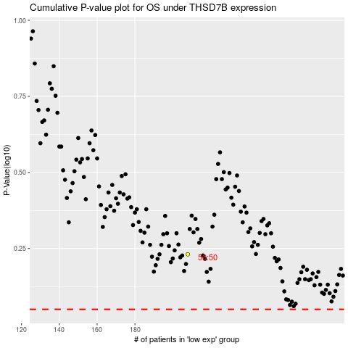

 |  |  |  |  |  | cases_OS | p_OS | rank | exp
 |  |  |  |  |  |  | cases_RFS | p_RFS | rank | exp

