THUMPD2 _multivariate
Reported by Tex Li-Hsing Chi. tex@gate.sinica.edu.tw 2019-08-15

Table 2. The clinicopathological features of HNSCC cohort and THUMPD2 expression. (Chi square test)
Cutoff at 0.03 (56.3%)
 |  | THUMPD2 expression |  | THUMPD2 expression |  | (Optimised)
 | Features | Low | (%) | High | (%) | Case no | P-value | Remark | Matthews
Gender | Female | 162 | 39 | 144 | 34.7 | 415 | 0.0239 | 1 | 0
2 | Male | 72 | 17.3 | 37 | 8.9
Age at diagnosis | <=65y | 156 | 37.6 | 118 | 28.4 | 415 | 0.8339 | 0 | 0
4 | >65y | 78 | 18.8 | 63 | 15.2
Clinical T Status | T1+T2 | 93 | 22.4 | 56 | 13.5 | 415 | 0.08 | 0 | 0
6 | T3+T4 | 141 | 34 | 125 | 30.1
Clinical N Status | N0 | 119 | 28.7 | 97 | 23.4 | 415 | 0.6496 | 0 | 0
8 | N1-3 | 115 | 27.7 | 84 | 20.2
Clinical M Status | M0 | 234 | 56.4 | 178 | 42.9 | 415 | 0.0822 | 0 | 0
10 | M1 | 0 | 0 | 3 | 0.7
Clinical Stage | Stage I+II | 65 | 15.7 | 37 | 8.9 | 415 | 0.1082 | 0 | 0
12 | Stage III+IV | 169 | 40.7 | 144 | 34.7
Surgical Margin status | Negative | 192 | 46.3 | 126 | 30.4 | 415 | 0.0034 | 1 | 0
14 | Positive | 42 | 10.1 | 55 | 13.3
Tobacco Exposure | Low | 93 | 22.4 | 68 | 16.4 | 415 | 0.6851 | 0 | 0
16 | High | 141 | 34 | 113 | 27.2

Table 3. Univariate/Multivariate Cox's proportional hazards regression analyses on OS time of THUMPD2 gene expression in HNSCC

 |  | Univariate |  |  |  | Multivariate
 | Features | HR | CI95%(L) | CI95%(H) | P-value | HR | CI95%(L) | CI95%(H) | P-value
1 | Female | 1 |  |  |  | 1
Gender | Male | 1.157 | 0.843 | 1.587 | 0.367 | 1.237 | 0.883 | 1.733 | 0.216
11 | <=65y | 1 |  |  |  | 1
Age at diagnosis | >65y | 1.329 | 0.99 | 1.784 | 0.058 | 1.388 | 1.021 | 1.887 | 0.037
12 | T1+T2 | 1 |  |  |  | 1
Clinical T Status | T3+T4 | 1.409 | 1.028 | 1.931 | 0.033 | 2.18 | 1.153 | 4.121 | 0.016
13 | N0 | 1 |  |  |  | 1
Clinical N Status | N1-3 | 1.185 | 0.89 | 1.577 | 0.246 | 1.281 | 0.895 | 1.833 | 0.175
14 | M0 | 1 |  |  |  | 1
Clinical M Status | M1 | 4.097 | 1.009 | 16.644 | 0.049 | 8.128 | 1.757 | 37.594 | 0.007
15 | Stage I+II | 1 |  |  |  | 1
Clinical Stage | Stage III+IV | 1.245 | 0.882 | 1.759 | 0.213 | 0.484 | 0.225 | 1.04 | 0.063
16 | Negative | 1 |  |  |  | 1
Surgical Margin status | Positive | 1.591 | 1.155 | 2.191 | 0.004 | 1.608 | 1.16 | 2.23 | 0.004
17 | Low | 1 |  |  |  | 1
Tobacco Exposure | High | 1.364 | 1.008 | 1.844 | 0.044 | 1.475 | 1.069 | 2.035 | 0.018
18 | Low | 1 |  |  |  | 1
RNAseq(z-score) | High | 1.363 | 1.023 | 1.817 | 0.035 | 1.291 | 0.959 | 1.738 | 0.092

Table 4. Univariate/Multivariate Cox's proportional hazards regression analyses on RFS time of THUMPD2 gene expression in HNSCC

 |  | Univariate |  |  |  | Multivariate
 | Features | HR | CI95%(L) | CI95%(H) | P-value | HR | CI95%(L) | CI95%(H) | P-value
1 | Female | 1 |  |  |  | 1
Gender | Male | 1.157 | 0.843 | 1.587 | 0.367 | 1.237 | 0.883 | 1.733 | 0.216
11 | <=65y | 1 |  |  |  | 1
Age at diagnosis | >65y | 1.329 | 0.99 | 1.784 | 0.058 | 1.388 | 1.021 | 1.887 | 0.037
12 | T1+T2 | 1 |  |  |  | 1
Clinical T Status | T3+T4 | 1.409 | 1.028 | 1.931 | 0.033 | 2.18 | 1.153 | 4.121 | 0.016
13 | N0 | 1 |  |  |  | 1
Clinical N Status | N1-3 | 1.185 | 0.89 | 1.577 | 0.246 | 1.281 | 0.895 | 1.833 | 0.175
14 | M0 | 1 |  |  |  | 1
Clinical M Status | M1 | 4.097 | 1.009 | 16.644 | 0.049 | 8.128 | 1.757 | 37.594 | 0.007
15 | Stage I+II | 1 |  |  |  | 1
Clinical Stage | Stage III+IV | 1.245 | 0.882 | 1.759 | 0.213 | 0.484 | 0.225 | 1.04 | 0.063
16 | Negative | 1 |  |  |  | 1
Surgical Margin status | Positive | 1.591 | 1.155 | 2.191 | 0.004 | 1.608 | 1.16 | 2.23 | 0.004
17 | Low | 1 |  |  |  | 1
Tobacco Exposure | High | 1.364 | 1.008 | 1.844 | 0.044 | 1.475 | 1.069 | 2.035 | 0.018
18 | Low | 1 |  |  |  | 1
RNAseq(z-score) | High | 1.363 | 1.023 | 1.817 | 0.035 | 1.291 | 0.959 | 1.738 | 0.092

Kaplan-Meier survival estimate: Cutoff at 0.03 (56.3%)

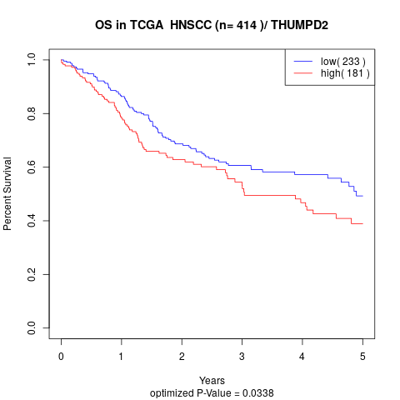

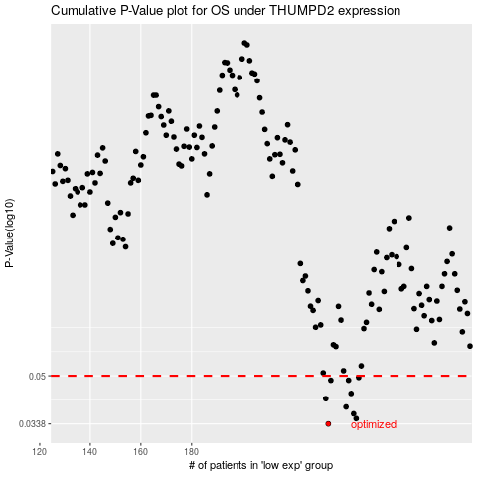

 |  |  |  |  |  | cases_OS | p_OS | rank | exp
 |  |  |  |  |  | 234 | 0.0338 | 370 | 0.03030497314
 |  |  |  |  |  | 245 | 0.0353 | 210 | 0.11533850551
 |  |  |  |  |  | 244 | 0.0367 | 94 | 0.11460478492
 |  |  |  |  |  | 241 | 0.0388 | 414 | 0.10364821109
 |  |  |  |  |  | 233 | 0.0415 | 83 | 0.030302571436
 |  |  |  |  |  | 243 | 0.0433 | 37 | 0.10962244989
 |  |  |  |  |  | 242 | 0.0482 | 346 | 0.10482984948
 |  |  |  |  |  | 235 | 0.0482 | 355 | 0.038275027995
 |  |  |  |  |  | 246 | 0.0493 | 211 | 0.11655977201
 |  |  |  |  |  |  | cases_RFS | p_RFS | rank | exp
 |  |  |  |  |  |  | 233 | 0.0338 | 83 | 0.030302571436
 |  |  |  |  |  |  | 244 | 0.0353 | 94 | 0.11460478492
 |  |  |  |  |  |  | 243 | 0.0367 | 37 | 0.10962244989
 |  |  |  |  |  |  | 240 | 0.0388 | 140 | 0.096916234673
 |  |  |  |  |  |  | 232 | 0.0415 | 233 | 0.028879561793
 |  |  |  |  |  |  | 242 | 0.0433 | 346 | 0.10482984948
 |  |  |  |  |  |  | 234 | 0.0482 | 370 | 0.03030497314
 |  |  |  |  |  |  | 241 | 0.0482 | 414 | 0.10364821109
 |  |  |  |  |  |  | 245 | 0.0493 | 210 | 0.11533850551

