THYN1 _multivariate
Reported by Tex Li-Hsing Chi. tex@gate.sinica.edu.tw 2019-08-15

Table 2. The clinicopathological features of HNSCC cohort and THYN1 expression. (Chi square test)
Cutoff at -0.494 (38.6%)
 |  | THYN1 expression |  | THYN1 expression |  | (Optimised)
 | Features | Low | (%) | High | (%) | Case no | P-value | Remark | Matthews
Gender | Female | 111 | 26.7 | 195 | 47 | 415 | 0.0987 | 0 | 0
2 | Male | 50 | 12 | 59 | 14.2
Age at diagnosis | <=65y | 96 | 23.1 | 178 | 42.9 | 415 | 0.0371 | 1 | 0
4 | >65y | 65 | 15.7 | 76 | 18.3
Clinical T Status | T1+T2 | 47 | 11.3 | 102 | 24.6 | 415 | 0.0305 | 1 | 0
6 | T3+T4 | 114 | 27.5 | 152 | 36.6
Clinical N Status | N0 | 81 | 19.5 | 135 | 32.5 | 415 | 0.6431 | 0 | 0
8 | N1-3 | 80 | 19.3 | 119 | 28.7
Clinical M Status | M0 | 159 | 38.3 | 253 | 61 | 415 | 0.5626 | 0 | 0
10 | M1 | 2 | 0.5 | 1 | 0.2
Clinical Stage | Stage I+II | 34 | 8.2 | 68 | 16.4 | 415 | 0.2354 | 0 | 0
12 | Stage III+IV | 127 | 30.6 | 186 | 44.8
Surgical Margin status | Negative | 128 | 30.8 | 190 | 45.8 | 415 | 0.2863 | 0 | 0
14 | Positive | 33 | 8 | 64 | 15.4
Tobacco Exposure | Low | 63 | 15.2 | 98 | 23.6 | 415 | 0.918 | 0 | 0
16 | High | 98 | 23.6 | 156 | 37.6

Table 3. Univariate/Multivariate Cox's proportional hazards regression analyses on OS time of THYN1 gene expression in HNSCC

 |  | Univariate |  |  |  | Multivariate
 | Features | HR | CI95%(L) | CI95%(H) | P-value | HR | CI95%(L) | CI95%(H) | P-value
1 | Female | 1 |  |  |  | 1
Gender | Male | 1.157 | 0.843 | 1.587 | 0.367 | 1.204 | 0.862 | 1.68 | 0.276
11 | <=65y | 1 |  |  |  | 1
Age at diagnosis | >65y | 1.329 | 0.99 | 1.784 | 0.058 | 1.369 | 1.006 | 1.864 | 0.046
12 | T1+T2 | 1 |  |  |  | 1
Clinical T Status | T3+T4 | 1.409 | 1.028 | 1.931 | 0.033 | 2.117 | 1.118 | 4.01 | 0.021
13 | N0 | 1 |  |  |  | 1
Clinical N Status | N1-3 | 1.185 | 0.89 | 1.577 | 0.246 | 1.233 | 0.864 | 1.76 | 0.248
14 | M0 | 1 |  |  |  | 1
Clinical M Status | M1 | 4.097 | 1.009 | 16.644 | 0.049 | 8.72 | 1.896 | 40.096 | 0.005
15 | Stage I+II | 1 |  |  |  | 1
Clinical Stage | Stage III+IV | 1.245 | 0.882 | 1.759 | 0.213 | 0.519 | 0.241 | 1.115 | 0.093
16 | Negative | 1 |  |  |  | 1
Surgical Margin status | Positive | 1.591 | 1.155 | 2.191 | 0.004 | 1.677 | 1.214 | 2.317 | 0.002
17 | Low | 1 |  |  |  | 1
Tobacco Exposure | High | 1.364 | 1.008 | 1.844 | 0.044 | 1.457 | 1.056 | 2.009 | 0.022
18 | Low | 1 |  |  |  | 1
RNAseq(z-score) | High | 0.746 | 0.559 | 0.994 | 0.046 | 0.801 | 0.599 | 1.071 | 0.135

Table 4. Univariate/Multivariate Cox's proportional hazards regression analyses on RFS time of THYN1 gene expression in HNSCC

 |  | Univariate |  |  |  | Multivariate
 | Features | HR | CI95%(L) | CI95%(H) | P-value | HR | CI95%(L) | CI95%(H) | P-value
1 | Female | 1 |  |  |  | 1
Gender | Male | 1.157 | 0.843 | 1.587 | 0.367 | 1.204 | 0.862 | 1.68 | 0.276
11 | <=65y | 1 |  |  |  | 1
Age at diagnosis | >65y | 1.329 | 0.99 | 1.784 | 0.058 | 1.369 | 1.006 | 1.864 | 0.046
12 | T1+T2 | 1 |  |  |  | 1
Clinical T Status | T3+T4 | 1.409 | 1.028 | 1.931 | 0.033 | 2.117 | 1.118 | 4.01 | 0.021
13 | N0 | 1 |  |  |  | 1
Clinical N Status | N1-3 | 1.185 | 0.89 | 1.577 | 0.246 | 1.233 | 0.864 | 1.76 | 0.248
14 | M0 | 1 |  |  |  | 1
Clinical M Status | M1 | 4.097 | 1.009 | 16.644 | 0.049 | 8.72 | 1.896 | 40.096 | 0.005
15 | Stage I+II | 1 |  |  |  | 1
Clinical Stage | Stage III+IV | 1.245 | 0.882 | 1.759 | 0.213 | 0.519 | 0.241 | 1.115 | 0.093
16 | Negative | 1 |  |  |  | 1
Surgical Margin status | Positive | 1.591 | 1.155 | 2.191 | 0.004 | 1.677 | 1.214 | 2.317 | 0.002
17 | Low | 1 |  |  |  | 1
Tobacco Exposure | High | 1.364 | 1.008 | 1.844 | 0.044 | 1.457 | 1.056 | 2.009 | 0.022
18 | Low | 1 |  |  |  | 1
RNAseq(z-score) | High | 0.746 | 0.559 | 0.994 | 0.046 | 0.801 | 0.599 | 1.071 | 0.135

Kaplan-Meier survival estimate: Cutoff at -0.494 (38.6%)

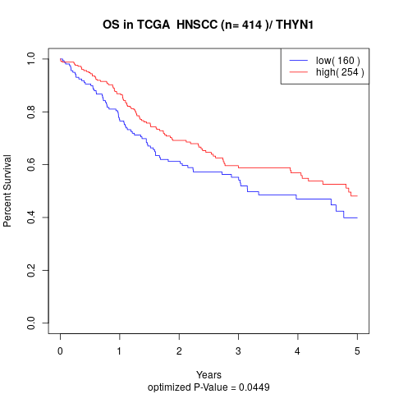

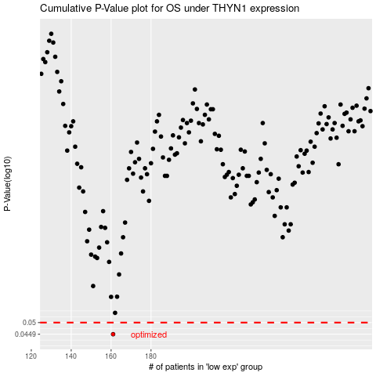

 |  |  |  |  |  | cases_OS | p_OS | rank | exp
 |  |  |  |  |  | 161 | 0.0449 | 174 | -0.49357114295
 |  |  |  |  |  |  | cases_RFS | p_RFS | rank | exp
 |  |  |  |  |  |  | 160 | 0.0449 | 247 | -0.49417381495

