TICAM1 _multivariate
Reported by Tex Li-Hsing Chi. tex@gate.sinica.edu.tw 2019-08-15

Table 2. The clinicopathological features of HNSCC cohort and TICAM1 expression. (Chi square test)
Cutoff at -0.49 (33.3%)
 |  | TICAM1 expression |  | TICAM1 expression |  | (Optimised)
 | Features | Low | (%) | High | (%) | Case no | P-value | Remark | Matthews
Gender | Female | 109 | 26.3 | 197 | 47.5 | 415 | 0.1102 | 0 | 0
2 | Male | 29 | 7 | 80 | 19.3
Age at diagnosis | <=65y | 93 | 22.4 | 181 | 43.6 | 415 | 0.7603 | 0 | 0
4 | >65y | 45 | 10.8 | 96 | 23.1
Clinical T Status | T1+T2 | 51 | 12.3 | 98 | 23.6 | 415 | 0.836 | 0 | 0
6 | T3+T4 | 87 | 21 | 179 | 43.1
Clinical N Status | N0 | 71 | 17.1 | 145 | 34.9 | 415 | 0.9457 | 0 | 0
8 | N1-3 | 67 | 16.1 | 132 | 31.8
Clinical M Status | M0 | 136 | 32.8 | 276 | 66.5 | 415 | 0.2576 | 0 | 0
10 | M1 | 2 | 0.5 | 1 | 0.2
Clinical Stage | Stage I+II | 35 | 8.4 | 67 | 16.1 | 415 | 0.888 | 0 | 0
12 | Stage III+IV | 103 | 24.8 | 210 | 50.6
Surgical Margin status | Negative | 99 | 23.9 | 219 | 52.8 | 415 | 0.1097 | 0 | 0
14 | Positive | 39 | 9.4 | 58 | 14
Tobacco Exposure | Low | 52 | 12.5 | 109 | 26.3 | 415 | 0.7499 | 0 | 0
16 | High | 86 | 20.7 | 168 | 40.5

Table 3. Univariate/Multivariate Cox's proportional hazards regression analyses on OS time of TICAM1 gene expression in HNSCC

 |  | Univariate |  |  |  | Multivariate
 | Features | HR | CI95%(L) | CI95%(H) | P-value | HR | CI95%(L) | CI95%(H) | P-value
1 | Female | 1 |  |  |  | 1
Gender | Male | 1.157 | 0.843 | 1.587 | 0.367 | 1.244 | 0.889 | 1.741 | 0.202
11 | <=65y | 1 |  |  |  | 1
Age at diagnosis | >65y | 1.329 | 0.99 | 1.784 | 0.058 | 1.408 | 1.035 | 1.916 | 0.029
12 | T1+T2 | 1 |  |  |  | 1
Clinical T Status | T3+T4 | 1.409 | 1.028 | 1.931 | 0.033 | 2.269 | 1.198 | 4.298 | 0.012
13 | N0 | 1 |  |  |  | 1
Clinical N Status | N1-3 | 1.185 | 0.89 | 1.577 | 0.246 | 1.26 | 0.882 | 1.799 | 0.204
14 | M0 | 1 |  |  |  | 1
Clinical M Status | M1 | 4.097 | 1.009 | 16.644 | 0.049 | 8.86 | 1.929 | 40.688 | 0.005
15 | Stage I+II | 1 |  |  |  | 1
Clinical Stage | Stage III+IV | 1.245 | 0.882 | 1.759 | 0.213 | 0.495 | 0.231 | 1.063 | 0.072
16 | Negative | 1 |  |  |  | 1
Surgical Margin status | Positive | 1.591 | 1.155 | 2.191 | 0.004 | 1.635 | 1.182 | 2.262 | 0.003
17 | Low | 1 |  |  |  | 1
Tobacco Exposure | High | 1.364 | 1.008 | 1.844 | 0.044 | 1.436 | 1.044 | 1.976 | 0.026
18 | Low | 1 |  |  |  | 1
RNAseq(z-score) | High | 0.742 | 0.55 | 1.001 | 0.051 | 0.728 | 0.537 | 0.987 | 0.041

Table 4. Univariate/Multivariate Cox's proportional hazards regression analyses on RFS time of TICAM1 gene expression in HNSCC

 |  | Univariate |  |  |  | Multivariate
 | Features | HR | CI95%(L) | CI95%(H) | P-value | HR | CI95%(L) | CI95%(H) | P-value
1 | Female | 1 |  |  |  | 1
Gender | Male | 1.157 | 0.843 | 1.587 | 0.367 | 1.244 | 0.889 | 1.741 | 0.202
11 | <=65y | 1 |  |  |  | 1
Age at diagnosis | >65y | 1.329 | 0.99 | 1.784 | 0.058 | 1.408 | 1.035 | 1.916 | 0.029
12 | T1+T2 | 1 |  |  |  | 1
Clinical T Status | T3+T4 | 1.409 | 1.028 | 1.931 | 0.033 | 2.269 | 1.198 | 4.298 | 0.012
13 | N0 | 1 |  |  |  | 1
Clinical N Status | N1-3 | 1.185 | 0.89 | 1.577 | 0.246 | 1.26 | 0.882 | 1.799 | 0.204
14 | M0 | 1 |  |  |  | 1
Clinical M Status | M1 | 4.097 | 1.009 | 16.644 | 0.049 | 8.86 | 1.929 | 40.688 | 0.005
15 | Stage I+II | 1 |  |  |  | 1
Clinical Stage | Stage III+IV | 1.245 | 0.882 | 1.759 | 0.213 | 0.495 | 0.231 | 1.063 | 0.072
16 | Negative | 1 |  |  |  | 1
Surgical Margin status | Positive | 1.591 | 1.155 | 2.191 | 0.004 | 1.635 | 1.182 | 2.262 | 0.003
17 | Low | 1 |  |  |  | 1
Tobacco Exposure | High | 1.364 | 1.008 | 1.844 | 0.044 | 1.436 | 1.044 | 1.976 | 0.026
18 | Low | 1 |  |  |  | 1
RNAseq(z-score) | High | 0.742 | 0.55 | 1.001 | 0.051 | 0.728 | 0.537 | 0.987 | 0.041

Kaplan-Meier survival estimate: Cutoff at -0.49 (33.3%)



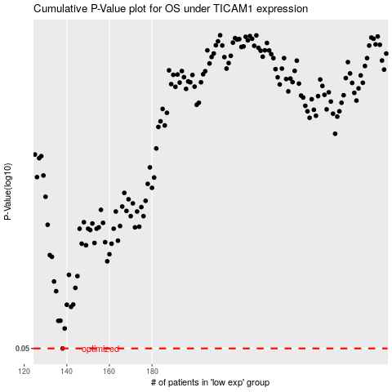

 |  |  |  |  |  | cases_OS | p_OS | rank | exp
 |  |  |  |  |  | 138 | 0.05 | 288 | -0.48975000824
 |  |  |  |  |  |  | cases_RFS | p_RFS | rank | exp
 |  |  |  |  |  |  | 137 | 0.05 | 253 | -0.4981868777

