TICAM2 _multivariate
Reported by Tex Li-Hsing Chi. tex@gate.sinica.edu.tw 2019-08-15

Table 2. The clinicopathological features of HNSCC cohort and TICAM2 expression. (Chi square test)
Cutoff at -0.1 (49.8%)
 |  | TICAM2 expression |  | TICAM2 expression |  | (Optimised)
 | Features | Low | (%) | High | (%) | Case no | P-value | Remark | Matthews
Gender | Female | 151 | 36.4 | 155 | 37.3 | 415 | 0.8007 | 0 | 0
2 | Male | 56 | 13.5 | 53 | 12.8
Age at diagnosis | <=65y | 137 | 33 | 137 | 33 | 415 | 1 | 0 | 0
4 | >65y | 70 | 16.9 | 71 | 17.1
Clinical T Status | T1+T2 | 62 | 14.9 | 87 | 21 | 415 | 0.0156 | 1 | 0
6 | T3+T4 | 145 | 34.9 | 121 | 29.2
Clinical N Status | N0 | 119 | 28.7 | 97 | 23.4 | 415 | 0.0345 | 1 | 0
8 | N1-3 | 88 | 21.2 | 111 | 26.7
Clinical M Status | M0 | 206 | 49.6 | 206 | 49.6 | 415 | 1 | 0 | 0
10 | M1 | 1 | 0.2 | 2 | 0.5
Clinical Stage | Stage I+II | 47 | 11.3 | 55 | 13.3 | 415 | 0.4413 | 0 | 0
12 | Stage III+IV | 160 | 38.6 | 153 | 36.9
Surgical Margin status | Negative | 158 | 38.1 | 160 | 38.6 | 415 | 0.9081 | 0 | 0
14 | Positive | 49 | 11.8 | 48 | 11.6
Tobacco Exposure | Low | 83 | 20 | 78 | 18.8 | 415 | 0.6152 | 0 | 0
16 | High | 124 | 29.9 | 130 | 31.3

Table 3. Univariate/Multivariate Cox's proportional hazards regression analyses on OS time of TICAM2 gene expression in HNSCC

 |  | Univariate |  |  |  | Multivariate
 | Features | HR | CI95%(L) | CI95%(H) | P-value | HR | CI95%(L) | CI95%(H) | P-value
1 | Female | 1 |  |  |  | 1
Gender | Male | 1.157 | 0.843 | 1.587 | 0.367 | 1.199 | 0.858 | 1.676 | 0.288
11 | <=65y | 1 |  |  |  | 1
Age at diagnosis | >65y | 1.329 | 0.99 | 1.784 | 0.058 | 1.395 | 1.026 | 1.897 | 0.034
12 | T1+T2 | 1 |  |  |  | 1
Clinical T Status | T3+T4 | 1.409 | 1.028 | 1.931 | 0.033 | 2.182 | 1.151 | 4.136 | 0.017
13 | N0 | 1 |  |  |  | 1
Clinical N Status | N1-3 | 1.185 | 0.89 | 1.577 | 0.246 | 1.251 | 0.874 | 1.791 | 0.222
14 | M0 | 1 |  |  |  | 1
Clinical M Status | M1 | 4.097 | 1.009 | 16.644 | 0.049 | 9.352 | 2.039 | 42.889 | 0.004
15 | Stage I+II | 1 |  |  |  | 1
Clinical Stage | Stage III+IV | 1.245 | 0.882 | 1.759 | 0.213 | 0.503 | 0.234 | 1.079 | 0.078
16 | Negative | 1 |  |  |  | 1
Surgical Margin status | Positive | 1.591 | 1.155 | 2.191 | 0.004 | 1.676 | 1.212 | 2.316 | 0.002
17 | Low | 1 |  |  |  | 1
Tobacco Exposure | High | 1.364 | 1.008 | 1.844 | 0.044 | 1.457 | 1.057 | 2.008 | 0.022
18 | Low | 1 |  |  |  | 1
RNAseq(z-score) | High | 0.942 | 0.707 | 1.255 | 0.682 | 0.954 | 0.71 | 1.282 | 0.756

Table 4. Univariate/Multivariate Cox's proportional hazards regression analyses on RFS time of TICAM2 gene expression in HNSCC

 |  | Univariate |  |  |  | Multivariate
 | Features | HR | CI95%(L) | CI95%(H) | P-value | HR | CI95%(L) | CI95%(H) | P-value
1 | Female | 1 |  |  |  | 1
Gender | Male | 1.157 | 0.843 | 1.587 | 0.367 | 1.199 | 0.858 | 1.676 | 0.288
11 | <=65y | 1 |  |  |  | 1
Age at diagnosis | >65y | 1.329 | 0.99 | 1.784 | 0.058 | 1.395 | 1.026 | 1.897 | 0.034
12 | T1+T2 | 1 |  |  |  | 1
Clinical T Status | T3+T4 | 1.409 | 1.028 | 1.931 | 0.033 | 2.182 | 1.151 | 4.136 | 0.017
13 | N0 | 1 |  |  |  | 1
Clinical N Status | N1-3 | 1.185 | 0.89 | 1.577 | 0.246 | 1.251 | 0.874 | 1.791 | 0.222
14 | M0 | 1 |  |  |  | 1
Clinical M Status | M1 | 4.097 | 1.009 | 16.644 | 0.049 | 9.352 | 2.039 | 42.889 | 0.004
15 | Stage I+II | 1 |  |  |  | 1
Clinical Stage | Stage III+IV | 1.245 | 0.882 | 1.759 | 0.213 | 0.503 | 0.234 | 1.079 | 0.078
16 | Negative | 1 |  |  |  | 1
Surgical Margin status | Positive | 1.591 | 1.155 | 2.191 | 0.004 | 1.676 | 1.212 | 2.316 | 0.002
17 | Low | 1 |  |  |  | 1
Tobacco Exposure | High | 1.364 | 1.008 | 1.844 | 0.044 | 1.457 | 1.057 | 2.008 | 0.022
18 | Low | 1 |  |  |  | 1
RNAseq(z-score) | High | 0.942 | 0.707 | 1.255 | 0.682 | 0.954 | 0.71 | 1.282 | 0.756

Kaplan-Meier survival estimate: Cutoff at -0.1 (49.8%)



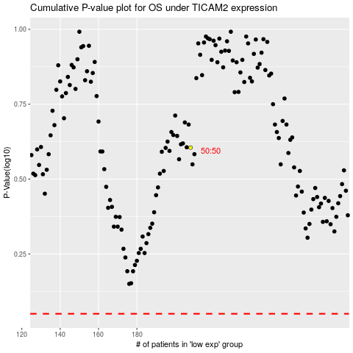

 |  |  |  |  |  | cases_OS | p_OS | rank | exp
 |  |  |  |  |  |  | cases_RFS | p_RFS | rank | exp

