TIE1 _multivariate
Reported by Tex Li-Hsing Chi. tex@gate.sinica.edu.tw 2019-08-15

Table 2. The clinicopathological features of HNSCC cohort and TIE1 expression. (Chi square test)
Cutoff at -0.551 (30.4%)
 |  | TIE1 expression |  | TIE1 expression |  | (Optimised)
 | Features | Low | (%) | High | (%) | Case no | P-value | Remark | Matthews
Gender | Female | 90 | 21.7 | 216 | 52 | 415 | 0.5594 | 0 | 0
2 | Male | 36 | 8.7 | 73 | 17.6
Age at diagnosis | <=65y | 82 | 19.8 | 192 | 46.3 | 415 | 0.8763 | 0 | 0
4 | >65y | 44 | 10.6 | 97 | 23.4
Clinical T Status | T1+T2 | 47 | 11.3 | 102 | 24.6 | 415 | 0.7789 | 0 | 0
6 | T3+T4 | 79 | 19 | 187 | 45.1
Clinical N Status | N0 | 72 | 17.3 | 144 | 34.7 | 415 | 0.2059 | 0 | 0
8 | N1-3 | 54 | 13 | 145 | 34.9
Clinical M Status | M0 | 124 | 29.9 | 288 | 69.4 | 415 | 0.22 | 0 | 0
10 | M1 | 2 | 0.5 | 1 | 0.2
Clinical Stage | Stage I+II | 32 | 7.7 | 70 | 16.9 | 415 | 0.8952 | 0 | 0
12 | Stage III+IV | 94 | 22.7 | 219 | 52.8
Surgical Margin status | Negative | 97 | 23.4 | 221 | 53.3 | 415 | 1 | 0 | 0
14 | Positive | 29 | 7 | 68 | 16.4
Tobacco Exposure | Low | 50 | 12 | 111 | 26.7 | 415 | 0.8271 | 0 | 0
16 | High | 76 | 18.3 | 178 | 42.9

Table 3. Univariate/Multivariate Cox's proportional hazards regression analyses on OS time of TIE1 gene expression in HNSCC

 |  | Univariate |  |  |  | Multivariate
 | Features | HR | CI95%(L) | CI95%(H) | P-value | HR | CI95%(L) | CI95%(H) | P-value
1 | Female | 1 |  |  |  | 1
Gender | Male | 1.157 | 0.843 | 1.587 | 0.367 | 1.179 | 0.843 | 1.647 | 0.336
11 | <=65y | 1 |  |  |  | 1
Age at diagnosis | >65y | 1.329 | 0.99 | 1.784 | 0.058 | 1.357 | 0.999 | 1.844 | 0.051
12 | T1+T2 | 1 |  |  |  | 1
Clinical T Status | T3+T4 | 1.409 | 1.028 | 1.931 | 0.033 | 2.291 | 1.209 | 4.34 | 0.011
13 | N0 | 1 |  |  |  | 1
Clinical N Status | N1-3 | 1.185 | 0.89 | 1.577 | 0.246 | 1.273 | 0.892 | 1.818 | 0.184
14 | M0 | 1 |  |  |  | 1
Clinical M Status | M1 | 4.097 | 1.009 | 16.644 | 0.049 | 8.603 | 1.872 | 39.542 | 0.006
15 | Stage I+II | 1 |  |  |  | 1
Clinical Stage | Stage III+IV | 1.245 | 0.882 | 1.759 | 0.213 | 0.481 | 0.224 | 1.032 | 0.06
16 | Negative | 1 |  |  |  | 1
Surgical Margin status | Positive | 1.591 | 1.155 | 2.191 | 0.004 | 1.688 | 1.221 | 2.333 | 0.002
17 | Low | 1 |  |  |  | 1
Tobacco Exposure | High | 1.364 | 1.008 | 1.844 | 0.044 | 1.447 | 1.05 | 1.994 | 0.024
18 | Low | 1 |  |  |  | 1
RNAseq(z-score) | High | 0.689 | 0.509 | 0.932 | 0.016 | 0.684 | 0.504 | 0.928 | 0.015

Table 4. Univariate/Multivariate Cox's proportional hazards regression analyses on RFS time of TIE1 gene expression in HNSCC

 |  | Univariate |  |  |  | Multivariate
 | Features | HR | CI95%(L) | CI95%(H) | P-value | HR | CI95%(L) | CI95%(H) | P-value
1 | Female | 1 |  |  |  | 1
Gender | Male | 1.157 | 0.843 | 1.587 | 0.367 | 1.179 | 0.843 | 1.647 | 0.336
11 | <=65y | 1 |  |  |  | 1
Age at diagnosis | >65y | 1.329 | 0.99 | 1.784 | 0.058 | 1.357 | 0.999 | 1.844 | 0.051
12 | T1+T2 | 1 |  |  |  | 1
Clinical T Status | T3+T4 | 1.409 | 1.028 | 1.931 | 0.033 | 2.291 | 1.209 | 4.34 | 0.011
13 | N0 | 1 |  |  |  | 1
Clinical N Status | N1-3 | 1.185 | 0.89 | 1.577 | 0.246 | 1.273 | 0.892 | 1.818 | 0.184
14 | M0 | 1 |  |  |  | 1
Clinical M Status | M1 | 4.097 | 1.009 | 16.644 | 0.049 | 8.603 | 1.872 | 39.542 | 0.006
15 | Stage I+II | 1 |  |  |  | 1
Clinical Stage | Stage III+IV | 1.245 | 0.882 | 1.759 | 0.213 | 0.481 | 0.224 | 1.032 | 0.06
16 | Negative | 1 |  |  |  | 1
Surgical Margin status | Positive | 1.591 | 1.155 | 2.191 | 0.004 | 1.688 | 1.221 | 2.333 | 0.002
17 | Low | 1 |  |  |  | 1
Tobacco Exposure | High | 1.364 | 1.008 | 1.844 | 0.044 | 1.447 | 1.05 | 1.994 | 0.024
18 | Low | 1 |  |  |  | 1
RNAseq(z-score) | High | 0.689 | 0.509 | 0.932 | 0.016 | 0.684 | 0.504 | 0.928 | 0.015

Kaplan-Meier survival estimate: Cutoff at -0.551 (30.4%)

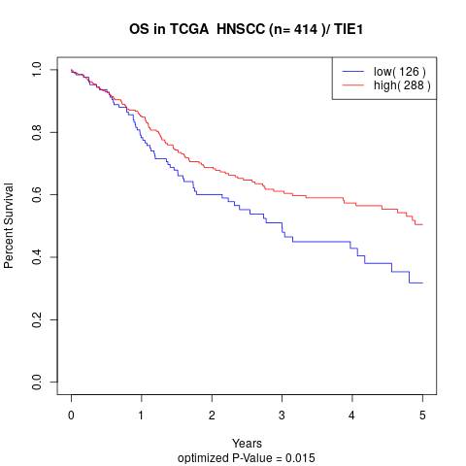

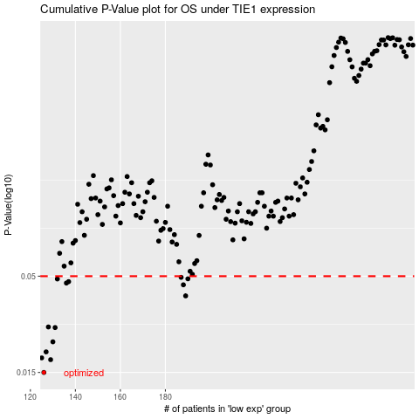

 |  |  |  |  |  | cases_OS | p_OS | rank | exp
 |  |  |  |  |  | 126 | 0.015 | 164 | -0.55104822804
 |  |  |  |  |  | 129 | 0.0176 | 314 | -0.53999108647
 |  |  |  |  |  | 125 | 0.018 | 244 | -0.56124045761
 |  |  |  |  |  | 127 | 0.0194 | 44 | -0.54654360938
 |  |  |  |  |  | 130 | 0.022 | 378 | -0.53977179327
 |  |  |  |  |  | 131 | 0.0263 | 177 | -0.5388760541
 |  |  |  |  |  | 128 | 0.0265 | 85 | -0.54380699837
 |  |  |  |  |  | 189 | 0.0391 | 327 | -0.34178821553
 |  |  |  |  |  | 188 | 0.0449 | 142 | -0.35186134016
 |  |  |  |  |  | 136 | 0.0459 | 154 | -0.51901215358
 |  |  |  |  |  | 137 | 0.0467 | 130 | -0.51712328945
 |  |  |  |  |  | 132 | 0.0483 | 195 | -0.53710769614
 |  |  |  |  |  | 190 | 0.0484 | 331 | -0.34125259363
 |  |  |  |  |  | 187 | 0.0493 | 256 | -0.35231113644
 |  |  |  |  |  |  | cases_RFS | p_RFS | rank | exp
 |  |  |  |  |  |  | 125 | 0.015 | 244 | -0.56124045761
 |  |  |  |  |  |  | 128 | 0.0176 | 85 | -0.54380699837
 |  |  |  |  |  |  |  | 0.018 | 80 | -0.56174560266
 |  |  |  |  |  |  | 126 | 0.0194 | 164 | -0.55104822804
 |  |  |  |  |  |  | 129 | 0.022 | 314 | -0.53999108647
 |  |  |  |  |  |  | 130 | 0.0263 | 378 | -0.53977179327
 |  |  |  |  |  |  | 127 | 0.0265 | 44 | -0.54654360938
 |  |  |  |  |  |  | 188 | 0.0391 | 142 | -0.35186134016
 |  |  |  |  |  |  | 187 | 0.0449 | 256 | -0.35231113644
 |  |  |  |  |  |  | 135 | 0.0459 | 411 | -0.51918135265
 |  |  |  |  |  |  | 136 | 0.0467 | 154 | -0.51901215358
 |  |  |  |  |  |  | 131 | 0.0483 | 177 | -0.5388760541
 |  |  |  |  |  |  | 189 | 0.0484 | 327 | -0.34178821553
 |  |  |  |  |  |  | 186 | 0.0493 | 74 | -0.35789295414

