TIGD5 _multivariate
Reported by Tex Li-Hsing Chi. tex@gate.sinica.edu.tw 2019-08-15

Table 2. The clinicopathological features of HNSCC cohort and TIGD5 expression. (Chi square test)
Cutoff at 0.099 (59.9%)
 |  | TIGD5 expression |  | TIGD5 expression |  | (Optimised)
 | Features | Low | (%) | High | (%) | Case no | P-value | Remark | Matthews
Gender | Female | 189 | 45.5 | 117 | 28.2 | 415 | 0.2646 | 0 | 0
2 | Male | 60 | 14.5 | 49 | 11.8
Age at diagnosis | <=65y | 165 | 39.8 | 109 | 26.3 | 415 | 0.9831 | 0 | 0
4 | >65y | 84 | 20.2 | 57 | 13.7
Clinical T Status | T1+T2 | 89 | 21.4 | 60 | 14.5 | 415 | 1 | 0 | 0
6 | T3+T4 | 160 | 38.6 | 106 | 25.5
Clinical N Status | N0 | 121 | 29.2 | 95 | 22.9 | 415 | 0.1042 | 0 | 0
8 | N1-3 | 128 | 30.8 | 71 | 17.1
Clinical M Status | M0 | 248 | 59.8 | 164 | 39.5 | 415 | 0.5666 | 0 | 0
10 | M1 | 1 | 0.2 | 2 | 0.5
Clinical Stage | Stage I+II | 59 | 14.2 | 43 | 10.4 | 415 | 0.6924 | 0 | 0
12 | Stage III+IV | 190 | 45.8 | 123 | 29.6
Surgical Margin status | Negative | 184 | 44.3 | 134 | 32.3 | 415 | 0.124 | 0 | 0
14 | Positive | 65 | 15.7 | 32 | 7.7
Tobacco Exposure | Low | 96 | 23.1 | 65 | 15.7 | 415 | 0.9184 | 0 | 0
16 | High | 153 | 36.9 | 101 | 24.3

Table 3. Univariate/Multivariate Cox's proportional hazards regression analyses on OS time of TIGD5 gene expression in HNSCC

 |  | Univariate |  |  |  | Multivariate
 | Features | HR | CI95%(L) | CI95%(H) | P-value | HR | CI95%(L) | CI95%(H) | P-value
1 | Female | 1 |  |  |  | 1
Gender | Male | 1.157 | 0.843 | 1.587 | 0.367 | 1.236 | 0.887 | 1.723 | 0.212
11 | <=65y | 1 |  |  |  | 1
Age at diagnosis | >65y | 1.329 | 0.99 | 1.784 | 0.058 | 1.378 | 1.014 | 1.872 | 0.041
12 | T1+T2 | 1 |  |  |  | 1
Clinical T Status | T3+T4 | 1.409 | 1.028 | 1.931 | 0.033 | 2.306 | 1.217 | 4.367 | 0.01
13 | N0 | 1 |  |  |  | 1
Clinical N Status | N1-3 | 1.185 | 0.89 | 1.577 | 0.246 | 1.247 | 0.874 | 1.779 | 0.223
14 | M0 | 1 |  |  |  | 1
Clinical M Status | M1 | 4.097 | 1.009 | 16.644 | 0.049 | 10.729 | 2.33 | 49.39 | 0.002
15 | Stage I+II | 1 |  |  |  | 1
Clinical Stage | Stage III+IV | 1.245 | 0.882 | 1.759 | 0.213 | 0.48 | 0.223 | 1.032 | 0.06
16 | Negative | 1 |  |  |  | 1
Surgical Margin status | Positive | 1.591 | 1.155 | 2.191 | 0.004 | 1.676 | 1.212 | 2.318 | 0.002
17 | Low | 1 |  |  |  | 1
Tobacco Exposure | High | 1.364 | 1.008 | 1.844 | 0.044 | 1.445 | 1.05 | 1.99 | 0.024
18 | Low | 1 |  |  |  | 1
RNAseq(z-score) | High | 0.715 | 0.529 | 0.968 | 0.03 | 0.684 | 0.504 | 0.929 | 0.015

Table 4. Univariate/Multivariate Cox's proportional hazards regression analyses on RFS time of TIGD5 gene expression in HNSCC

 |  | Univariate |  |  |  | Multivariate
 | Features | HR | CI95%(L) | CI95%(H) | P-value | HR | CI95%(L) | CI95%(H) | P-value
1 | Female | 1 |  |  |  | 1
Gender | Male | 1.157 | 0.843 | 1.587 | 0.367 | 1.236 | 0.887 | 1.723 | 0.212
11 | <=65y | 1 |  |  |  | 1
Age at diagnosis | >65y | 1.329 | 0.99 | 1.784 | 0.058 | 1.378 | 1.014 | 1.872 | 0.041
12 | T1+T2 | 1 |  |  |  | 1
Clinical T Status | T3+T4 | 1.409 | 1.028 | 1.931 | 0.033 | 2.306 | 1.217 | 4.367 | 0.01
13 | N0 | 1 |  |  |  | 1
Clinical N Status | N1-3 | 1.185 | 0.89 | 1.577 | 0.246 | 1.247 | 0.874 | 1.779 | 0.223
14 | M0 | 1 |  |  |  | 1
Clinical M Status | M1 | 4.097 | 1.009 | 16.644 | 0.049 | 10.729 | 2.33 | 49.39 | 0.002
15 | Stage I+II | 1 |  |  |  | 1
Clinical Stage | Stage III+IV | 1.245 | 0.882 | 1.759 | 0.213 | 0.48 | 0.223 | 1.032 | 0.06
16 | Negative | 1 |  |  |  | 1
Surgical Margin status | Positive | 1.591 | 1.155 | 2.191 | 0.004 | 1.676 | 1.212 | 2.318 | 0.002
17 | Low | 1 |  |  |  | 1
Tobacco Exposure | High | 1.364 | 1.008 | 1.844 | 0.044 | 1.445 | 1.05 | 1.99 | 0.024
18 | Low | 1 |  |  |  | 1
RNAseq(z-score) | High | 0.715 | 0.529 | 0.968 | 0.03 | 0.684 | 0.504 | 0.929 | 0.015

Kaplan-Meier survival estimate: Cutoff at 0.099 (59.9%)



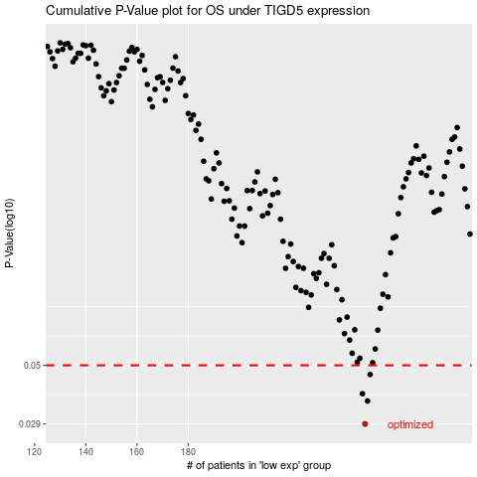

 |  |  |  |  |  | cases_OS | p_OS | rank | exp
 |  |  |  |  |  | 249 | 0.029 | 150 | 0.09879272815
 |  |  |  |  |  | 250 | 0.0359 | 397 | 0.10357256168
 |  |  |  |  |  | 248 | 0.0384 | 137 | 0.094867706709
 |  |  |  |  |  | 251 | 0.0459 | 312 | 0.10427341867
 |  |  |  |  |  |  | cases_RFS | p_RFS | rank | exp
 |  |  |  |  |  |  | 248 | 0.029 | 137 | 0.094867706709
 |  |  |  |  |  |  | 249 | 0.0359 | 150 | 0.09879272815
 |  |  |  |  |  |  | 247 | 0.0384 | 201 | 0.092860732421
 |  |  |  |  |  |  | 250 | 0.0459 | 397 | 0.10357256168

