TIMD4 _multivariate
Reported by Tex Li-Hsing Chi. tex@gate.sinica.edu.tw 2019-08-15

Table 2. The clinicopathological features of HNSCC cohort and TIMD4 expression. (Chi square test)
Cutoff at -0.258 (49.5%)
 |  | TIMD4 expression |  | TIMD4 expression |  | (Optimised)
 | Features | Low | (%) | High | (%) | Case no | P-value | Remark | Matthews
Gender | Female | 154 | 37.1 | 152 | 36.6 | 415 | 0.7201 | 0 | 0
2 | Male | 52 | 12.5 | 57 | 13.7
Age at diagnosis | <=65y | 141 | 34 | 133 | 32 | 415 | 0.352 | 0 | 0
4 | >65y | 65 | 15.7 | 76 | 18.3
Clinical T Status | T1+T2 | 79 | 19 | 70 | 16.9 | 415 | 0.353 | 0 | 0
6 | T3+T4 | 127 | 30.6 | 139 | 33.5
Clinical N Status | N0 | 115 | 27.7 | 101 | 24.3 | 415 | 0.1525 | 1 | 0
8 | N1-3 | 91 | 21.9 | 108 | 26
Clinical M Status | M0 | 204 | 49.2 | 208 | 50.1 | 415 | 0.6214 | 0 | 0
10 | M1 | 2 | 0.5 | 1 | 0.2
Clinical Stage | Stage I+II | 60 | 14.5 | 42 | 10.1 | 415 | 0.0431 | 1 | 0
12 | Stage III+IV | 146 | 35.2 | 167 | 40.2
Surgical Margin status | Negative | 163 | 39.3 | 155 | 37.3 | 415 | 0.2476 | 0 | 0
14 | Positive | 43 | 10.4 | 54 | 13
Tobacco Exposure | Low | 75 | 18.1 | 86 | 20.7 | 415 | 0.3647 | 0 | 0
16 | High | 131 | 31.6 | 123 | 29.6

Table 3. Univariate/Multivariate Cox's proportional hazards regression analyses on OS time of TIMD4 gene expression in HNSCC

 |  | Univariate |  |  |  | Multivariate
 | Features | HR | CI95%(L) | CI95%(H) | P-value | HR | CI95%(L) | CI95%(H) | P-value
1 | Female | 1 |  |  |  | 1
Gender | Male | 1.157 | 0.843 | 1.587 | 0.367 | 1.202 | 0.861 | 1.679 | 0.279
11 | <=65y | 1 |  |  |  | 1
Age at diagnosis | >65y | 1.329 | 0.99 | 1.784 | 0.058 | 1.394 | 1.025 | 1.896 | 0.034
12 | T1+T2 | 1 |  |  |  | 1
Clinical T Status | T3+T4 | 1.409 | 1.028 | 1.931 | 0.033 | 2.202 | 1.165 | 4.163 | 0.015
13 | N0 | 1 |  |  |  | 1
Clinical N Status | N1-3 | 1.185 | 0.89 | 1.577 | 0.246 | 1.249 | 0.875 | 1.783 | 0.221
14 | M0 | 1 |  |  |  | 1
Clinical M Status | M1 | 4.097 | 1.009 | 16.644 | 0.049 | 9.689 | 2.109 | 44.521 | 0.004
15 | Stage I+II | 1 |  |  |  | 1
Clinical Stage | Stage III+IV | 1.245 | 0.882 | 1.759 | 0.213 | 0.498 | 0.232 | 1.07 | 0.074
16 | Negative | 1 |  |  |  | 1
Surgical Margin status | Positive | 1.591 | 1.155 | 2.191 | 0.004 | 1.644 | 1.186 | 2.28 | 0.003
17 | Low | 1 |  |  |  | 1
Tobacco Exposure | High | 1.364 | 1.008 | 1.844 | 0.044 | 1.466 | 1.063 | 2.021 | 0.02
18 | Low | 1 |  |  |  | 1
RNAseq(z-score) | High | 1.119 | 0.84 | 1.491 | 0.441 | 1.104 | 0.824 | 1.479 | 0.508

Table 4. Univariate/Multivariate Cox's proportional hazards regression analyses on RFS time of TIMD4 gene expression in HNSCC

 |  | Univariate |  |  |  | Multivariate
 | Features | HR | CI95%(L) | CI95%(H) | P-value | HR | CI95%(L) | CI95%(H) | P-value
1 | Female | 1 |  |  |  | 1
Gender | Male | 1.157 | 0.843 | 1.587 | 0.367 | 1.202 | 0.861 | 1.679 | 0.279
11 | <=65y | 1 |  |  |  | 1
Age at diagnosis | >65y | 1.329 | 0.99 | 1.784 | 0.058 | 1.394 | 1.025 | 1.896 | 0.034
12 | T1+T2 | 1 |  |  |  | 1
Clinical T Status | T3+T4 | 1.409 | 1.028 | 1.931 | 0.033 | 2.202 | 1.165 | 4.163 | 0.015
13 | N0 | 1 |  |  |  | 1
Clinical N Status | N1-3 | 1.185 | 0.89 | 1.577 | 0.246 | 1.249 | 0.875 | 1.783 | 0.221
14 | M0 | 1 |  |  |  | 1
Clinical M Status | M1 | 4.097 | 1.009 | 16.644 | 0.049 | 9.689 | 2.109 | 44.521 | 0.004
15 | Stage I+II | 1 |  |  |  | 1
Clinical Stage | Stage III+IV | 1.245 | 0.882 | 1.759 | 0.213 | 0.498 | 0.232 | 1.07 | 0.074
16 | Negative | 1 |  |  |  | 1
Surgical Margin status | Positive | 1.591 | 1.155 | 2.191 | 0.004 | 1.644 | 1.186 | 2.28 | 0.003
17 | Low | 1 |  |  |  | 1
Tobacco Exposure | High | 1.364 | 1.008 | 1.844 | 0.044 | 1.466 | 1.063 | 2.021 | 0.02
18 | Low | 1 |  |  |  | 1
RNAseq(z-score) | High | 1.119 | 0.84 | 1.491 | 0.441 | 1.104 | 0.824 | 1.479 | 0.508

Kaplan-Meier survival estimate: Cutoff at -0.258 (49.5%)



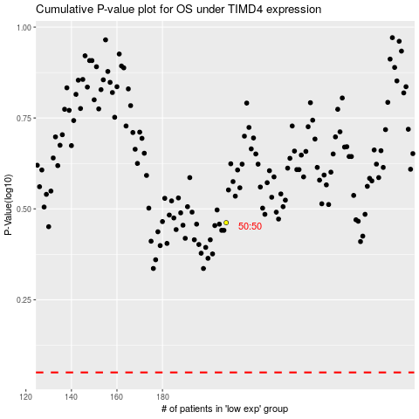

 |  |  |  |  |  | cases_OS | p_OS | rank | exp
 |  |  |  |  |  |  | cases_RFS | p_RFS | rank | exp

