TIMM16 _multivariate
Reported by Tex Li-Hsing Chi. tex@gate.sinica.edu.tw 2019-08-15

Table 2. The clinicopathological features of HNSCC cohort and TIMM16 expression. (Chi square test)
Cutoff at -0.451 (31.4%)
 |  | TIMM16 expression |  | TIMM16 expression |  | (Optimised)
 | Features | Low | (%) | High | (%) | Case no | P-value | Remark | Matthews
Gender | Female | 94 | 22.7 | 212 | 51.1 | 415 | 0.7444 | 0 | 0
2 | Male | 36 | 8.7 | 73 | 17.6
Age at diagnosis | <=65y | 84 | 20.2 | 190 | 45.8 | 415 | 0.7661 | 0 | 0
4 | >65y | 46 | 11.1 | 95 | 22.9
Clinical T Status | T1+T2 | 49 | 11.8 | 100 | 24.1 | 415 | 0.6872 | 0 | 0
6 | T3+T4 | 81 | 19.5 | 185 | 44.6
Clinical N Status | N0 | 67 | 16.1 | 149 | 35.9 | 415 | 0.9725 | 0 | 0
8 | N1-3 | 63 | 15.2 | 136 | 32.8
Clinical M Status | M0 | 130 | 31.3 | 282 | 68 | 415 | 0.5551 | 0 | 0
10 | M1 | 0 | 0 | 3 | 0.7
Clinical Stage | Stage I+II | 34 | 8.2 | 68 | 16.4 | 415 | 0.7035 | 0 | 0
12 | Stage III+IV | 96 | 23.1 | 217 | 52.3
Surgical Margin status | Negative | 101 | 24.3 | 217 | 52.3 | 415 | 0.8029 | 0 | 0
14 | Positive | 29 | 7 | 68 | 16.4
Tobacco Exposure | Low | 60 | 14.5 | 101 | 24.3 | 415 | 0.0398 | 1 | 0
16 | High | 70 | 16.9 | 184 | 44.3

Table 3. Univariate/Multivariate Cox's proportional hazards regression analyses on OS time of TIMM16 gene expression in HNSCC

 |  | Univariate |  |  |  | Multivariate
 | Features | HR | CI95%(L) | CI95%(H) | P-value | HR | CI95%(L) | CI95%(H) | P-value
1 | Female | 1 |  |  |  | 1
Gender | Male | 1.157 | 0.843 | 1.587 | 0.367 | 1.207 | 0.862 | 1.689 | 0.274
11 | <=65y | 1 |  |  |  | 1
Age at diagnosis | >65y | 1.329 | 0.99 | 1.784 | 0.058 | 1.42 | 1.045 | 1.93 | 0.025
12 | T1+T2 | 1 |  |  |  | 1
Clinical T Status | T3+T4 | 1.409 | 1.028 | 1.931 | 0.033 | 2.166 | 1.147 | 4.09 | 0.017
13 | N0 | 1 |  |  |  | 1
Clinical N Status | N1-3 | 1.185 | 0.89 | 1.577 | 0.246 | 1.233 | 0.865 | 1.759 | 0.247
14 | M0 | 1 |  |  |  | 1
Clinical M Status | M1 | 4.097 | 1.009 | 16.644 | 0.049 | 8.561 | 1.862 | 39.36 | 0.006
15 | Stage I+II | 1 |  |  |  | 1
Clinical Stage | Stage III+IV | 1.245 | 0.882 | 1.759 | 0.213 | 0.511 | 0.238 | 1.095 | 0.084
16 | Negative | 1 |  |  |  | 1
Surgical Margin status | Positive | 1.591 | 1.155 | 2.191 | 0.004 | 1.646 | 1.192 | 2.275 | 0.003
17 | Low | 1 |  |  |  | 1
Tobacco Exposure | High | 1.364 | 1.008 | 1.844 | 0.044 | 1.418 | 1.027 | 1.958 | 0.034
18 | Low | 1 |  |  |  | 1
RNAseq(z-score) | High | 1.402 | 1.021 | 1.925 | 0.037 | 1.331 | 0.965 | 1.836 | 0.081

Table 4. Univariate/Multivariate Cox's proportional hazards regression analyses on RFS time of TIMM16 gene expression in HNSCC

 |  | Univariate |  |  |  | Multivariate
 | Features | HR | CI95%(L) | CI95%(H) | P-value | HR | CI95%(L) | CI95%(H) | P-value
1 | Female | 1 |  |  |  | 1
Gender | Male | 1.157 | 0.843 | 1.587 | 0.367 | 1.207 | 0.862 | 1.689 | 0.274
11 | <=65y | 1 |  |  |  | 1
Age at diagnosis | >65y | 1.329 | 0.99 | 1.784 | 0.058 | 1.42 | 1.045 | 1.93 | 0.025
12 | T1+T2 | 1 |  |  |  | 1
Clinical T Status | T3+T4 | 1.409 | 1.028 | 1.931 | 0.033 | 2.166 | 1.147 | 4.09 | 0.017
13 | N0 | 1 |  |  |  | 1
Clinical N Status | N1-3 | 1.185 | 0.89 | 1.577 | 0.246 | 1.233 | 0.865 | 1.759 | 0.247
14 | M0 | 1 |  |  |  | 1
Clinical M Status | M1 | 4.097 | 1.009 | 16.644 | 0.049 | 8.561 | 1.862 | 39.36 | 0.006
15 | Stage I+II | 1 |  |  |  | 1
Clinical Stage | Stage III+IV | 1.245 | 0.882 | 1.759 | 0.213 | 0.511 | 0.238 | 1.095 | 0.084
16 | Negative | 1 |  |  |  | 1
Surgical Margin status | Positive | 1.591 | 1.155 | 2.191 | 0.004 | 1.646 | 1.192 | 2.275 | 0.003
17 | Low | 1 |  |  |  | 1
Tobacco Exposure | High | 1.364 | 1.008 | 1.844 | 0.044 | 1.418 | 1.027 | 1.958 | 0.034
18 | Low | 1 |  |  |  | 1
RNAseq(z-score) | High | 1.402 | 1.021 | 1.925 | 0.037 | 1.331 | 0.965 | 1.836 | 0.081

Kaplan-Meier survival estimate: Cutoff at -0.451 (31.4%)



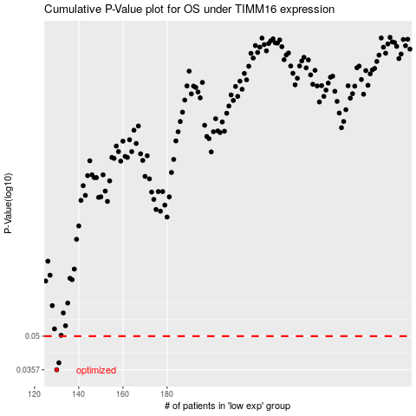

 |  |  |  |  |  | cases_OS | p_OS | rank | exp
 |  |  |  |  |  | 130 | 0.0357 | 218 | -0.45093055841
 |  |  |  |  |  | 131 | 0.0383 | 385 | -0.44928093166
 |  |  |  |  |  |  | cases_RFS | p_RFS | rank | exp
 |  |  |  |  |  |  | 129 | 0.0357 | 184 | -0.45848713797
 |  |  |  |  |  |  | 130 | 0.0383 | 218 | -0.45093055841

