TIMM44 _multivariate
Reported by Tex Li-Hsing Chi. tex@gate.sinica.edu.tw 2019-08-15

Table 2. The clinicopathological features of HNSCC cohort and TIMM44 expression. (Chi square test)
Cutoff at -0.236 (49.8%)
 |  | TIMM44 expression |  | TIMM44 expression |  | (Optimised)
 | Features | Low | (%) | High | (%) | Case no | P-value | Remark | Matthews
Gender | Female | 144 | 34.7 | 162 | 39 | 415 | 0.0697 | 0 | 0
2 | Male | 63 | 15.2 | 46 | 11.1
Age at diagnosis | <=65y | 131 | 31.6 | 143 | 34.5 | 415 | 0.2839 | 0 | 0
4 | >65y | 76 | 18.3 | 65 | 15.7
Clinical T Status | T1+T2 | 76 | 18.3 | 73 | 17.6 | 415 | 0.8092 | 0 | 0
6 | T3+T4 | 131 | 31.6 | 135 | 32.5
Clinical N Status | N0 | 101 | 24.3 | 115 | 27.7 | 415 | 0.2201 | 0 | 0
8 | N1-3 | 106 | 25.5 | 93 | 22.4
Clinical M Status | M0 | 206 | 49.6 | 206 | 49.6 | 415 | 1 | 0 | 0
10 | M1 | 1 | 0.2 | 2 | 0.5
Clinical Stage | Stage I+II | 51 | 12.3 | 51 | 12.3 | 415 | 1 | 0 | 0
12 | Stage III+IV | 156 | 37.6 | 157 | 37.8
Surgical Margin status | Negative | 162 | 39 | 156 | 37.6 | 415 | 0.4867 | 0 | 0
14 | Positive | 45 | 10.8 | 52 | 12.5
Tobacco Exposure | Low | 90 | 21.7 | 71 | 17.1 | 415 | 0.0559 | 0 | 0
16 | High | 117 | 28.2 | 137 | 33

Table 3. Univariate/Multivariate Cox's proportional hazards regression analyses on OS time of TIMM44 gene expression in HNSCC

 |  | Univariate |  |  |  | Multivariate
 | Features | HR | CI95%(L) | CI95%(H) | P-value | HR | CI95%(L) | CI95%(H) | P-value
1 | Female | 1 |  |  |  | 1
Gender | Male | 1.157 | 0.843 | 1.587 | 0.367 | 1.182 | 0.847 | 1.65 | 0.326
11 | <=65y | 1 |  |  |  | 1
Age at diagnosis | >65y | 1.329 | 0.99 | 1.784 | 0.058 | 1.388 | 1.02 | 1.889 | 0.037
12 | T1+T2 | 1 |  |  |  | 1
Clinical T Status | T3+T4 | 1.409 | 1.028 | 1.931 | 0.033 | 2.284 | 1.205 | 4.33 | 0.011
13 | N0 | 1 |  |  |  | 1
Clinical N Status | N1-3 | 1.185 | 0.89 | 1.577 | 0.246 | 1.241 | 0.87 | 1.771 | 0.234
14 | M0 | 1 |  |  |  | 1
Clinical M Status | M1 | 4.097 | 1.009 | 16.644 | 0.049 | 9.958 | 2.168 | 45.728 | 0.003
15 | Stage I+II | 1 |  |  |  | 1
Clinical Stage | Stage III+IV | 1.245 | 0.882 | 1.759 | 0.213 | 0.494 | 0.23 | 1.061 | 0.07
16 | Negative | 1 |  |  |  | 1
Surgical Margin status | Positive | 1.591 | 1.155 | 2.191 | 0.004 | 1.732 | 1.249 | 2.4 | 0.001
17 | Low | 1 |  |  |  | 1
Tobacco Exposure | High | 1.364 | 1.008 | 1.844 | 0.044 | 1.478 | 1.072 | 2.036 | 0.017
18 | Low | 1 |  |  |  | 1
RNAseq(z-score) | High | 0.851 | 0.639 | 1.134 | 0.27 | 0.775 | 0.579 | 1.037 | 0.087

Table 4. Univariate/Multivariate Cox's proportional hazards regression analyses on RFS time of TIMM44 gene expression in HNSCC

 |  | Univariate |  |  |  | Multivariate
 | Features | HR | CI95%(L) | CI95%(H) | P-value | HR | CI95%(L) | CI95%(H) | P-value
1 | Female | 1 |  |  |  | 1
Gender | Male | 1.157 | 0.843 | 1.587 | 0.367 | 1.182 | 0.847 | 1.65 | 0.326
11 | <=65y | 1 |  |  |  | 1
Age at diagnosis | >65y | 1.329 | 0.99 | 1.784 | 0.058 | 1.388 | 1.02 | 1.889 | 0.037
12 | T1+T2 | 1 |  |  |  | 1
Clinical T Status | T3+T4 | 1.409 | 1.028 | 1.931 | 0.033 | 2.284 | 1.205 | 4.33 | 0.011
13 | N0 | 1 |  |  |  | 1
Clinical N Status | N1-3 | 1.185 | 0.89 | 1.577 | 0.246 | 1.241 | 0.87 | 1.771 | 0.234
14 | M0 | 1 |  |  |  | 1
Clinical M Status | M1 | 4.097 | 1.009 | 16.644 | 0.049 | 9.958 | 2.168 | 45.728 | 0.003
15 | Stage I+II | 1 |  |  |  | 1
Clinical Stage | Stage III+IV | 1.245 | 0.882 | 1.759 | 0.213 | 0.494 | 0.23 | 1.061 | 0.07
16 | Negative | 1 |  |  |  | 1
Surgical Margin status | Positive | 1.591 | 1.155 | 2.191 | 0.004 | 1.732 | 1.249 | 2.4 | 0.001
17 | Low | 1 |  |  |  | 1
Tobacco Exposure | High | 1.364 | 1.008 | 1.844 | 0.044 | 1.478 | 1.072 | 2.036 | 0.017
18 | Low | 1 |  |  |  | 1
RNAseq(z-score) | High | 0.851 | 0.639 | 1.134 | 0.27 | 0.775 | 0.579 | 1.037 | 0.087

Kaplan-Meier survival estimate: Cutoff at -0.236 (49.8%)



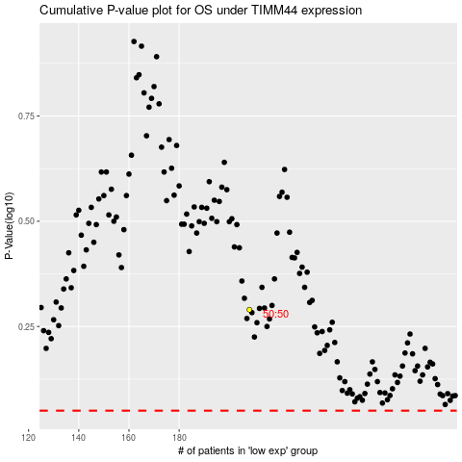

 |  |  |  |  |  | cases_OS | p_OS | rank | exp
 |  |  |  |  |  |  | cases_RFS | p_RFS | rank | exp

