TIMM8A _multivariate
Reported by Tex Li-Hsing Chi. tex@gate.sinica.edu.tw 2019-08-15

Table 2. The clinicopathological features of HNSCC cohort and TIMM8A expression. (Chi square test)
Cutoff at -0.246 (49.8%)
 |  | TIMM8A expression |  | TIMM8A expression |  | (Optimised)
 | Features | Low | (%) | High | (%) | Case no | P-value | Remark | Matthews
Gender | Female | 146 | 35.2 | 160 | 38.6 | 415 | 0.1714 | 0 | 0
2 | Male | 61 | 14.7 | 48 | 11.6
Age at diagnosis | <=65y | 136 | 32.8 | 138 | 33.3 | 415 | 0.9719 | 0 | 0
4 | >65y | 71 | 17.1 | 70 | 16.9
Clinical T Status | T1+T2 | 75 | 18.1 | 74 | 17.8 | 415 | 0.9707 | 0 | 0
6 | T3+T4 | 132 | 31.8 | 134 | 32.3
Clinical N Status | N0 | 106 | 25.5 | 110 | 26.5 | 415 | 0.8075 | 0 | 0
8 | N1-3 | 101 | 24.3 | 98 | 23.6
Clinical M Status | M0 | 206 | 49.6 | 206 | 49.6 | 415 | 1 | 0 | 0
10 | M1 | 1 | 0.2 | 2 | 0.5
Clinical Stage | Stage I+II | 52 | 12.5 | 50 | 12 | 415 | 0.8871 | 0 | 0
12 | Stage III+IV | 155 | 37.3 | 158 | 38.1
Surgical Margin status | Negative | 167 | 40.2 | 151 | 36.4 | 415 | 0.0632 | 0 | 0
14 | Positive | 40 | 9.6 | 57 | 13.7
Tobacco Exposure | Low | 83 | 20 | 78 | 18.8 | 415 | 0.6152 | 0 | 0
16 | High | 124 | 29.9 | 130 | 31.3

Table 3. Univariate/Multivariate Cox's proportional hazards regression analyses on OS time of TIMM8A gene expression in HNSCC

 |  | Univariate |  |  |  | Multivariate
 | Features | HR | CI95%(L) | CI95%(H) | P-value | HR | CI95%(L) | CI95%(H) | P-value
1 | Female | 1 |  |  |  | 1
Gender | Male | 1.157 | 0.843 | 1.587 | 0.367 | 1.201 | 0.86 | 1.679 | 0.283
11 | <=65y | 1 |  |  |  | 1
Age at diagnosis | >65y | 1.329 | 0.99 | 1.784 | 0.058 | 1.39 | 1.022 | 1.89 | 0.036
12 | T1+T2 | 1 |  |  |  | 1
Clinical T Status | T3+T4 | 1.409 | 1.028 | 1.931 | 0.033 | 2.201 | 1.164 | 4.161 | 0.015
13 | N0 | 1 |  |  |  | 1
Clinical N Status | N1-3 | 1.185 | 0.89 | 1.577 | 0.246 | 1.246 | 0.872 | 1.781 | 0.226
14 | M0 | 1 |  |  |  | 1
Clinical M Status | M1 | 4.097 | 1.009 | 16.644 | 0.049 | 9.337 | 2.035 | 42.83 | 0.004
15 | Stage I+II | 1 |  |  |  | 1
Clinical Stage | Stage III+IV | 1.245 | 0.882 | 1.759 | 0.213 | 0.502 | 0.233 | 1.078 | 0.077
16 | Negative | 1 |  |  |  | 1
Surgical Margin status | Positive | 1.591 | 1.155 | 2.191 | 0.004 | 1.656 | 1.193 | 2.301 | 0.003
17 | Low | 1 |  |  |  | 1
Tobacco Exposure | High | 1.364 | 1.008 | 1.844 | 0.044 | 1.456 | 1.056 | 2.006 | 0.022
18 | Low | 1 |  |  |  | 1
RNAseq(z-score) | High | 1.134 | 0.85 | 1.511 | 0.393 | 1.046 | 0.78 | 1.404 | 0.762

Table 4. Univariate/Multivariate Cox's proportional hazards regression analyses on RFS time of TIMM8A gene expression in HNSCC

 |  | Univariate |  |  |  | Multivariate
 | Features | HR | CI95%(L) | CI95%(H) | P-value | HR | CI95%(L) | CI95%(H) | P-value
1 | Female | 1 |  |  |  | 1
Gender | Male | 1.157 | 0.843 | 1.587 | 0.367 | 1.201 | 0.86 | 1.679 | 0.283
11 | <=65y | 1 |  |  |  | 1
Age at diagnosis | >65y | 1.329 | 0.99 | 1.784 | 0.058 | 1.39 | 1.022 | 1.89 | 0.036
12 | T1+T2 | 1 |  |  |  | 1
Clinical T Status | T3+T4 | 1.409 | 1.028 | 1.931 | 0.033 | 2.201 | 1.164 | 4.161 | 0.015
13 | N0 | 1 |  |  |  | 1
Clinical N Status | N1-3 | 1.185 | 0.89 | 1.577 | 0.246 | 1.246 | 0.872 | 1.781 | 0.226
14 | M0 | 1 |  |  |  | 1
Clinical M Status | M1 | 4.097 | 1.009 | 16.644 | 0.049 | 9.337 | 2.035 | 42.83 | 0.004
15 | Stage I+II | 1 |  |  |  | 1
Clinical Stage | Stage III+IV | 1.245 | 0.882 | 1.759 | 0.213 | 0.502 | 0.233 | 1.078 | 0.077
16 | Negative | 1 |  |  |  | 1
Surgical Margin status | Positive | 1.591 | 1.155 | 2.191 | 0.004 | 1.656 | 1.193 | 2.301 | 0.003
17 | Low | 1 |  |  |  | 1
Tobacco Exposure | High | 1.364 | 1.008 | 1.844 | 0.044 | 1.456 | 1.056 | 2.006 | 0.022
18 | Low | 1 |  |  |  | 1
RNAseq(z-score) | High | 1.134 | 0.85 | 1.511 | 0.393 | 1.046 | 0.78 | 1.404 | 0.762

Kaplan-Meier survival estimate: Cutoff at -0.246 (49.8%)



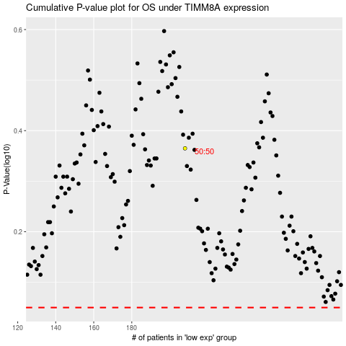

 |  |  |  |  |  | cases_OS | p_OS | rank | exp
 |  |  |  |  |  |  | cases_RFS | p_RFS | rank | exp

