TIMM8B _multivariate
Reported by Tex Li-Hsing Chi. tex@gate.sinica.edu.tw 2019-08-15

Table 2. The clinicopathological features of HNSCC cohort and TIMM8B expression. (Chi square test)
Cutoff at -0.272 (50.0%)
 |  | TIMM8B expression |  | TIMM8B expression |  | (Optimised)
 | Features | Low | (%) | High | (%) | Case no | P-value | Remark | Matthews
Gender | Female | 160 | 38.6 | 146 | 35.2 | 415 | 0.1254 | 0 | 0
2 | Male | 47 | 11.3 | 62 | 14.9
Age at diagnosis | <=65y | 138 | 33.3 | 136 | 32.8 | 415 | 0.8634 | 0 | 0
4 | >65y | 69 | 16.6 | 72 | 17.3
Clinical T Status | T1+T2 | 81 | 19.5 | 68 | 16.4 | 415 | 0.206 | 0 | 0
6 | T3+T4 | 126 | 30.4 | 140 | 33.7
Clinical N Status | N0 | 94 | 22.7 | 122 | 29.4 | 415 | 0.0093 | 1 | 0
8 | N1-3 | 113 | 27.2 | 86 | 20.7
Clinical M Status | M0 | 206 | 49.6 | 206 | 49.6 | 415 | 1 | 0 | 0
10 | M1 | 1 | 0.2 | 2 | 0.5
Clinical Stage | Stage I+II | 49 | 11.8 | 53 | 12.8 | 415 | 0.7535 | 0 | 0
12 | Stage III+IV | 158 | 38.1 | 155 | 37.3
Surgical Margin status | Negative | 157 | 37.8 | 161 | 38.8 | 415 | 0.729 | 0 | 0
14 | Positive | 50 | 12 | 47 | 11.3
Tobacco Exposure | Low | 75 | 18.1 | 86 | 20.7 | 415 | 0.3141 | 0 | 0
16 | High | 132 | 31.8 | 122 | 29.4

Table 3. Univariate/Multivariate Cox's proportional hazards regression analyses on OS time of TIMM8B gene expression in HNSCC

 |  | Univariate |  |  |  | Multivariate
 | Features | HR | CI95%(L) | CI95%(H) | P-value | HR | CI95%(L) | CI95%(H) | P-value
1 | Female | 1 |  |  |  | 1
Gender | Male | 1.157 | 0.843 | 1.587 | 0.367 | 1.182 | 0.843 | 1.656 | 0.332
11 | <=65y | 1 |  |  |  | 1
Age at diagnosis | >65y | 1.329 | 0.99 | 1.784 | 0.058 | 1.399 | 1.029 | 1.902 | 0.032
12 | T1+T2 | 1 |  |  |  | 1
Clinical T Status | T3+T4 | 1.409 | 1.028 | 1.931 | 0.033 | 2.174 | 1.148 | 4.115 | 0.017
13 | N0 | 1 |  |  |  | 1
Clinical N Status | N1-3 | 1.185 | 0.89 | 1.577 | 0.246 | 1.26 | 0.881 | 1.802 | 0.205
14 | M0 | 1 |  |  |  | 1
Clinical M Status | M1 | 4.097 | 1.009 | 16.644 | 0.049 | 8.926 | 1.934 | 41.191 | 0.005
15 | Stage I+II | 1 |  |  |  | 1
Clinical Stage | Stage III+IV | 1.245 | 0.882 | 1.759 | 0.213 | 0.506 | 0.236 | 1.086 | 0.08
16 | Negative | 1 |  |  |  | 1
Surgical Margin status | Positive | 1.591 | 1.155 | 2.191 | 0.004 | 1.668 | 1.207 | 2.305 | 0.002
17 | Low | 1 |  |  |  | 1
Tobacco Exposure | High | 1.364 | 1.008 | 1.844 | 0.044 | 1.459 | 1.059 | 2.01 | 0.021
18 | Low | 1 |  |  |  | 1
RNAseq(z-score) | High | 1.138 | 0.854 | 1.518 | 0.378 | 1.114 | 0.83 | 1.497 | 0.472

Table 4. Univariate/Multivariate Cox's proportional hazards regression analyses on RFS time of TIMM8B gene expression in HNSCC

 |  | Univariate |  |  |  | Multivariate
 | Features | HR | CI95%(L) | CI95%(H) | P-value | HR | CI95%(L) | CI95%(H) | P-value
1 | Female | 1 |  |  |  | 1
Gender | Male | 1.157 | 0.843 | 1.587 | 0.367 | 1.182 | 0.843 | 1.656 | 0.332
11 | <=65y | 1 |  |  |  | 1
Age at diagnosis | >65y | 1.329 | 0.99 | 1.784 | 0.058 | 1.399 | 1.029 | 1.902 | 0.032
12 | T1+T2 | 1 |  |  |  | 1
Clinical T Status | T3+T4 | 1.409 | 1.028 | 1.931 | 0.033 | 2.174 | 1.148 | 4.115 | 0.017
13 | N0 | 1 |  |  |  | 1
Clinical N Status | N1-3 | 1.185 | 0.89 | 1.577 | 0.246 | 1.26 | 0.881 | 1.802 | 0.205
14 | M0 | 1 |  |  |  | 1
Clinical M Status | M1 | 4.097 | 1.009 | 16.644 | 0.049 | 8.926 | 1.934 | 41.191 | 0.005
15 | Stage I+II | 1 |  |  |  | 1
Clinical Stage | Stage III+IV | 1.245 | 0.882 | 1.759 | 0.213 | 0.506 | 0.236 | 1.086 | 0.08
16 | Negative | 1 |  |  |  | 1
Surgical Margin status | Positive | 1.591 | 1.155 | 2.191 | 0.004 | 1.668 | 1.207 | 2.305 | 0.002
17 | Low | 1 |  |  |  | 1
Tobacco Exposure | High | 1.364 | 1.008 | 1.844 | 0.044 | 1.459 | 1.059 | 2.01 | 0.021
18 | Low | 1 |  |  |  | 1
RNAseq(z-score) | High | 1.138 | 0.854 | 1.518 | 0.378 | 1.114 | 0.83 | 1.497 | 0.472

Kaplan-Meier survival estimate: Cutoff at -0.272 (50.0%)



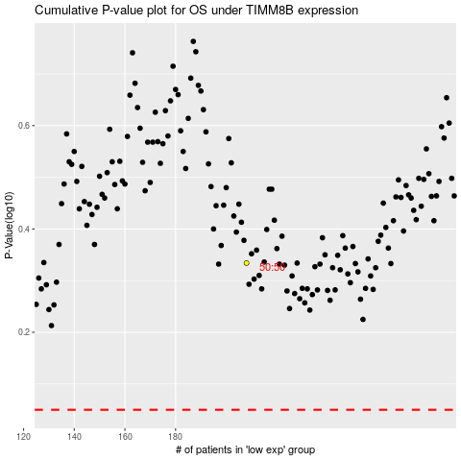

 |  |  |  |  |  | cases_OS | p_OS | rank | exp
 |  |  |  |  |  |  | cases_RFS | p_RFS | rank | exp

