TIMP3 _multivariate
Reported by Tex Li-Hsing Chi. tex@gate.sinica.edu.tw 2019-08-15

Table 2. The clinicopathological features of HNSCC cohort and TIMP3 expression. (Chi square test)
Cutoff at -0.36 (41.3%)
 |  | TIMP3 expression |  | TIMP3 expression |  | (Optimised)
 | Features | Low | (%) | High | (%) | Case no | P-value | Remark | Matthews
Gender | Female | 125 | 30.1 | 181 | 43.6 | 415 | 0.8942 | 0 | 0
2 | Male | 46 | 11.1 | 63 | 15.2
Age at diagnosis | <=65y | 108 | 26 | 166 | 40 | 415 | 0.3541 | 0 | 0
4 | >65y | 63 | 15.2 | 78 | 18.8
Clinical T Status | T1+T2 | 67 | 16.1 | 82 | 19.8 | 415 | 0.2886 | 0 | 0
6 | T3+T4 | 104 | 25.1 | 162 | 39
Clinical N Status | N0 | 86 | 20.7 | 130 | 31.3 | 415 | 0.6174 | 0 | 0
8 | N1-3 | 85 | 20.5 | 114 | 27.5
Clinical M Status | M0 | 169 | 40.7 | 243 | 58.6 | 415 | 0.5713 | 0 | 0
10 | M1 | 2 | 0.5 | 1 | 0.2
Clinical Stage | Stage I+II | 40 | 9.6 | 62 | 14.9 | 415 | 0.7232 | 0 | 0
12 | Stage III+IV | 131 | 31.6 | 182 | 43.9
Surgical Margin status | Negative | 135 | 32.5 | 183 | 44.1 | 415 | 0.4096 | 0 | 0
14 | Positive | 36 | 8.7 | 61 | 14.7
Tobacco Exposure | Low | 66 | 15.9 | 95 | 22.9 | 415 | 1 | 0 | 0
16 | High | 105 | 25.3 | 149 | 35.9

Table 3. Univariate/Multivariate Cox's proportional hazards regression analyses on OS time of TIMP3 gene expression in HNSCC

 |  | Univariate |  |  |  | Multivariate
 | Features | HR | CI95%(L) | CI95%(H) | P-value | HR | CI95%(L) | CI95%(H) | P-value
1 | Female | 1 |  |  |  | 1
Gender | Male | 1.157 | 0.843 | 1.587 | 0.367 | 1.199 | 0.859 | 1.673 | 0.286
11 | <=65y | 1 |  |  |  | 1
Age at diagnosis | >65y | 1.329 | 0.99 | 1.784 | 0.058 | 1.414 | 1.04 | 1.921 | 0.027
12 | T1+T2 | 1 |  |  |  | 1
Clinical T Status | T3+T4 | 1.409 | 1.028 | 1.931 | 0.033 | 2.064 | 1.088 | 3.913 | 0.026
13 | N0 | 1 |  |  |  | 1
Clinical N Status | N1-3 | 1.185 | 0.89 | 1.577 | 0.246 | 1.264 | 0.885 | 1.805 | 0.198
14 | M0 | 1 |  |  |  | 1
Clinical M Status | M1 | 4.097 | 1.009 | 16.644 | 0.049 | 9.308 | 2.03 | 42.674 | 0.004
15 | Stage I+II | 1 |  |  |  | 1
Clinical Stage | Stage III+IV | 1.245 | 0.882 | 1.759 | 0.213 | 0.536 | 0.249 | 1.154 | 0.111
16 | Negative | 1 |  |  |  | 1
Surgical Margin status | Positive | 1.591 | 1.155 | 2.191 | 0.004 | 1.651 | 1.194 | 2.282 | 0.002
17 | Low | 1 |  |  |  | 1
Tobacco Exposure | High | 1.364 | 1.008 | 1.844 | 0.044 | 1.449 | 1.053 | 1.994 | 0.023
18 | Low | 1 |  |  |  | 1
RNAseq(z-score) | High | 1.403 | 1.038 | 1.895 | 0.028 | 1.387 | 1.022 | 1.882 | 0.036

Table 4. Univariate/Multivariate Cox's proportional hazards regression analyses on RFS time of TIMP3 gene expression in HNSCC

 |  | Univariate |  |  |  | Multivariate
 | Features | HR | CI95%(L) | CI95%(H) | P-value | HR | CI95%(L) | CI95%(H) | P-value
1 | Female | 1 |  |  |  | 1
Gender | Male | 1.157 | 0.843 | 1.587 | 0.367 | 1.199 | 0.859 | 1.673 | 0.286
11 | <=65y | 1 |  |  |  | 1
Age at diagnosis | >65y | 1.329 | 0.99 | 1.784 | 0.058 | 1.414 | 1.04 | 1.921 | 0.027
12 | T1+T2 | 1 |  |  |  | 1
Clinical T Status | T3+T4 | 1.409 | 1.028 | 1.931 | 0.033 | 2.064 | 1.088 | 3.913 | 0.026
13 | N0 | 1 |  |  |  | 1
Clinical N Status | N1-3 | 1.185 | 0.89 | 1.577 | 0.246 | 1.264 | 0.885 | 1.805 | 0.198
14 | M0 | 1 |  |  |  | 1
Clinical M Status | M1 | 4.097 | 1.009 | 16.644 | 0.049 | 9.308 | 2.03 | 42.674 | 0.004
15 | Stage I+II | 1 |  |  |  | 1
Clinical Stage | Stage III+IV | 1.245 | 0.882 | 1.759 | 0.213 | 0.536 | 0.249 | 1.154 | 0.111
16 | Negative | 1 |  |  |  | 1
Surgical Margin status | Positive | 1.591 | 1.155 | 2.191 | 0.004 | 1.651 | 1.194 | 2.282 | 0.002
17 | Low | 1 |  |  |  | 1
Tobacco Exposure | High | 1.364 | 1.008 | 1.844 | 0.044 | 1.449 | 1.053 | 1.994 | 0.023
18 | Low | 1 |  |  |  | 1
RNAseq(z-score) | High | 1.403 | 1.038 | 1.895 | 0.028 | 1.387 | 1.022 | 1.882 | 0.036

Kaplan-Meier survival estimate: Cutoff at -0.36 (41.3%)



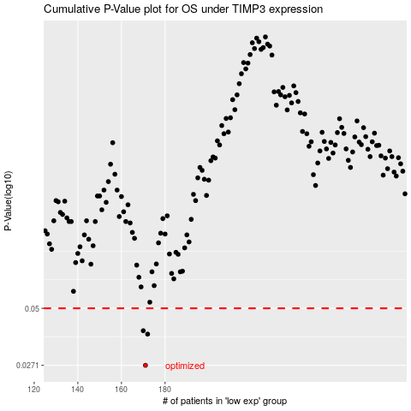

 |  |  |  |  |  | cases_OS | p_OS | rank | exp
 |  |  |  |  |  | 171 | 0.0271 | 389 | -0.35962818822
 |  |  |  |  |  | 172 | 0.0379 | 99 | -0.35892808254
 |  |  |  |  |  | 170 | 0.0393 | 272 | -0.36228308518
 |  |  |  |  |  |  | cases_RFS | p_RFS | rank | exp
 |  |  |  |  |  |  | 170 | 0.0271 | 272 | -0.36228308518
 |  |  |  |  |  |  | 171 | 0.0379 | 389 | -0.35962818822
 |  |  |  |  |  |  | 169 | 0.0393 | 230 | -0.36305022271

