TIPRL _multivariate
Reported by Tex Li-Hsing Chi. tex@gate.sinica.edu.tw 2019-08-15

Table 2. The clinicopathological features of HNSCC cohort and TIPRL expression. (Chi square test)
Cutoff at -0.092 (50.0%)
 |  | TIPRL expression |  | TIPRL expression |  | (Optimised)
 | Features | Low | (%) | High | (%) | Case no | P-value | Remark | Matthews
Gender | Female | 155 | 37.3 | 151 | 36.4 | 415 | 0.6768 | 0 | 0
2 | Male | 52 | 12.5 | 57 | 13.7
Age at diagnosis | <=65y | 139 | 33.5 | 135 | 32.5 | 415 | 0.7044 | 0 | 0
4 | >65y | 68 | 16.4 | 73 | 17.6
Clinical T Status | T1+T2 | 71 | 17.1 | 78 | 18.8 | 415 | 0.5638 | 0 | 0
6 | T3+T4 | 136 | 32.8 | 130 | 31.3
Clinical N Status | N0 | 111 | 26.7 | 105 | 25.3 | 415 | 0.5875 | 0 | 0
8 | N1-3 | 96 | 23.1 | 103 | 24.8
Clinical M Status | M0 | 206 | 49.6 | 206 | 49.6 | 415 | 1 | 0 | 0
10 | M1 | 1 | 0.2 | 2 | 0.5
Clinical Stage | Stage I+II | 51 | 12.3 | 51 | 12.3 | 415 | 1 | 0 | 0
12 | Stage III+IV | 156 | 37.6 | 157 | 37.8
Surgical Margin status | Negative | 162 | 39 | 156 | 37.6 | 415 | 0.4867 | 0 | 0
14 | Positive | 45 | 10.8 | 52 | 12.5
Tobacco Exposure | Low | 79 | 19 | 82 | 19.8 | 415 | 0.8405 | 0 | 0
16 | High | 128 | 30.8 | 126 | 30.4

Table 3. Univariate/Multivariate Cox's proportional hazards regression analyses on OS time of TIPRL gene expression in HNSCC

 |  | Univariate |  |  |  | Multivariate
 | Features | HR | CI95%(L) | CI95%(H) | P-value | HR | CI95%(L) | CI95%(H) | P-value
1 | Female | 1 |  |  |  | 1
Gender | Male | 1.157 | 0.843 | 1.587 | 0.367 | 1.199 | 0.859 | 1.673 | 0.286
11 | <=65y | 1 |  |  |  | 1
Age at diagnosis | >65y | 1.329 | 0.99 | 1.784 | 0.058 | 1.394 | 1.026 | 1.896 | 0.034
12 | T1+T2 | 1 |  |  |  | 1
Clinical T Status | T3+T4 | 1.409 | 1.028 | 1.931 | 0.033 | 2.217 | 1.173 | 4.193 | 0.014
13 | N0 | 1 |  |  |  | 1
Clinical N Status | N1-3 | 1.185 | 0.89 | 1.577 | 0.246 | 1.235 | 0.865 | 1.762 | 0.246
14 | M0 | 1 |  |  |  | 1
Clinical M Status | M1 | 4.097 | 1.009 | 16.644 | 0.049 | 9.196 | 2.003 | 42.214 | 0.004
15 | Stage I+II | 1 |  |  |  | 1
Clinical Stage | Stage III+IV | 1.245 | 0.882 | 1.759 | 0.213 | 0.502 | 0.234 | 1.078 | 0.077
16 | Negative | 1 |  |  |  | 1
Surgical Margin status | Positive | 1.591 | 1.155 | 2.191 | 0.004 | 1.672 | 1.21 | 2.311 | 0.002
17 | Low | 1 |  |  |  | 1
Tobacco Exposure | High | 1.364 | 1.008 | 1.844 | 0.044 | 1.45 | 1.053 | 1.996 | 0.023
18 | Low | 1 |  |  |  | 1
RNAseq(z-score) | High | 1.115 | 0.837 | 1.485 | 0.457 | 1.109 | 0.832 | 1.48 | 0.48

Table 4. Univariate/Multivariate Cox's proportional hazards regression analyses on RFS time of TIPRL gene expression in HNSCC

 |  | Univariate |  |  |  | Multivariate
 | Features | HR | CI95%(L) | CI95%(H) | P-value | HR | CI95%(L) | CI95%(H) | P-value
1 | Female | 1 |  |  |  | 1
Gender | Male | 1.157 | 0.843 | 1.587 | 0.367 | 1.199 | 0.859 | 1.673 | 0.286
11 | <=65y | 1 |  |  |  | 1
Age at diagnosis | >65y | 1.329 | 0.99 | 1.784 | 0.058 | 1.394 | 1.026 | 1.896 | 0.034
12 | T1+T2 | 1 |  |  |  | 1
Clinical T Status | T3+T4 | 1.409 | 1.028 | 1.931 | 0.033 | 2.217 | 1.173 | 4.193 | 0.014
13 | N0 | 1 |  |  |  | 1
Clinical N Status | N1-3 | 1.185 | 0.89 | 1.577 | 0.246 | 1.235 | 0.865 | 1.762 | 0.246
14 | M0 | 1 |  |  |  | 1
Clinical M Status | M1 | 4.097 | 1.009 | 16.644 | 0.049 | 9.196 | 2.003 | 42.214 | 0.004
15 | Stage I+II | 1 |  |  |  | 1
Clinical Stage | Stage III+IV | 1.245 | 0.882 | 1.759 | 0.213 | 0.502 | 0.234 | 1.078 | 0.077
16 | Negative | 1 |  |  |  | 1
Surgical Margin status | Positive | 1.591 | 1.155 | 2.191 | 0.004 | 1.672 | 1.21 | 2.311 | 0.002
17 | Low | 1 |  |  |  | 1
Tobacco Exposure | High | 1.364 | 1.008 | 1.844 | 0.044 | 1.45 | 1.053 | 1.996 | 0.023
18 | Low | 1 |  |  |  | 1
RNAseq(z-score) | High | 1.115 | 0.837 | 1.485 | 0.457 | 1.109 | 0.832 | 1.48 | 0.48

Kaplan-Meier survival estimate: Cutoff at -0.092 (50.0%)



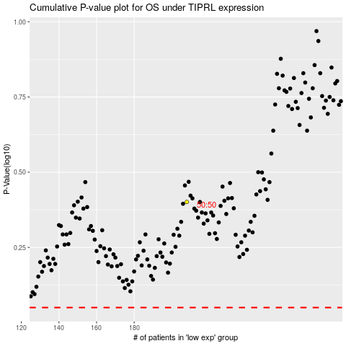

 |  |  |  |  |  | cases_OS | p_OS | rank | exp
 |  |  |  |  |  |  | cases_RFS | p_RFS | rank | exp

