TJP1 _multivariate
Reported by Tex Li-Hsing Chi. tex@gate.sinica.edu.tw 2019-08-15

Table 2. The clinicopathological features of HNSCC cohort and TJP1 expression. (Chi square test)
Cutoff at -0.231 (50.0%)
 |  | TJP1 expression |  | TJP1 expression |  | (Optimised)
 | Features | Low | (%) | High | (%) | Case no | P-value | Remark | Matthews
Gender | Female | 155 | 37.3 | 151 | 36.4 | 415 | 0.6768 | 0 | 0
2 | Male | 52 | 12.5 | 57 | 13.7
Age at diagnosis | <=65y | 143 | 34.5 | 131 | 31.6 | 415 | 0.2269 | 0 | 0
4 | >65y | 64 | 15.4 | 77 | 18.6
Clinical T Status | T1+T2 | 78 | 18.8 | 71 | 17.1 | 415 | 0.5152 | 0 | 0
6 | T3+T4 | 129 | 31.1 | 137 | 33
Clinical N Status | N0 | 103 | 24.8 | 113 | 27.2 | 415 | 0.4047 | 0 | 0
8 | N1-3 | 104 | 25.1 | 95 | 22.9
Clinical M Status | M0 | 204 | 49.2 | 208 | 50.1 | 415 | 0.1232 | 0 | 0
10 | M1 | 3 | 0.7 | 0 | 0
Clinical Stage | Stage I+II | 52 | 12.5 | 50 | 12 | 415 | 0.8871 | 0 | 0
12 | Stage III+IV | 155 | 37.3 | 158 | 38.1
Surgical Margin status | Negative | 152 | 36.6 | 166 | 40 | 415 | 0.1329 | 0 | 0
14 | Positive | 55 | 13.3 | 42 | 10.1
Tobacco Exposure | Low | 67 | 16.1 | 94 | 22.7 | 415 | 0.0088 | 1 | 0
16 | High | 140 | 33.7 | 114 | 27.5

Table 3. Univariate/Multivariate Cox's proportional hazards regression analyses on OS time of TJP1 gene expression in HNSCC

 |  | Univariate |  |  |  | Multivariate
 | Features | HR | CI95%(L) | CI95%(H) | P-value | HR | CI95%(L) | CI95%(H) | P-value
1 | Female | 1 |  |  |  | 1
Gender | Male | 1.157 | 0.843 | 1.587 | 0.367 | 1.209 | 0.866 | 1.688 | 0.266
11 | <=65y | 1 |  |  |  | 1
Age at diagnosis | >65y | 1.329 | 0.99 | 1.784 | 0.058 | 1.395 | 1.026 | 1.898 | 0.034
12 | T1+T2 | 1 |  |  |  | 1
Clinical T Status | T3+T4 | 1.409 | 1.028 | 1.931 | 0.033 | 2.258 | 1.192 | 4.278 | 0.012
13 | N0 | 1 |  |  |  | 1
Clinical N Status | N1-3 | 1.185 | 0.89 | 1.577 | 0.246 | 1.274 | 0.89 | 1.822 | 0.186
14 | M0 | 1 |  |  |  | 1
Clinical M Status | M1 | 4.097 | 1.009 | 16.644 | 0.049 | 10.545 | 2.272 | 48.952 | 0.003
15 | Stage I+II | 1 |  |  |  | 1
Clinical Stage | Stage III+IV | 1.245 | 0.882 | 1.759 | 0.213 | 0.486 | 0.226 | 1.046 | 0.065
16 | Negative | 1 |  |  |  | 1
Surgical Margin status | Positive | 1.591 | 1.155 | 2.191 | 0.004 | 1.727 | 1.244 | 2.399 | 0.001
17 | Low | 1 |  |  |  | 1
Tobacco Exposure | High | 1.364 | 1.008 | 1.844 | 0.044 | 1.499 | 1.084 | 2.072 | 0.014
18 | Low | 1 |  |  |  | 1
RNAseq(z-score) | High | 1.034 | 0.775 | 1.379 | 0.822 | 1.204 | 0.892 | 1.626 | 0.225

Table 4. Univariate/Multivariate Cox's proportional hazards regression analyses on RFS time of TJP1 gene expression in HNSCC

 |  | Univariate |  |  |  | Multivariate
 | Features | HR | CI95%(L) | CI95%(H) | P-value | HR | CI95%(L) | CI95%(H) | P-value
1 | Female | 1 |  |  |  | 1
Gender | Male | 1.157 | 0.843 | 1.587 | 0.367 | 1.209 | 0.866 | 1.688 | 0.266
11 | <=65y | 1 |  |  |  | 1
Age at diagnosis | >65y | 1.329 | 0.99 | 1.784 | 0.058 | 1.395 | 1.026 | 1.898 | 0.034
12 | T1+T2 | 1 |  |  |  | 1
Clinical T Status | T3+T4 | 1.409 | 1.028 | 1.931 | 0.033 | 2.258 | 1.192 | 4.278 | 0.012
13 | N0 | 1 |  |  |  | 1
Clinical N Status | N1-3 | 1.185 | 0.89 | 1.577 | 0.246 | 1.274 | 0.89 | 1.822 | 0.186
14 | M0 | 1 |  |  |  | 1
Clinical M Status | M1 | 4.097 | 1.009 | 16.644 | 0.049 | 10.545 | 2.272 | 48.952 | 0.003
15 | Stage I+II | 1 |  |  |  | 1
Clinical Stage | Stage III+IV | 1.245 | 0.882 | 1.759 | 0.213 | 0.486 | 0.226 | 1.046 | 0.065
16 | Negative | 1 |  |  |  | 1
Surgical Margin status | Positive | 1.591 | 1.155 | 2.191 | 0.004 | 1.727 | 1.244 | 2.399 | 0.001
17 | Low | 1 |  |  |  | 1
Tobacco Exposure | High | 1.364 | 1.008 | 1.844 | 0.044 | 1.499 | 1.084 | 2.072 | 0.014
18 | Low | 1 |  |  |  | 1
RNAseq(z-score) | High | 1.034 | 0.775 | 1.379 | 0.822 | 1.204 | 0.892 | 1.626 | 0.225

Kaplan-Meier survival estimate: Cutoff at -0.231 (50.0%)



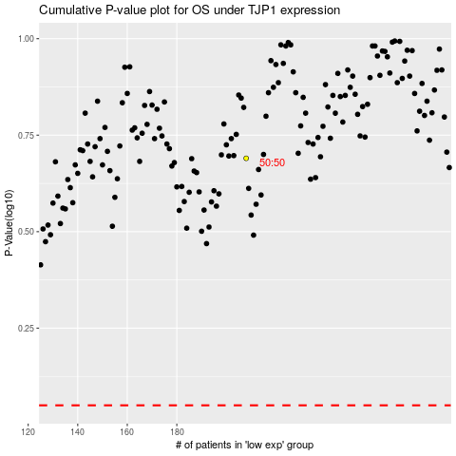

 |  |  |  |  |  | cases_OS | p_OS | rank | exp
 |  |  |  |  |  |  | cases_RFS | p_RFS | rank | exp

