TK1 _multivariate
Reported by Tex Li-Hsing Chi. tex@gate.sinica.edu.tw 2019-08-15

Table 2. The clinicopathological features of HNSCC cohort and TK1 expression. (Chi square test)
Cutoff at -0.12 (49.8%)
 |  | TK1 expression |  | TK1 expression |  | (Optimised)
 | Features | Low | (%) | High | (%) | Case no | P-value | Remark | Matthews
Gender | Female | 140 | 33.7 | 166 | 40 | 415 | 0.0068 | 1 | 0
2 | Male | 67 | 16.1 | 42 | 10.1
Age at diagnosis | <=65y | 138 | 33.3 | 136 | 32.8 | 415 | 0.8634 | 0 | 0
4 | >65y | 69 | 16.6 | 72 | 17.3
Clinical T Status | T1+T2 | 71 | 17.1 | 78 | 18.8 | 415 | 0.5638 | 0 | 0
6 | T3+T4 | 136 | 32.8 | 130 | 31.3
Clinical N Status | N0 | 117 | 28.2 | 99 | 23.9 | 415 | 0.0852 | 1 | 0
8 | N1-3 | 90 | 21.7 | 109 | 26.3
Clinical M Status | M0 | 207 | 49.9 | 205 | 49.4 | 415 | 0.2482 | 0 | 0
10 | M1 | 0 | 0 | 3 | 0.7
Clinical Stage | Stage I+II | 54 | 13 | 48 | 11.6 | 415 | 0.5498 | 0 | 0
12 | Stage III+IV | 153 | 36.9 | 160 | 38.6
Surgical Margin status | Negative | 163 | 39.3 | 155 | 37.3 | 415 | 0.3537 | 0 | 0
14 | Positive | 44 | 10.6 | 53 | 12.8
Tobacco Exposure | Low | 94 | 22.7 | 67 | 16.1 | 415 | 0.0065 | 1 | 0
16 | High | 113 | 27.2 | 141 | 34

Table 3. Univariate/Multivariate Cox's proportional hazards regression analyses on OS time of TK1 gene expression in HNSCC

 |  | Univariate |  |  |  | Multivariate
 | Features | HR | CI95%(L) | CI95%(H) | P-value | HR | CI95%(L) | CI95%(H) | P-value
1 | Female | 1 |  |  |  | 1
Gender | Male | 1.157 | 0.843 | 1.587 | 0.367 | 1.221 | 0.872 | 1.709 | 0.246
11 | <=65y | 1 |  |  |  | 1
Age at diagnosis | >65y | 1.329 | 0.99 | 1.784 | 0.058 | 1.366 | 1.002 | 1.861 | 0.048
12 | T1+T2 | 1 |  |  |  | 1
Clinical T Status | T3+T4 | 1.409 | 1.028 | 1.931 | 0.033 | 2.239 | 1.183 | 4.236 | 0.013
13 | N0 | 1 |  |  |  | 1
Clinical N Status | N1-3 | 1.185 | 0.89 | 1.577 | 0.246 | 1.22 | 0.854 | 1.744 | 0.274
14 | M0 | 1 |  |  |  | 1
Clinical M Status | M1 | 4.097 | 1.009 | 16.644 | 0.049 | 8.963 | 1.949 | 41.214 | 0.005
15 | Stage I+II | 1 |  |  |  | 1
Clinical Stage | Stage III+IV | 1.245 | 0.882 | 1.759 | 0.213 | 0.501 | 0.234 | 1.076 | 0.076
16 | Negative | 1 |  |  |  | 1
Surgical Margin status | Positive | 1.591 | 1.155 | 2.191 | 0.004 | 1.651 | 1.194 | 2.283 | 0.002
17 | Low | 1 |  |  |  | 1
Tobacco Exposure | High | 1.364 | 1.008 | 1.844 | 0.044 | 1.428 | 1.033 | 1.973 | 0.031
18 | Low | 1 |  |  |  | 1
RNAseq(z-score) | High | 1.256 | 0.942 | 1.674 | 0.12 | 1.153 | 0.857 | 1.551 | 0.346

Table 4. Univariate/Multivariate Cox's proportional hazards regression analyses on RFS time of TK1 gene expression in HNSCC

 |  | Univariate |  |  |  | Multivariate
 | Features | HR | CI95%(L) | CI95%(H) | P-value | HR | CI95%(L) | CI95%(H) | P-value
1 | Female | 1 |  |  |  | 1
Gender | Male | 1.157 | 0.843 | 1.587 | 0.367 | 1.221 | 0.872 | 1.709 | 0.246
11 | <=65y | 1 |  |  |  | 1
Age at diagnosis | >65y | 1.329 | 0.99 | 1.784 | 0.058 | 1.366 | 1.002 | 1.861 | 0.048
12 | T1+T2 | 1 |  |  |  | 1
Clinical T Status | T3+T4 | 1.409 | 1.028 | 1.931 | 0.033 | 2.239 | 1.183 | 4.236 | 0.013
13 | N0 | 1 |  |  |  | 1
Clinical N Status | N1-3 | 1.185 | 0.89 | 1.577 | 0.246 | 1.22 | 0.854 | 1.744 | 0.274
14 | M0 | 1 |  |  |  | 1
Clinical M Status | M1 | 4.097 | 1.009 | 16.644 | 0.049 | 8.963 | 1.949 | 41.214 | 0.005
15 | Stage I+II | 1 |  |  |  | 1
Clinical Stage | Stage III+IV | 1.245 | 0.882 | 1.759 | 0.213 | 0.501 | 0.234 | 1.076 | 0.076
16 | Negative | 1 |  |  |  | 1
Surgical Margin status | Positive | 1.591 | 1.155 | 2.191 | 0.004 | 1.651 | 1.194 | 2.283 | 0.002
17 | Low | 1 |  |  |  | 1
Tobacco Exposure | High | 1.364 | 1.008 | 1.844 | 0.044 | 1.428 | 1.033 | 1.973 | 0.031
18 | Low | 1 |  |  |  | 1
RNAseq(z-score) | High | 1.256 | 0.942 | 1.674 | 0.12 | 1.153 | 0.857 | 1.551 | 0.346

Kaplan-Meier survival estimate: Cutoff at -0.12 (49.8%)



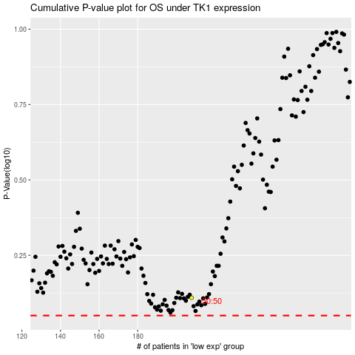

 |  |  |  |  |  | cases_OS | p_OS | rank | exp
 |  |  |  |  |  |  | cases_RFS | p_RFS | rank | exp

