TLK1 _multivariate
Reported by Tex Li-Hsing Chi. tex@gate.sinica.edu.tw 2019-08-15

Table 2. The clinicopathological features of HNSCC cohort and TLK1 expression. (Chi square test)
Cutoff at -0.126 (49.8%)
 |  | TLK1 expression |  | TLK1 expression |  | (Optimised)
 | Features | Low | (%) | High | (%) | Case no | P-value | Remark | Matthews
Gender | Female | 150 | 36.1 | 156 | 37.6 | 415 | 0.6344 | 0 | 0
2 | Male | 57 | 13.7 | 52 | 12.5
Age at diagnosis | <=65y | 134 | 32.3 | 140 | 33.7 | 415 | 0.6529 | 0 | 0
4 | >65y | 73 | 17.6 | 68 | 16.4
Clinical T Status | T1+T2 | 76 | 18.3 | 73 | 17.6 | 415 | 0.8092 | 0 | 0
6 | T3+T4 | 131 | 31.6 | 135 | 32.5
Clinical N Status | N0 | 97 | 23.4 | 119 | 28.7 | 415 | 0.0442 | 1 | 0
8 | N1-3 | 110 | 26.5 | 89 | 21.4
Clinical M Status | M0 | 204 | 49.2 | 208 | 50.1 | 415 | 0.1232 | 0 | 0
10 | M1 | 3 | 0.7 | 0 | 0
Clinical Stage | Stage I+II | 45 | 10.8 | 57 | 13.7 | 415 | 0.2202 | 0 | 0
12 | Stage III+IV | 162 | 39 | 151 | 36.4
Surgical Margin status | Negative | 156 | 37.6 | 162 | 39 | 415 | 0.5636 | 0 | 0
14 | Positive | 51 | 12.3 | 46 | 11.1
Tobacco Exposure | Low | 78 | 18.8 | 83 | 20 | 415 | 0.6873 | 0 | 0
16 | High | 129 | 31.1 | 125 | 30.1

Table 3. Univariate/Multivariate Cox's proportional hazards regression analyses on OS time of TLK1 gene expression in HNSCC

 |  | Univariate |  |  |  | Multivariate
 | Features | HR | CI95%(L) | CI95%(H) | P-value | HR | CI95%(L) | CI95%(H) | P-value
1 | Female | 1 |  |  |  | 1
Gender | Male | 1.157 | 0.843 | 1.587 | 0.367 | 1.183 | 0.844 | 1.657 | 0.329
11 | <=65y | 1 |  |  |  | 1
Age at diagnosis | >65y | 1.329 | 0.99 | 1.784 | 0.058 | 1.38 | 1.014 | 1.878 | 0.041
12 | T1+T2 | 1 |  |  |  | 1
Clinical T Status | T3+T4 | 1.409 | 1.028 | 1.931 | 0.033 | 2.237 | 1.181 | 4.236 | 0.013
13 | N0 | 1 |  |  |  | 1
Clinical N Status | N1-3 | 1.185 | 0.89 | 1.577 | 0.246 | 1.233 | 0.864 | 1.759 | 0.249
14 | M0 | 1 |  |  |  | 1
Clinical M Status | M1 | 4.097 | 1.009 | 16.644 | 0.049 | 8.985 | 1.952 | 41.367 | 0.005
15 | Stage I+II | 1 |  |  |  | 1
Clinical Stage | Stage III+IV | 1.245 | 0.882 | 1.759 | 0.213 | 0.496 | 0.231 | 1.066 | 0.072
16 | Negative | 1 |  |  |  | 1
Surgical Margin status | Positive | 1.591 | 1.155 | 2.191 | 0.004 | 1.672 | 1.21 | 2.31 | 0.002
17 | Low | 1 |  |  |  | 1
Tobacco Exposure | High | 1.364 | 1.008 | 1.844 | 0.044 | 1.435 | 1.04 | 1.981 | 0.028
18 | Low | 1 |  |  |  | 1
RNAseq(z-score) | High | 0.839 | 0.629 | 1.119 | 0.232 | 0.893 | 0.665 | 1.199 | 0.451

Table 4. Univariate/Multivariate Cox's proportional hazards regression analyses on RFS time of TLK1 gene expression in HNSCC

 |  | Univariate |  |  |  | Multivariate
 | Features | HR | CI95%(L) | CI95%(H) | P-value | HR | CI95%(L) | CI95%(H) | P-value
1 | Female | 1 |  |  |  | 1
Gender | Male | 1.157 | 0.843 | 1.587 | 0.367 | 1.183 | 0.844 | 1.657 | 0.329
11 | <=65y | 1 |  |  |  | 1
Age at diagnosis | >65y | 1.329 | 0.99 | 1.784 | 0.058 | 1.38 | 1.014 | 1.878 | 0.041
12 | T1+T2 | 1 |  |  |  | 1
Clinical T Status | T3+T4 | 1.409 | 1.028 | 1.931 | 0.033 | 2.237 | 1.181 | 4.236 | 0.013
13 | N0 | 1 |  |  |  | 1
Clinical N Status | N1-3 | 1.185 | 0.89 | 1.577 | 0.246 | 1.233 | 0.864 | 1.759 | 0.249
14 | M0 | 1 |  |  |  | 1
Clinical M Status | M1 | 4.097 | 1.009 | 16.644 | 0.049 | 8.985 | 1.952 | 41.367 | 0.005
15 | Stage I+II | 1 |  |  |  | 1
Clinical Stage | Stage III+IV | 1.245 | 0.882 | 1.759 | 0.213 | 0.496 | 0.231 | 1.066 | 0.072
16 | Negative | 1 |  |  |  | 1
Surgical Margin status | Positive | 1.591 | 1.155 | 2.191 | 0.004 | 1.672 | 1.21 | 2.31 | 0.002
17 | Low | 1 |  |  |  | 1
Tobacco Exposure | High | 1.364 | 1.008 | 1.844 | 0.044 | 1.435 | 1.04 | 1.981 | 0.028
18 | Low | 1 |  |  |  | 1
RNAseq(z-score) | High | 0.839 | 0.629 | 1.119 | 0.232 | 0.893 | 0.665 | 1.199 | 0.451

Kaplan-Meier survival estimate: Cutoff at -0.126 (49.8%)



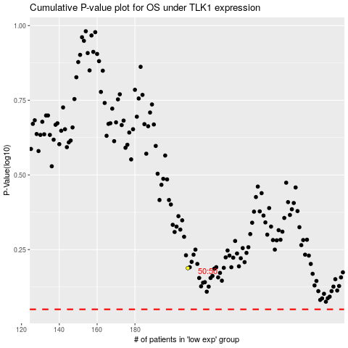

 |  |  |  |  |  | cases_OS | p_OS | rank | exp
 |  |  |  |  |  |  | cases_RFS | p_RFS | rank | exp

