TLN2 _multivariate
Reported by Tex Li-Hsing Chi. tex@gate.sinica.edu.tw 2019-08-15

Table 2. The clinicopathological features of HNSCC cohort and TLN2 expression. (Chi square test)
Cutoff at -0.197 (49.8%)
 |  | TLN2 expression |  | TLN2 expression |  | (Optimised)
 | Features | Low | (%) | High | (%) | Case no | P-value | Remark | Matthews
Gender | Female | 152 | 36.6 | 154 | 37.1 | 415 | 0.9766 | 0 | 0
2 | Male | 55 | 13.3 | 54 | 13
Age at diagnosis | <=65y | 134 | 32.3 | 140 | 33.7 | 415 | 0.6529 | 0 | 0
4 | >65y | 73 | 17.6 | 68 | 16.4
Clinical T Status | T1+T2 | 75 | 18.1 | 74 | 17.8 | 415 | 0.9707 | 0 | 0
6 | T3+T4 | 132 | 31.8 | 134 | 32.3
Clinical N Status | N0 | 95 | 22.9 | 121 | 29.2 | 415 | 0.0162 | 1 | 0
8 | N1-3 | 112 | 27 | 87 | 21
Clinical M Status | M0 | 206 | 49.6 | 206 | 49.6 | 415 | 1 | 0 | 0
10 | M1 | 1 | 0.2 | 2 | 0.5
Clinical Stage | Stage I+II | 46 | 11.1 | 56 | 13.5 | 415 | 0.3182 | 0 | 0
12 | Stage III+IV | 161 | 38.8 | 152 | 36.6
Surgical Margin status | Negative | 151 | 36.4 | 167 | 40.2 | 415 | 0.0828 | 0 | 0
14 | Positive | 56 | 13.5 | 41 | 9.9
Tobacco Exposure | Low | 87 | 21 | 74 | 17.8 | 415 | 0.1911 | 0 | 0
16 | High | 120 | 28.9 | 134 | 32.3

Table 3. Univariate/Multivariate Cox's proportional hazards regression analyses on OS time of TLN2 gene expression in HNSCC

 |  | Univariate |  |  |  | Multivariate
 | Features | HR | CI95%(L) | CI95%(H) | P-value | HR | CI95%(L) | CI95%(H) | P-value
1 | Female | 1 |  |  |  | 1
Gender | Male | 1.157 | 0.843 | 1.587 | 0.367 | 1.209 | 0.865 | 1.689 | 0.267
11 | <=65y | 1 |  |  |  | 1
Age at diagnosis | >65y | 1.329 | 0.99 | 1.784 | 0.058 | 1.387 | 1.02 | 1.885 | 0.037
12 | T1+T2 | 1 |  |  |  | 1
Clinical T Status | T3+T4 | 1.409 | 1.028 | 1.931 | 0.033 | 2.229 | 1.179 | 4.215 | 0.014
13 | N0 | 1 |  |  |  | 1
Clinical N Status | N1-3 | 1.185 | 0.89 | 1.577 | 0.246 | 1.214 | 0.848 | 1.737 | 0.289
14 | M0 | 1 |  |  |  | 1
Clinical M Status | M1 | 4.097 | 1.009 | 16.644 | 0.049 | 10.012 | 2.169 | 46.208 | 0.003
15 | Stage I+II | 1 |  |  |  | 1
Clinical Stage | Stage III+IV | 1.245 | 0.882 | 1.759 | 0.213 | 0.502 | 0.234 | 1.077 | 0.077
16 | Negative | 1 |  |  |  | 1
Surgical Margin status | Positive | 1.591 | 1.155 | 2.191 | 0.004 | 1.652 | 1.194 | 2.286 | 0.002
17 | Low | 1 |  |  |  | 1
Tobacco Exposure | High | 1.364 | 1.008 | 1.844 | 0.044 | 1.475 | 1.067 | 2.038 | 0.018
18 | Low | 1 |  |  |  | 1
RNAseq(z-score) | High | 0.892 | 0.669 | 1.189 | 0.436 | 0.878 | 0.654 | 1.179 | 0.388

Table 4. Univariate/Multivariate Cox's proportional hazards regression analyses on RFS time of TLN2 gene expression in HNSCC

 |  | Univariate |  |  |  | Multivariate
 | Features | HR | CI95%(L) | CI95%(H) | P-value | HR | CI95%(L) | CI95%(H) | P-value
1 | Female | 1 |  |  |  | 1
Gender | Male | 1.157 | 0.843 | 1.587 | 0.367 | 1.209 | 0.865 | 1.689 | 0.267
11 | <=65y | 1 |  |  |  | 1
Age at diagnosis | >65y | 1.329 | 0.99 | 1.784 | 0.058 | 1.387 | 1.02 | 1.885 | 0.037
12 | T1+T2 | 1 |  |  |  | 1
Clinical T Status | T3+T4 | 1.409 | 1.028 | 1.931 | 0.033 | 2.229 | 1.179 | 4.215 | 0.014
13 | N0 | 1 |  |  |  | 1
Clinical N Status | N1-3 | 1.185 | 0.89 | 1.577 | 0.246 | 1.214 | 0.848 | 1.737 | 0.289
14 | M0 | 1 |  |  |  | 1
Clinical M Status | M1 | 4.097 | 1.009 | 16.644 | 0.049 | 10.012 | 2.169 | 46.208 | 0.003
15 | Stage I+II | 1 |  |  |  | 1
Clinical Stage | Stage III+IV | 1.245 | 0.882 | 1.759 | 0.213 | 0.502 | 0.234 | 1.077 | 0.077
16 | Negative | 1 |  |  |  | 1
Surgical Margin status | Positive | 1.591 | 1.155 | 2.191 | 0.004 | 1.652 | 1.194 | 2.286 | 0.002
17 | Low | 1 |  |  |  | 1
Tobacco Exposure | High | 1.364 | 1.008 | 1.844 | 0.044 | 1.475 | 1.067 | 2.038 | 0.018
18 | Low | 1 |  |  |  | 1
RNAseq(z-score) | High | 0.892 | 0.669 | 1.189 | 0.436 | 0.878 | 0.654 | 1.179 | 0.388

Kaplan-Meier survival estimate: Cutoff at -0.197 (49.8%)



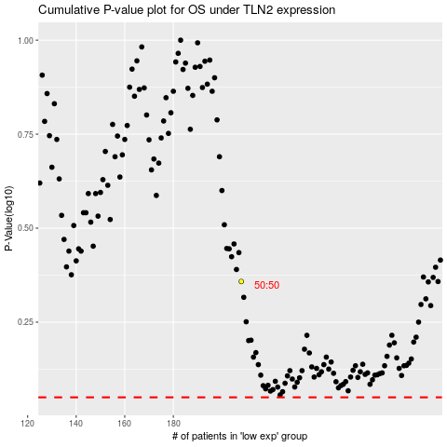

 |  |  |  |  |  | cases_OS | p_OS | rank | exp
 |  |  |  |  |  |  | cases_RFS | p_RFS | rank | exp

