TLR1 _multivariate
Reported by Tex Li-Hsing Chi. tex@gate.sinica.edu.tw 2019-08-15

Table 2. The clinicopathological features of HNSCC cohort and TLR1 expression. (Chi square test)
Cutoff at -0.463 (36.7%)
 |  | TLR1 expression |  | TLR1 expression |  | (Optimised)
 | Features | Low | (%) | High | (%) | Case no | P-value | Remark | Matthews
Gender | Female | 120 | 28.9 | 186 | 44.8 | 415 | 0.1222 | 0 | 0
2 | Male | 33 | 8 | 76 | 18.3
Age at diagnosis | <=65y | 107 | 25.8 | 167 | 40.2 | 415 | 0.2388 | 0 | 0
4 | >65y | 46 | 11.1 | 95 | 22.9
Clinical T Status | T1+T2 | 54 | 13 | 95 | 22.9 | 415 | 0.9269 | 0 | 0
6 | T3+T4 | 99 | 23.9 | 167 | 40.2
Clinical N Status | N0 | 80 | 19.3 | 136 | 32.8 | 415 | 1 | 0 | 0
8 | N1-3 | 73 | 17.6 | 126 | 30.4
Clinical M Status | M0 | 150 | 36.1 | 262 | 63.1 | 415 | 0.0495 | 1 | 0
10 | M1 | 3 | 0.7 | 0 | 0
Clinical Stage | Stage I+II | 38 | 9.2 | 64 | 15.4 | 415 | 1 | 0 | 0
12 | Stage III+IV | 115 | 27.7 | 198 | 47.7
Surgical Margin status | Negative | 115 | 27.7 | 203 | 48.9 | 415 | 0.6311 | 0 | 0
14 | Positive | 38 | 9.2 | 59 | 14.2
Tobacco Exposure | Low | 61 | 14.7 | 100 | 24.1 | 415 | 0.7547 | 0 | 0
16 | High | 92 | 22.2 | 162 | 39

Table 3. Univariate/Multivariate Cox's proportional hazards regression analyses on OS time of TLR1 gene expression in HNSCC

 |  | Univariate |  |  |  | Multivariate
 | Features | HR | CI95%(L) | CI95%(H) | P-value | HR | CI95%(L) | CI95%(H) | P-value
1 | Female | 1 |  |  |  | 1
Gender | Male | 1.157 | 0.843 | 1.587 | 0.367 | 1.213 | 0.868 | 1.697 | 0.258
11 | <=65y | 1 |  |  |  | 1
Age at diagnosis | >65y | 1.329 | 0.99 | 1.784 | 0.058 | 1.388 | 1.022 | 1.885 | 0.036
12 | T1+T2 | 1 |  |  |  | 1
Clinical T Status | T3+T4 | 1.409 | 1.028 | 1.931 | 0.033 | 2.13 | 1.126 | 4.029 | 0.02
13 | N0 | 1 |  |  |  | 1
Clinical N Status | N1-3 | 1.185 | 0.89 | 1.577 | 0.246 | 1.227 | 0.86 | 1.75 | 0.259
14 | M0 | 1 |  |  |  | 1
Clinical M Status | M1 | 4.097 | 1.009 | 16.644 | 0.049 | 7.582 | 1.635 | 35.171 | 0.01
15 | Stage I+II | 1 |  |  |  | 1
Clinical Stage | Stage III+IV | 1.245 | 0.882 | 1.759 | 0.213 | 0.525 | 0.244 | 1.126 | 0.098
16 | Negative | 1 |  |  |  | 1
Surgical Margin status | Positive | 1.591 | 1.155 | 2.191 | 0.004 | 1.686 | 1.22 | 2.329 | 0.002
17 | Low | 1 |  |  |  | 1
Tobacco Exposure | High | 1.364 | 1.008 | 1.844 | 0.044 | 1.466 | 1.063 | 2.022 | 0.02
18 | Low | 1 |  |  |  | 1
RNAseq(z-score) | High | 0.722 | 0.539 | 0.968 | 0.029 | 0.73 | 0.543 | 0.981 | 0.037

Table 4. Univariate/Multivariate Cox's proportional hazards regression analyses on RFS time of TLR1 gene expression in HNSCC

 |  | Univariate |  |  |  | Multivariate
 | Features | HR | CI95%(L) | CI95%(H) | P-value | HR | CI95%(L) | CI95%(H) | P-value
1 | Female | 1 |  |  |  | 1
Gender | Male | 1.157 | 0.843 | 1.587 | 0.367 | 1.213 | 0.868 | 1.697 | 0.258
11 | <=65y | 1 |  |  |  | 1
Age at diagnosis | >65y | 1.329 | 0.99 | 1.784 | 0.058 | 1.388 | 1.022 | 1.885 | 0.036
12 | T1+T2 | 1 |  |  |  | 1
Clinical T Status | T3+T4 | 1.409 | 1.028 | 1.931 | 0.033 | 2.13 | 1.126 | 4.029 | 0.02
13 | N0 | 1 |  |  |  | 1
Clinical N Status | N1-3 | 1.185 | 0.89 | 1.577 | 0.246 | 1.227 | 0.86 | 1.75 | 0.259
14 | M0 | 1 |  |  |  | 1
Clinical M Status | M1 | 4.097 | 1.009 | 16.644 | 0.049 | 7.582 | 1.635 | 35.171 | 0.01
15 | Stage I+II | 1 |  |  |  | 1
Clinical Stage | Stage III+IV | 1.245 | 0.882 | 1.759 | 0.213 | 0.525 | 0.244 | 1.126 | 0.098
16 | Negative | 1 |  |  |  | 1
Surgical Margin status | Positive | 1.591 | 1.155 | 2.191 | 0.004 | 1.686 | 1.22 | 2.329 | 0.002
17 | Low | 1 |  |  |  | 1
Tobacco Exposure | High | 1.364 | 1.008 | 1.844 | 0.044 | 1.466 | 1.063 | 2.022 | 0.02
18 | Low | 1 |  |  |  | 1
RNAseq(z-score) | High | 0.722 | 0.539 | 0.968 | 0.029 | 0.73 | 0.543 | 0.981 | 0.037

Kaplan-Meier survival estimate: Cutoff at -0.463 (36.7%)



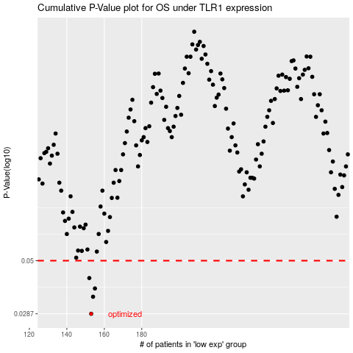

 |  |  |  |  |  | cases_OS | p_OS | rank | exp
 |  |  |  |  |  | 153 | 0.0287 | 303 | -0.46282185378
 |  |  |  |  |  | 154 | 0.0343 | 46 | -0.46067214159
 |  |  |  |  |  | 155 | 0.0374 | 131 | -0.45390862721
 |  |  |  |  |  | 152 | 0.0417 | 216 | -0.46631162347
 |  |  |  |  |  |  | cases_RFS | p_RFS | rank | exp
 |  |  |  |  |  |  | 152 | 0.0287 | 216 | -0.46631162347
 |  |  |  |  |  |  | 153 | 0.0343 | 303 | -0.46282185378
 |  |  |  |  |  |  | 154 | 0.0374 | 46 | -0.46067214159
 |  |  |  |  |  |  | 151 | 0.0417 | 68 | -0.47163789836

