TLR2 _multivariate
Reported by Tex Li-Hsing Chi. tex@gate.sinica.edu.tw 2019-08-15

Table 2. The clinicopathological features of HNSCC cohort and TLR2 expression. (Chi square test)
Cutoff at 0.056 (65.2%)
 |  | TLR2 expression |  | TLR2 expression |  | (Optimised)
 | Features | Low | (%) | High | (%) | Case no | P-value | Remark | Matthews
Gender | Female | 214 | 51.6 | 92 | 22.2 | 415 | 7e-04 | 1 | 0
2 | Male | 56 | 13.5 | 53 | 12.8
Age at diagnosis | <=65y | 188 | 45.3 | 86 | 20.7 | 415 | 0.0447 | 1 | 0
4 | >65y | 82 | 19.8 | 59 | 14.2
Clinical T Status | T1+T2 | 110 | 26.5 | 39 | 9.4 | 415 | 0.007 | 1 | 0
6 | T3+T4 | 160 | 38.6 | 106 | 25.5
Clinical N Status | N0 | 148 | 35.7 | 68 | 16.4 | 415 | 0.1509 | 0 | 0
8 | N1-3 | 122 | 29.4 | 77 | 18.6
Clinical M Status | M0 | 268 | 64.6 | 144 | 34.7 | 415 | 1 | 0 | 0
10 | M1 | 2 | 0.5 | 1 | 0.2
Clinical Stage | Stage I+II | 71 | 17.1 | 31 | 7.5 | 415 | 0.3223 | 0 | 0
12 | Stage III+IV | 199 | 48 | 114 | 27.5
Surgical Margin status | Negative | 209 | 50.4 | 109 | 26.3 | 415 | 0.6277 | 0 | 0
14 | Positive | 61 | 14.7 | 36 | 8.7
Tobacco Exposure | Low | 107 | 25.8 | 54 | 13 | 415 | 0.6732 | 0 | 0
16 | High | 163 | 39.3 | 91 | 21.9

Table 3. Univariate/Multivariate Cox's proportional hazards regression analyses on OS time of TLR2 gene expression in HNSCC

 |  | Univariate |  |  |  | Multivariate
 | Features | HR | CI95%(L) | CI95%(H) | P-value | HR | CI95%(L) | CI95%(H) | P-value
1 | Female | 1 |  |  |  | 1
Gender | Male | 1.157 | 0.843 | 1.587 | 0.367 | 1.155 | 0.824 | 1.618 | 0.403
11 | <=65y | 1 |  |  |  | 1
Age at diagnosis | >65y | 1.329 | 0.99 | 1.784 | 0.058 | 1.367 | 1.005 | 1.861 | 0.046
12 | T1+T2 | 1 |  |  |  | 1
Clinical T Status | T3+T4 | 1.409 | 1.028 | 1.931 | 0.033 | 2.02 | 1.058 | 3.856 | 0.033
13 | N0 | 1 |  |  |  | 1
Clinical N Status | N1-3 | 1.185 | 0.89 | 1.577 | 0.246 | 1.223 | 0.857 | 1.746 | 0.267
14 | M0 | 1 |  |  |  | 1
Clinical M Status | M1 | 4.097 | 1.009 | 16.644 | 0.049 | 8.987 | 1.959 | 41.23 | 0.005
15 | Stage I+II | 1 |  |  |  | 1
Clinical Stage | Stage III+IV | 1.245 | 0.882 | 1.759 | 0.213 | 0.548 | 0.254 | 1.185 | 0.127
16 | Negative | 1 |  |  |  | 1
Surgical Margin status | Positive | 1.591 | 1.155 | 2.191 | 0.004 | 1.643 | 1.188 | 2.271 | 0.003
17 | Low | 1 |  |  |  | 1
Tobacco Exposure | High | 1.364 | 1.008 | 1.844 | 0.044 | 1.432 | 1.038 | 1.974 | 0.029
18 | Low | 1 |  |  |  | 1
RNAseq(z-score) | High | 1.469 | 1.098 | 1.966 | 0.01 | 1.279 | 0.946 | 1.729 | 0.109

Table 4. Univariate/Multivariate Cox's proportional hazards regression analyses on RFS time of TLR2 gene expression in HNSCC

 |  | Univariate |  |  |  | Multivariate
 | Features | HR | CI95%(L) | CI95%(H) | P-value | HR | CI95%(L) | CI95%(H) | P-value
1 | Female | 1 |  |  |  | 1
Gender | Male | 1.157 | 0.843 | 1.587 | 0.367 | 1.155 | 0.824 | 1.618 | 0.403
11 | <=65y | 1 |  |  |  | 1
Age at diagnosis | >65y | 1.329 | 0.99 | 1.784 | 0.058 | 1.367 | 1.005 | 1.861 | 0.046
12 | T1+T2 | 1 |  |  |  | 1
Clinical T Status | T3+T4 | 1.409 | 1.028 | 1.931 | 0.033 | 2.02 | 1.058 | 3.856 | 0.033
13 | N0 | 1 |  |  |  | 1
Clinical N Status | N1-3 | 1.185 | 0.89 | 1.577 | 0.246 | 1.223 | 0.857 | 1.746 | 0.267
14 | M0 | 1 |  |  |  | 1
Clinical M Status | M1 | 4.097 | 1.009 | 16.644 | 0.049 | 8.987 | 1.959 | 41.23 | 0.005
15 | Stage I+II | 1 |  |  |  | 1
Clinical Stage | Stage III+IV | 1.245 | 0.882 | 1.759 | 0.213 | 0.548 | 0.254 | 1.185 | 0.127
16 | Negative | 1 |  |  |  | 1
Surgical Margin status | Positive | 1.591 | 1.155 | 2.191 | 0.004 | 1.643 | 1.188 | 2.271 | 0.003
17 | Low | 1 |  |  |  | 1
Tobacco Exposure | High | 1.364 | 1.008 | 1.844 | 0.044 | 1.432 | 1.038 | 1.974 | 0.029
18 | Low | 1 |  |  |  | 1
RNAseq(z-score) | High | 1.469 | 1.098 | 1.966 | 0.01 | 1.279 | 0.946 | 1.729 | 0.109

Kaplan-Meier survival estimate: Cutoff at 0.056 (65.2%)

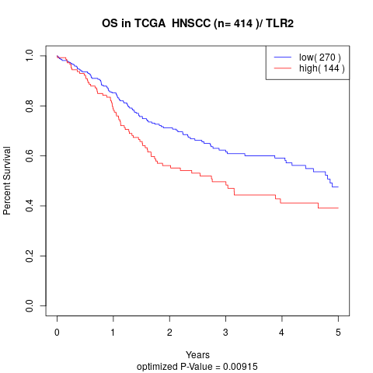

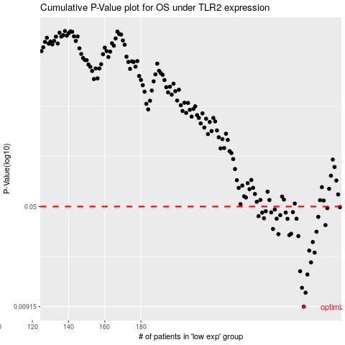

 |  |  |  |  |  | cases_OS | p_OS | rank | exp
 |  |  |  |  |  | 270 | 0.00915 | 249 | 0.056423928015
 |  |  |  |  |  | 271 | 0.0116 | 208 | 0.056571332939
 |  |  |  |  |  | 269 | 0.0126 | 301 | 0.053323761788
 |  |  |  |  |  | 272 | 0.0158 | 394 | 0.059181603411
 |  |  |  |  |  | 268 | 0.0167 | 6 | 0.049596222153
 |  |  |  |  |  | 274 | 0.0194 | 296 | 0.066947135503
 |  |  |  |  |  | 276 | 0.0229 | 214 | 0.084578419036
 |  |  |  |  |  | 273 | 0.0237 | 381 | 0.06407830476
 |  |  |  |  |  | 275 | 0.0274 | 91 | 0.077183354628
 |  |  |  |  |  | 267 | 0.0303 | 205 | 0.046761685617
 |  |  |  |  |  | 262 | 0.0308 | 280 | 0.026804262124
 |  |  |  |  |  | 256 | 0.0313 | 148 | -0.022453951299
 |  |  |  |  |  | 263 | 0.0315 | 241 | 0.036135595508
 |  |  |  |  |  | 277 | 0.0326 | 86 | 0.084860895004
 |  |  |  |  |  | 253 | 0.0342 | 389 | -0.02351496593
 |  |  |  |  |  | 282 | 0.0365 | 186 | 0.12290279697
 |  |  |  |  |  | 261 | 0.0406 | 109 | 0.019275781218
 |  |  |  |  |  | 255 | 0.0407 | 71 | -0.022663777696
 |  |  |  |  |  | 266 | 0.0407 | 282 | 0.046328345221
 |  |  |  |  |  | 248 | 0.041 | 240 | -0.054894014885
 |  |  |  |  |  | 278 | 0.042 | 52 | 0.084944223911
 |  |  |  |  |  | 245 | 0.0425 | 221 | -0.066527873356
 |  |  |  |  |  | 257 | 0.0432 | 377 | -0.012839089055
 |  |  |  |  |  | 247 | 0.0451 | 415 | -0.057227675503
 |  |  |  |  |  | 260 | 0.0452 | 147 | 0.0076205640734
 |  |  |  |  |  | 252 | 0.0453 | 122 | -0.025271491144
 |  |  |  |  |  | 264 | 0.0455 | 153 | 0.037017768858
 |  |  |  |  |  | 249 | 0.0462 | 155 | -0.049967080485
 |  |  |  |  |  | 254 | 0.0476 | 316 | -0.022681075213
 |  |  |  |  |  | 283 | 0.0487 | 191 | 0.12784702888
 |  |  |  |  |  | 290 | 0.0495 | 275 | 0.1664848679
 |  |  |  |  |  |  | cases_RFS | p_RFS | rank | exp
 |  |  |  |  |  |  | 269 | 0.00915 | 301 | 0.053323761788
 |  |  |  |  |  |  | 270 | 0.0116 | 249 | 0.056423928015
 |  |  |  |  |  |  | 268 | 0.0126 | 6 | 0.049596222153
 |  |  |  |  |  |  | 271 | 0.0158 | 208 | 0.056571332939
 |  |  |  |  |  |  | 267 | 0.0167 | 205 | 0.046761685617
 |  |  |  |  |  |  | 273 | 0.0194 | 381 | 0.06407830476
 |  |  |  |  |  |  | 275 | 0.0229 | 91 | 0.077183354628
 |  |  |  |  |  |  | 272 | 0.0237 | 394 | 0.059181603411
 |  |  |  |  |  |  | 274 | 0.0274 | 296 | 0.066947135503
 |  |  |  |  |  |  | 266 | 0.0303 | 282 | 0.046328345221
 |  |  |  |  |  |  | 261 | 0.0308 | 109 | 0.019275781218
 |  |  |  |  |  |  | 255 | 0.0313 | 71 | -0.022663777696
 |  |  |  |  |  |  | 262 | 0.0315 | 280 | 0.026804262124
 |  |  |  |  |  |  | 276 | 0.0326 | 214 | 0.084578419036
 |  |  |  |  |  |  | 252 | 0.0342 | 122 | -0.025271491144
 |  |  |  |  |  |  | 281 | 0.0365 | 272 | 0.12231317727
 |  |  |  |  |  |  | 260 | 0.0406 | 147 | 0.0076205640734
 |  |  |  |  |  |  | 265 | 0.0407 | 242 | 0.037378008444
 |  |  |  |  |  |  | 254 | 0.0407 | 316 | -0.022681075213
 |  |  |  |  |  |  | 247 | 0.041 | 415 | -0.057227675503
 |  |  |  |  |  |  | 277 | 0.042 | 86 | 0.084860895004
 |  |  |  |  |  |  | 244 | 0.0425 | 49 | -0.067528421886
 |  |  |  |  |  |  | 256 | 0.0432 | 148 | -0.022453951299
 |  |  |  |  |  |  | 246 | 0.0451 | 84 | -0.062402791664
 |  |  |  |  |  |  | 259 | 0.0452 | 126 | -0.0037535308218
 |  |  |  |  |  |  | 251 | 0.0453 | 233 | -0.028337964816
 |  |  |  |  |  |  | 263 | 0.0455 | 241 | 0.036135595508
 |  |  |  |  |  |  | 248 | 0.0462 | 240 | -0.054894014885
 |  |  |  |  |  |  | 253 | 0.0476 | 389 | -0.02351496593
 |  |  |  |  |  |  | 282 | 0.0487 | 186 | 0.12290279697
 |  |  |  |  |  |  | 289 | 0.0495 | 160 | 0.16641658031

