TLR3 _multivariate
Reported by Tex Li-Hsing Chi. tex@gate.sinica.edu.tw 2019-08-15

Table 2. The clinicopathological features of HNSCC cohort and TLR3 expression. (Chi square test)
Cutoff at -0.552 (40.1%)
 |  | TLR3 expression |  | TLR3 expression |  | (Optimised)
 | Features | Low | (%) | High | (%) | Case no | P-value | Remark | Matthews
Gender | Female | 135 | 32.5 | 171 | 41.2 | 415 | 0.0097 | 1 | 0
2 | Male | 32 | 7.7 | 77 | 18.6
Age at diagnosis | <=65y | 116 | 28 | 158 | 38.1 | 415 | 0.2681 | 0 | 0
4 | >65y | 51 | 12.3 | 90 | 21.7
Clinical T Status | T1+T2 | 48 | 11.6 | 101 | 24.3 | 415 | 0.0168 | 1 | 0
6 | T3+T4 | 119 | 28.7 | 147 | 35.4
Clinical N Status | N0 | 84 | 20.2 | 132 | 31.8 | 415 | 0.6277 | 0 | 0
8 | N1-3 | 83 | 20 | 116 | 28
Clinical M Status | M0 | 166 | 40 | 246 | 59.3 | 415 | 1 | 0 | 0
10 | M1 | 1 | 0.2 | 2 | 0.5
Clinical Stage | Stage I+II | 33 | 8 | 69 | 16.6 | 415 | 0.0794 | 0 | 0
12 | Stage III+IV | 134 | 32.3 | 179 | 43.1
Surgical Margin status | Negative | 133 | 32 | 185 | 44.6 | 415 | 0.24 | 0 | 0
14 | Positive | 34 | 8.2 | 63 | 15.2
Tobacco Exposure | Low | 49 | 11.8 | 112 | 27 | 415 | 0.0014 | 1 | 0
16 | High | 118 | 28.4 | 136 | 32.8

Table 3. Univariate/Multivariate Cox's proportional hazards regression analyses on OS time of TLR3 gene expression in HNSCC

 |  | Univariate |  |  |  | Multivariate
 | Features | HR | CI95%(L) | CI95%(H) | P-value | HR | CI95%(L) | CI95%(H) | P-value
1 | Female | 1 |  |  |  | 1
Gender | Male | 1.157 | 0.843 | 1.587 | 0.367 | 1.156 | 0.828 | 1.614 | 0.394
11 | <=65y | 1 |  |  |  | 1
Age at diagnosis | >65y | 1.329 | 0.99 | 1.784 | 0.058 | 1.397 | 1.027 | 1.899 | 0.033
12 | T1+T2 | 1 |  |  |  | 1
Clinical T Status | T3+T4 | 1.409 | 1.028 | 1.931 | 0.033 | 2.334 | 1.233 | 4.419 | 0.009
13 | N0 | 1 |  |  |  | 1
Clinical N Status | N1-3 | 1.185 | 0.89 | 1.577 | 0.246 | 1.272 | 0.891 | 1.814 | 0.185
14 | M0 | 1 |  |  |  | 1
Clinical M Status | M1 | 4.097 | 1.009 | 16.644 | 0.049 | 9.541 | 2.081 | 43.743 | 0.004
15 | Stage I+II | 1 |  |  |  | 1
Clinical Stage | Stage III+IV | 1.245 | 0.882 | 1.759 | 0.213 | 0.493 | 0.23 | 1.06 | 0.07
16 | Negative | 1 |  |  |  | 1
Surgical Margin status | Positive | 1.591 | 1.155 | 2.191 | 0.004 | 1.598 | 1.155 | 2.211 | 0.005
17 | Low | 1 |  |  |  | 1
Tobacco Exposure | High | 1.364 | 1.008 | 1.844 | 0.044 | 1.563 | 1.129 | 2.163 | 0.007
18 | Low | 1 |  |  |  | 1
RNAseq(z-score) | High | 1.36 | 1.008 | 1.836 | 0.044 | 1.469 | 1.073 | 2.011 | 0.016

Table 4. Univariate/Multivariate Cox's proportional hazards regression analyses on RFS time of TLR3 gene expression in HNSCC

 |  | Univariate |  |  |  | Multivariate
 | Features | HR | CI95%(L) | CI95%(H) | P-value | HR | CI95%(L) | CI95%(H) | P-value
1 | Female | 1 |  |  |  | 1
Gender | Male | 1.157 | 0.843 | 1.587 | 0.367 | 1.156 | 0.828 | 1.614 | 0.394
11 | <=65y | 1 |  |  |  | 1
Age at diagnosis | >65y | 1.329 | 0.99 | 1.784 | 0.058 | 1.397 | 1.027 | 1.899 | 0.033
12 | T1+T2 | 1 |  |  |  | 1
Clinical T Status | T3+T4 | 1.409 | 1.028 | 1.931 | 0.033 | 2.334 | 1.233 | 4.419 | 0.009
13 | N0 | 1 |  |  |  | 1
Clinical N Status | N1-3 | 1.185 | 0.89 | 1.577 | 0.246 | 1.272 | 0.891 | 1.814 | 0.185
14 | M0 | 1 |  |  |  | 1
Clinical M Status | M1 | 4.097 | 1.009 | 16.644 | 0.049 | 9.541 | 2.081 | 43.743 | 0.004
15 | Stage I+II | 1 |  |  |  | 1
Clinical Stage | Stage III+IV | 1.245 | 0.882 | 1.759 | 0.213 | 0.493 | 0.23 | 1.06 | 0.07
16 | Negative | 1 |  |  |  | 1
Surgical Margin status | Positive | 1.591 | 1.155 | 2.191 | 0.004 | 1.598 | 1.155 | 2.211 | 0.005
17 | Low | 1 |  |  |  | 1
Tobacco Exposure | High | 1.364 | 1.008 | 1.844 | 0.044 | 1.563 | 1.129 | 2.163 | 0.007
18 | Low | 1 |  |  |  | 1
RNAseq(z-score) | High | 1.36 | 1.008 | 1.836 | 0.044 | 1.469 | 1.073 | 2.011 | 0.016

Kaplan-Meier survival estimate: Cutoff at -0.552 (40.1%)



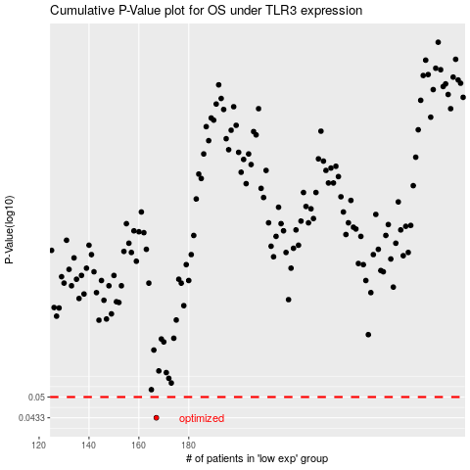

 |  |  |  |  |  | cases_OS | p_OS | rank | exp
 |  |  |  |  |  | 167 | 0.0433 | 43 | -0.55192926013
 |  |  |  |  |  |  | cases_RFS | p_RFS | rank | exp
 |  |  |  |  |  |  | 166 | 0.0433 | 219 | -0.56310683866

