TLR5 _multivariate
Reported by Tex Li-Hsing Chi. tex@gate.sinica.edu.tw 2019-08-15

Table 2. The clinicopathological features of HNSCC cohort and TLR5 expression. (Chi square test)
Cutoff at -0.037 (68.4%)
 |  | TLR5 expression |  | TLR5 expression |  | (Optimised)
 | Features | Low | (%) | High | (%) | Case no | P-value | Remark | Matthews
Gender | Female | 214 | 51.6 | 92 | 22.2 | 415 | 0.326 | 0 | 0
2 | Male | 70 | 16.9 | 39 | 9.4
Age at diagnosis | <=65y | 183 | 44.1 | 91 | 21.9 | 415 | 0.3714 | 0 | 0
4 | >65y | 101 | 24.3 | 40 | 9.6
Clinical T Status | T1+T2 | 96 | 23.1 | 53 | 12.8 | 415 | 0.2288 | 0 | 0
6 | T3+T4 | 188 | 45.3 | 78 | 18.8
Clinical N Status | N0 | 150 | 36.1 | 66 | 15.9 | 415 | 0.722 | 0 | 0
8 | N1-3 | 134 | 32.3 | 65 | 15.7
Clinical M Status | M0 | 281 | 67.7 | 131 | 31.6 | 415 | 0.5549 | 0 | 0
10 | M1 | 3 | 0.7 | 0 | 0
Clinical Stage | Stage I+II | 70 | 16.9 | 32 | 7.7 | 415 | 1 | 0 | 0
12 | Stage III+IV | 214 | 51.6 | 99 | 23.9
Surgical Margin status | Negative | 219 | 52.8 | 99 | 23.9 | 415 | 0.803 | 0 | 0
14 | Positive | 65 | 15.7 | 32 | 7.7
Tobacco Exposure | Low | 104 | 25.1 | 57 | 13.7 | 415 | 0.1943 | 0 | 0
16 | High | 180 | 43.4 | 74 | 17.8

Table 3. Univariate/Multivariate Cox's proportional hazards regression analyses on OS time of TLR5 gene expression in HNSCC

 |  | Univariate |  |  |  | Multivariate
 | Features | HR | CI95%(L) | CI95%(H) | P-value | HR | CI95%(L) | CI95%(H) | P-value
1 | Female | 1 |  |  |  | 1
Gender | Male | 1.157 | 0.843 | 1.587 | 0.367 | 1.221 | 0.872 | 1.711 | 0.246
11 | <=65y | 1 |  |  |  | 1
Age at diagnosis | >65y | 1.329 | 0.99 | 1.784 | 0.058 | 1.365 | 1.003 | 1.858 | 0.048
12 | T1+T2 | 1 |  |  |  | 1
Clinical T Status | T3+T4 | 1.409 | 1.028 | 1.931 | 0.033 | 2.067 | 1.089 | 3.923 | 0.026
13 | N0 | 1 |  |  |  | 1
Clinical N Status | N1-3 | 1.185 | 0.89 | 1.577 | 0.246 | 1.239 | 0.868 | 1.769 | 0.238
14 | M0 | 1 |  |  |  | 1
Clinical M Status | M1 | 4.097 | 1.009 | 16.644 | 0.049 | 8.209 | 1.778 | 37.909 | 0.007
15 | Stage I+II | 1 |  |  |  | 1
Clinical Stage | Stage III+IV | 1.245 | 0.882 | 1.759 | 0.213 | 0.543 | 0.252 | 1.171 | 0.119
16 | Negative | 1 |  |  |  | 1
Surgical Margin status | Positive | 1.591 | 1.155 | 2.191 | 0.004 | 1.668 | 1.208 | 2.302 | 0.002
17 | Low | 1 |  |  |  | 1
Tobacco Exposure | High | 1.364 | 1.008 | 1.844 | 0.044 | 1.435 | 1.04 | 1.98 | 0.028
18 | Low | 1 |  |  |  | 1
RNAseq(z-score) | High | 0.717 | 0.521 | 0.986 | 0.041 | 0.768 | 0.555 | 1.062 | 0.111

Table 4. Univariate/Multivariate Cox's proportional hazards regression analyses on RFS time of TLR5 gene expression in HNSCC

 |  | Univariate |  |  |  | Multivariate
 | Features | HR | CI95%(L) | CI95%(H) | P-value | HR | CI95%(L) | CI95%(H) | P-value
1 | Female | 1 |  |  |  | 1
Gender | Male | 1.157 | 0.843 | 1.587 | 0.367 | 1.221 | 0.872 | 1.711 | 0.246
11 | <=65y | 1 |  |  |  | 1
Age at diagnosis | >65y | 1.329 | 0.99 | 1.784 | 0.058 | 1.365 | 1.003 | 1.858 | 0.048
12 | T1+T2 | 1 |  |  |  | 1
Clinical T Status | T3+T4 | 1.409 | 1.028 | 1.931 | 0.033 | 2.067 | 1.089 | 3.923 | 0.026
13 | N0 | 1 |  |  |  | 1
Clinical N Status | N1-3 | 1.185 | 0.89 | 1.577 | 0.246 | 1.239 | 0.868 | 1.769 | 0.238
14 | M0 | 1 |  |  |  | 1
Clinical M Status | M1 | 4.097 | 1.009 | 16.644 | 0.049 | 8.209 | 1.778 | 37.909 | 0.007
15 | Stage I+II | 1 |  |  |  | 1
Clinical Stage | Stage III+IV | 1.245 | 0.882 | 1.759 | 0.213 | 0.543 | 0.252 | 1.171 | 0.119
16 | Negative | 1 |  |  |  | 1
Surgical Margin status | Positive | 1.591 | 1.155 | 2.191 | 0.004 | 1.668 | 1.208 | 2.302 | 0.002
17 | Low | 1 |  |  |  | 1
Tobacco Exposure | High | 1.364 | 1.008 | 1.844 | 0.044 | 1.435 | 1.04 | 1.98 | 0.028
18 | Low | 1 |  |  |  | 1
RNAseq(z-score) | High | 0.717 | 0.521 | 0.986 | 0.041 | 0.768 | 0.555 | 1.062 | 0.111

Kaplan-Meier survival estimate: Cutoff at -0.037 (68.4%)



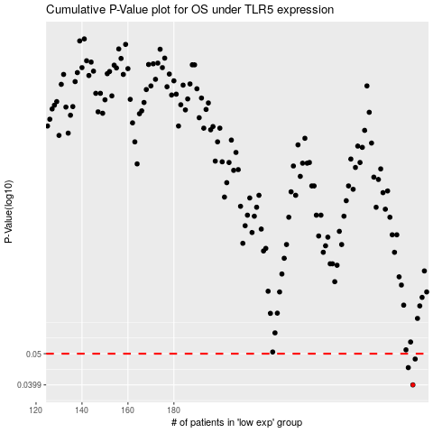

 |  |  |  |  |  | cases_OS | p_OS | rank | exp
 |  |  |  |  |  | 284 | 0.0399 | 31 | -0.036557951308
 |  |  |  |  |  | 282 | 0.0452 | 174 | -0.051310177251
 |  |  |  |  |  | 285 | 0.0481 | 32 | -0.034976361927
 |  |  |  |  |  |  | cases_RFS | p_RFS | rank | exp
 |  |  |  |  |  |  | 283 | 0.0399 | 296 | -0.041216715391
 |  |  |  |  |  |  | 281 | 0.0452 | 401 | -0.05378595591
 |  |  |  |  |  |  | 284 | 0.0481 | 31 | -0.036557951308

