TLR6 _multivariate
Reported by Tex Li-Hsing Chi. tex@gate.sinica.edu.tw 2019-08-15

Table 2. The clinicopathological features of HNSCC cohort and TLR6 expression. (Chi square test)
Cutoff at -0.197 (49.8%)
 |  | TLR6 expression |  | TLR6 expression |  | (Optimised)
 | Features | Low | (%) | High | (%) | Case no | P-value | Remark | Matthews
Gender | Female | 162 | 39 | 144 | 34.7 | 415 | 0.0479 | 1 | 0
2 | Male | 45 | 10.8 | 64 | 15.4
Age at diagnosis | <=65y | 138 | 33.3 | 136 | 32.8 | 415 | 0.8634 | 0 | 0
4 | >65y | 69 | 16.6 | 72 | 17.3
Clinical T Status | T1+T2 | 61 | 14.7 | 88 | 21.2 | 415 | 0.0087 | 1 | 0
6 | T3+T4 | 146 | 35.2 | 120 | 28.9
Clinical N Status | N0 | 110 | 26.5 | 106 | 25.5 | 415 | 0.7294 | 0 | 0
8 | N1-3 | 97 | 23.4 | 102 | 24.6
Clinical M Status | M0 | 205 | 49.4 | 207 | 49.9 | 415 | 0.6232 | 0 | 0
10 | M1 | 2 | 0.5 | 1 | 0.2
Clinical Stage | Stage I+II | 38 | 9.2 | 64 | 15.4 | 415 | 0.0048 | 1 | 0
12 | Stage III+IV | 169 | 40.7 | 144 | 34.7
Surgical Margin status | Negative | 152 | 36.6 | 166 | 40 | 415 | 0.1329 | 0 | 0
14 | Positive | 55 | 13.3 | 42 | 10.1
Tobacco Exposure | Low | 78 | 18.8 | 83 | 20 | 415 | 0.6873 | 0 | 0
16 | High | 129 | 31.1 | 125 | 30.1

Table 3. Univariate/Multivariate Cox's proportional hazards regression analyses on OS time of TLR6 gene expression in HNSCC

 |  | Univariate |  |  |  | Multivariate
 | Features | HR | CI95%(L) | CI95%(H) | P-value | HR | CI95%(L) | CI95%(H) | P-value
1 | Female | 1 |  |  |  | 1
Gender | Male | 1.157 | 0.843 | 1.587 | 0.367 | 1.199 | 0.858 | 1.675 | 0.288
11 | <=65y | 1 |  |  |  | 1
Age at diagnosis | >65y | 1.329 | 0.99 | 1.784 | 0.058 | 1.39 | 1.023 | 1.889 | 0.035
12 | T1+T2 | 1 |  |  |  | 1
Clinical T Status | T3+T4 | 1.409 | 1.028 | 1.931 | 0.033 | 2.202 | 1.164 | 4.164 | 0.015
13 | N0 | 1 |  |  |  | 1
Clinical N Status | N1-3 | 1.185 | 0.89 | 1.577 | 0.246 | 1.256 | 0.878 | 1.798 | 0.213
14 | M0 | 1 |  |  |  | 1
Clinical M Status | M1 | 4.097 | 1.009 | 16.644 | 0.049 | 9.15 | 1.988 | 42.101 | 0.004
15 | Stage I+II | 1 |  |  |  | 1
Clinical Stage | Stage III+IV | 1.245 | 0.882 | 1.759 | 0.213 | 0.495 | 0.23 | 1.066 | 0.073
16 | Negative | 1 |  |  |  | 1
Surgical Margin status | Positive | 1.591 | 1.155 | 2.191 | 0.004 | 1.652 | 1.191 | 2.289 | 0.003
17 | Low | 1 |  |  |  | 1
Tobacco Exposure | High | 1.364 | 1.008 | 1.844 | 0.044 | 1.45 | 1.053 | 1.998 | 0.023
18 | Low | 1 |  |  |  | 1
RNAseq(z-score) | High | 0.85 | 0.638 | 1.132 | 0.266 | 0.926 | 0.69 | 1.244 | 0.61

Table 4. Univariate/Multivariate Cox's proportional hazards regression analyses on RFS time of TLR6 gene expression in HNSCC

 |  | Univariate |  |  |  | Multivariate
 | Features | HR | CI95%(L) | CI95%(H) | P-value | HR | CI95%(L) | CI95%(H) | P-value
1 | Female | 1 |  |  |  | 1
Gender | Male | 1.157 | 0.843 | 1.587 | 0.367 | 1.199 | 0.858 | 1.675 | 0.288
11 | <=65y | 1 |  |  |  | 1
Age at diagnosis | >65y | 1.329 | 0.99 | 1.784 | 0.058 | 1.39 | 1.023 | 1.889 | 0.035
12 | T1+T2 | 1 |  |  |  | 1
Clinical T Status | T3+T4 | 1.409 | 1.028 | 1.931 | 0.033 | 2.202 | 1.164 | 4.164 | 0.015
13 | N0 | 1 |  |  |  | 1
Clinical N Status | N1-3 | 1.185 | 0.89 | 1.577 | 0.246 | 1.256 | 0.878 | 1.798 | 0.213
14 | M0 | 1 |  |  |  | 1
Clinical M Status | M1 | 4.097 | 1.009 | 16.644 | 0.049 | 9.15 | 1.988 | 42.101 | 0.004
15 | Stage I+II | 1 |  |  |  | 1
Clinical Stage | Stage III+IV | 1.245 | 0.882 | 1.759 | 0.213 | 0.495 | 0.23 | 1.066 | 0.073
16 | Negative | 1 |  |  |  | 1
Surgical Margin status | Positive | 1.591 | 1.155 | 2.191 | 0.004 | 1.652 | 1.191 | 2.289 | 0.003
17 | Low | 1 |  |  |  | 1
Tobacco Exposure | High | 1.364 | 1.008 | 1.844 | 0.044 | 1.45 | 1.053 | 1.998 | 0.023
18 | Low | 1 |  |  |  | 1
RNAseq(z-score) | High | 0.85 | 0.638 | 1.132 | 0.266 | 0.926 | 0.69 | 1.244 | 0.61

Kaplan-Meier survival estimate: Cutoff at -0.197 (49.8%)



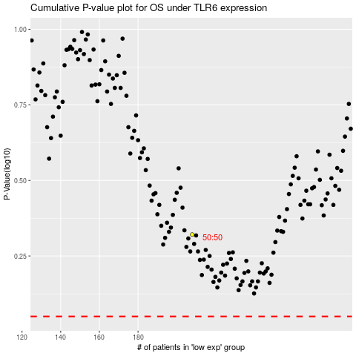

 |  |  |  |  |  | cases_OS | p_OS | rank | exp
 |  |  |  |  |  |  | cases_RFS | p_RFS | rank | exp

