TLR8 _multivariate
Reported by Tex Li-Hsing Chi. tex@gate.sinica.edu.tw 2019-08-15

Table 2. The clinicopathological features of HNSCC cohort and TLR8 expression. (Chi square test)
Cutoff at -0.322 (49.8%)
 |  | TLR8 expression |  | TLR8 expression |  | (Optimised)
 | Features | Low | (%) | High | (%) | Case no | P-value | Remark | Matthews
Gender | Female | 161 | 38.8 | 145 | 34.9 | 415 | 0.0792 | 0 | 0
2 | Male | 46 | 11.1 | 63 | 15.2
Age at diagnosis | <=65y | 144 | 34.7 | 130 | 31.3 | 415 | 0.1568 | 0 | 0
4 | >65y | 63 | 15.2 | 78 | 18.8
Clinical T Status | T1+T2 | 79 | 19 | 70 | 16.9 | 415 | 0.3924 | 0 | 0
6 | T3+T4 | 128 | 30.8 | 138 | 33.3
Clinical N Status | N0 | 119 | 28.7 | 97 | 23.4 | 415 | 0.0345 | 1 | 0
8 | N1-3 | 88 | 21.2 | 111 | 26.7
Clinical M Status | M0 | 204 | 49.2 | 208 | 50.1 | 415 | 0.1232 | 0 | 0
10 | M1 | 3 | 0.7 | 0 | 0
Clinical Stage | Stage I+II | 56 | 13.5 | 46 | 11.1 | 415 | 0.2918 | 0 | 0
12 | Stage III+IV | 151 | 36.4 | 162 | 39
Surgical Margin status | Negative | 152 | 36.6 | 166 | 40 | 415 | 0.1329 | 0 | 0
14 | Positive | 55 | 13.3 | 42 | 10.1
Tobacco Exposure | Low | 73 | 17.6 | 88 | 21.2 | 415 | 0.1587 | 0 | 0
16 | High | 134 | 32.3 | 120 | 28.9

Table 3. Univariate/Multivariate Cox's proportional hazards regression analyses on OS time of TLR8 gene expression in HNSCC

 |  | Univariate |  |  |  | Multivariate
 | Features | HR | CI95%(L) | CI95%(H) | P-value | HR | CI95%(L) | CI95%(H) | P-value
1 | Female | 1 |  |  |  | 1
Gender | Male | 1.157 | 0.843 | 1.587 | 0.367 | 1.206 | 0.863 | 1.686 | 0.272
11 | <=65y | 1 |  |  |  | 1
Age at diagnosis | >65y | 1.329 | 0.99 | 1.784 | 0.058 | 1.392 | 1.025 | 1.891 | 0.034
12 | T1+T2 | 1 |  |  |  | 1
Clinical T Status | T3+T4 | 1.409 | 1.028 | 1.931 | 0.033 | 2.224 | 1.175 | 4.207 | 0.014
13 | N0 | 1 |  |  |  | 1
Clinical N Status | N1-3 | 1.185 | 0.89 | 1.577 | 0.246 | 1.253 | 0.877 | 1.79 | 0.215
14 | M0 | 1 |  |  |  | 1
Clinical M Status | M1 | 4.097 | 1.009 | 16.644 | 0.049 | 8.991 | 1.95 | 41.46 | 0.005
15 | Stage I+II | 1 |  |  |  | 1
Clinical Stage | Stage III+IV | 1.245 | 0.882 | 1.759 | 0.213 | 0.501 | 0.234 | 1.076 | 0.077
16 | Negative | 1 |  |  |  | 1
Surgical Margin status | Positive | 1.591 | 1.155 | 2.191 | 0.004 | 1.66 | 1.201 | 2.296 | 0.002
17 | Low | 1 |  |  |  | 1
Tobacco Exposure | High | 1.364 | 1.008 | 1.844 | 0.044 | 1.436 | 1.04 | 1.983 | 0.028
18 | Low | 1 |  |  |  | 1
RNAseq(z-score) | High | 0.889 | 0.667 | 1.185 | 0.422 | 0.907 | 0.676 | 1.216 | 0.513

Table 4. Univariate/Multivariate Cox's proportional hazards regression analyses on RFS time of TLR8 gene expression in HNSCC

 |  | Univariate |  |  |  | Multivariate
 | Features | HR | CI95%(L) | CI95%(H) | P-value | HR | CI95%(L) | CI95%(H) | P-value
1 | Female | 1 |  |  |  | 1
Gender | Male | 1.157 | 0.843 | 1.587 | 0.367 | 1.206 | 0.863 | 1.686 | 0.272
11 | <=65y | 1 |  |  |  | 1
Age at diagnosis | >65y | 1.329 | 0.99 | 1.784 | 0.058 | 1.392 | 1.025 | 1.891 | 0.034
12 | T1+T2 | 1 |  |  |  | 1
Clinical T Status | T3+T4 | 1.409 | 1.028 | 1.931 | 0.033 | 2.224 | 1.175 | 4.207 | 0.014
13 | N0 | 1 |  |  |  | 1
Clinical N Status | N1-3 | 1.185 | 0.89 | 1.577 | 0.246 | 1.253 | 0.877 | 1.79 | 0.215
14 | M0 | 1 |  |  |  | 1
Clinical M Status | M1 | 4.097 | 1.009 | 16.644 | 0.049 | 8.991 | 1.95 | 41.46 | 0.005
15 | Stage I+II | 1 |  |  |  | 1
Clinical Stage | Stage III+IV | 1.245 | 0.882 | 1.759 | 0.213 | 0.501 | 0.234 | 1.076 | 0.077
16 | Negative | 1 |  |  |  | 1
Surgical Margin status | Positive | 1.591 | 1.155 | 2.191 | 0.004 | 1.66 | 1.201 | 2.296 | 0.002
17 | Low | 1 |  |  |  | 1
Tobacco Exposure | High | 1.364 | 1.008 | 1.844 | 0.044 | 1.436 | 1.04 | 1.983 | 0.028
18 | Low | 1 |  |  |  | 1
RNAseq(z-score) | High | 0.889 | 0.667 | 1.185 | 0.422 | 0.907 | 0.676 | 1.216 | 0.513

Kaplan-Meier survival estimate: Cutoff at -0.322 (49.8%)



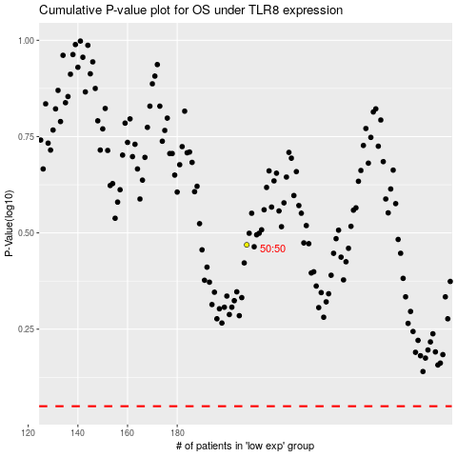

 |  |  |  |  |  | cases_OS | p_OS | rank | exp
 |  |  |  |  |  |  | cases_RFS | p_RFS | rank | exp

