TM2D1 _multivariate
Reported by Tex Li-Hsing Chi. tex@gate.sinica.edu.tw 2019-08-15

Table 2. The clinicopathological features of HNSCC cohort and TM2D1 expression. (Chi square test)
Cutoff at -0.21 (50.0%)
 |  | TM2D1 expression |  | TM2D1 expression |  | (Optimised)
 | Features | Low | (%) | High | (%) | Case no | P-value | Remark | Matthews
Gender | Female | 142 | 34.2 | 164 | 39.5 | 415 | 0.0238 | 1 | 0
2 | Male | 65 | 15.7 | 44 | 10.6
Age at diagnosis | <=65y | 125 | 30.1 | 149 | 35.9 | 415 | 0.0206 | 1 | 0
4 | >65y | 82 | 19.8 | 59 | 14.2
Clinical T Status | T1+T2 | 73 | 17.6 | 76 | 18.3 | 415 | 0.8666 | 0 | 0
6 | T3+T4 | 134 | 32.3 | 132 | 31.8
Clinical N Status | N0 | 115 | 27.7 | 101 | 24.3 | 415 | 0.184 | 1 | 0
8 | N1-3 | 92 | 22.2 | 107 | 25.8
Clinical M Status | M0 | 206 | 49.6 | 206 | 49.6 | 415 | 1 | 0 | 0
10 | M1 | 1 | 0.2 | 2 | 0.5
Clinical Stage | Stage I+II | 51 | 12.3 | 51 | 12.3 | 415 | 1 | 0 | 0
12 | Stage III+IV | 156 | 37.6 | 157 | 37.8
Surgical Margin status | Negative | 163 | 39.3 | 155 | 37.3 | 415 | 0.3537 | 0 | 0
14 | Positive | 44 | 10.6 | 53 | 12.8
Tobacco Exposure | Low | 90 | 21.7 | 71 | 17.1 | 415 | 0.0559 | 0 | 0
16 | High | 117 | 28.2 | 137 | 33

Table 3. Univariate/Multivariate Cox's proportional hazards regression analyses on OS time of TM2D1 gene expression in HNSCC

 |  | Univariate |  |  |  | Multivariate
 | Features | HR | CI95%(L) | CI95%(H) | P-value | HR | CI95%(L) | CI95%(H) | P-value
1 | Female | 1 |  |  |  | 1
Gender | Male | 1.157 | 0.843 | 1.587 | 0.367 | 1.198 | 0.858 | 1.673 | 0.289
11 | <=65y | 1 |  |  |  | 1
Age at diagnosis | >65y | 1.329 | 0.99 | 1.784 | 0.058 | 1.416 | 1.038 | 1.932 | 0.028
12 | T1+T2 | 1 |  |  |  | 1
Clinical T Status | T3+T4 | 1.409 | 1.028 | 1.931 | 0.033 | 2.209 | 1.168 | 4.179 | 0.015
13 | N0 | 1 |  |  |  | 1
Clinical N Status | N1-3 | 1.185 | 0.89 | 1.577 | 0.246 | 1.232 | 0.863 | 1.758 | 0.251
14 | M0 | 1 |  |  |  | 1
Clinical M Status | M1 | 4.097 | 1.009 | 16.644 | 0.049 | 9.313 | 2.031 | 42.702 | 0.004
15 | Stage I+II | 1 |  |  |  | 1
Clinical Stage | Stage III+IV | 1.245 | 0.882 | 1.759 | 0.213 | 0.506 | 0.236 | 1.087 | 0.081
16 | Negative | 1 |  |  |  | 1
Surgical Margin status | Positive | 1.591 | 1.155 | 2.191 | 0.004 | 1.659 | 1.2 | 2.293 | 0.002
17 | Low | 1 |  |  |  | 1
Tobacco Exposure | High | 1.364 | 1.008 | 1.844 | 0.044 | 1.425 | 1.03 | 1.97 | 0.032
18 | Low | 1 |  |  |  | 1
RNAseq(z-score) | High | 1.146 | 0.861 | 1.527 | 0.35 | 1.119 | 0.832 | 1.506 | 0.457

Table 4. Univariate/Multivariate Cox's proportional hazards regression analyses on RFS time of TM2D1 gene expression in HNSCC

 |  | Univariate |  |  |  | Multivariate
 | Features | HR | CI95%(L) | CI95%(H) | P-value | HR | CI95%(L) | CI95%(H) | P-value
1 | Female | 1 |  |  |  | 1
Gender | Male | 1.157 | 0.843 | 1.587 | 0.367 | 1.198 | 0.858 | 1.673 | 0.289
11 | <=65y | 1 |  |  |  | 1
Age at diagnosis | >65y | 1.329 | 0.99 | 1.784 | 0.058 | 1.416 | 1.038 | 1.932 | 0.028
12 | T1+T2 | 1 |  |  |  | 1
Clinical T Status | T3+T4 | 1.409 | 1.028 | 1.931 | 0.033 | 2.209 | 1.168 | 4.179 | 0.015
13 | N0 | 1 |  |  |  | 1
Clinical N Status | N1-3 | 1.185 | 0.89 | 1.577 | 0.246 | 1.232 | 0.863 | 1.758 | 0.251
14 | M0 | 1 |  |  |  | 1
Clinical M Status | M1 | 4.097 | 1.009 | 16.644 | 0.049 | 9.313 | 2.031 | 42.702 | 0.004
15 | Stage I+II | 1 |  |  |  | 1
Clinical Stage | Stage III+IV | 1.245 | 0.882 | 1.759 | 0.213 | 0.506 | 0.236 | 1.087 | 0.081
16 | Negative | 1 |  |  |  | 1
Surgical Margin status | Positive | 1.591 | 1.155 | 2.191 | 0.004 | 1.659 | 1.2 | 2.293 | 0.002
17 | Low | 1 |  |  |  | 1
Tobacco Exposure | High | 1.364 | 1.008 | 1.844 | 0.044 | 1.425 | 1.03 | 1.97 | 0.032
18 | Low | 1 |  |  |  | 1
RNAseq(z-score) | High | 1.146 | 0.861 | 1.527 | 0.35 | 1.119 | 0.832 | 1.506 | 0.457

Kaplan-Meier survival estimate: Cutoff at -0.21 (50.0%)



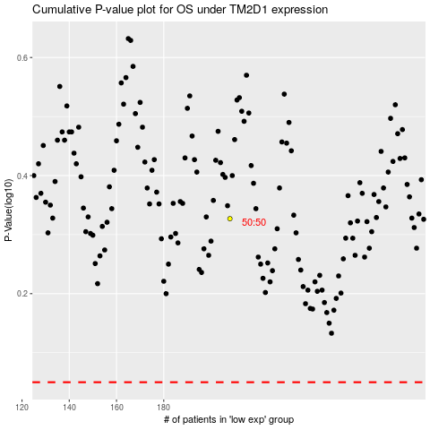

 |  |  |  |  |  | cases_OS | p_OS | rank | exp
 |  |  |  |  |  |  | cases_RFS | p_RFS | rank | exp

