TM2D2 _multivariate
Reported by Tex Li-Hsing Chi. tex@gate.sinica.edu.tw 2019-08-15

Table 2. The clinicopathological features of HNSCC cohort and TM2D2 expression. (Chi square test)
Cutoff at -0.202 (49.8%)
 |  | TM2D2 expression |  | TM2D2 expression |  | (Optimised)
 | Features | Low | (%) | High | (%) | Case no | P-value | Remark | Matthews
Gender | Female | 152 | 36.6 | 154 | 37.1 | 415 | 0.9766 | 0 | 0
2 | Male | 55 | 13.3 | 54 | 13
Age at diagnosis | <=65y | 145 | 34.9 | 129 | 31.1 | 415 | 0.1046 | 0 | 0
4 | >65y | 62 | 14.9 | 79 | 19
Clinical T Status | T1+T2 | 73 | 17.6 | 76 | 18.3 | 415 | 0.8666 | 0 | 0
6 | T3+T4 | 134 | 32.3 | 132 | 31.8
Clinical N Status | N0 | 109 | 26.3 | 107 | 25.8 | 415 | 0.8812 | 0 | 0
8 | N1-3 | 98 | 23.6 | 101 | 24.3
Clinical M Status | M0 | 205 | 49.4 | 207 | 49.9 | 415 | 0.6232 | 0 | 0
10 | M1 | 2 | 0.5 | 1 | 0.2
Clinical Stage | Stage I+II | 49 | 11.8 | 53 | 12.8 | 415 | 0.7535 | 0 | 0
12 | Stage III+IV | 158 | 38.1 | 155 | 37.3
Surgical Margin status | Negative | 160 | 38.6 | 158 | 38.1 | 415 | 0.8167 | 0 | 0
14 | Positive | 47 | 11.3 | 50 | 12
Tobacco Exposure | Low | 84 | 20.2 | 77 | 18.6 | 415 | 0.4816 | 0 | 0
16 | High | 123 | 29.6 | 131 | 31.6

Table 3. Univariate/Multivariate Cox's proportional hazards regression analyses on OS time of TM2D2 gene expression in HNSCC

 |  | Univariate |  |  |  | Multivariate
 | Features | HR | CI95%(L) | CI95%(H) | P-value | HR | CI95%(L) | CI95%(H) | P-value
1 | Female | 1 |  |  |  | 1
Gender | Male | 1.157 | 0.843 | 1.587 | 0.367 | 1.198 | 0.857 | 1.675 | 0.29
11 | <=65y | 1 |  |  |  | 1
Age at diagnosis | >65y | 1.329 | 0.99 | 1.784 | 0.058 | 1.391 | 1.023 | 1.891 | 0.035
12 | T1+T2 | 1 |  |  |  | 1
Clinical T Status | T3+T4 | 1.409 | 1.028 | 1.931 | 0.033 | 2.206 | 1.166 | 4.171 | 0.015
13 | N0 | 1 |  |  |  | 1
Clinical N Status | N1-3 | 1.185 | 0.89 | 1.577 | 0.246 | 1.239 | 0.868 | 1.768 | 0.238
14 | M0 | 1 |  |  |  | 1
Clinical M Status | M1 | 4.097 | 1.009 | 16.644 | 0.049 | 9.44 | 2.059 | 43.284 | 0.004
15 | Stage I+II | 1 |  |  |  | 1
Clinical Stage | Stage III+IV | 1.245 | 0.882 | 1.759 | 0.213 | 0.504 | 0.235 | 1.083 | 0.079
16 | Negative | 1 |  |  |  | 1
Surgical Margin status | Positive | 1.591 | 1.155 | 2.191 | 0.004 | 1.672 | 1.21 | 2.31 | 0.002
17 | Low | 1 |  |  |  | 1
Tobacco Exposure | High | 1.364 | 1.008 | 1.844 | 0.044 | 1.448 | 1.05 | 1.998 | 0.024
18 | Low | 1 |  |  |  | 1
RNAseq(z-score) | High | 1.065 | 0.798 | 1.421 | 0.67 | 1.034 | 0.773 | 1.383 | 0.823

Table 4. Univariate/Multivariate Cox's proportional hazards regression analyses on RFS time of TM2D2 gene expression in HNSCC

 |  | Univariate |  |  |  | Multivariate
 | Features | HR | CI95%(L) | CI95%(H) | P-value | HR | CI95%(L) | CI95%(H) | P-value
1 | Female | 1 |  |  |  | 1
Gender | Male | 1.157 | 0.843 | 1.587 | 0.367 | 1.198 | 0.857 | 1.675 | 0.29
11 | <=65y | 1 |  |  |  | 1
Age at diagnosis | >65y | 1.329 | 0.99 | 1.784 | 0.058 | 1.391 | 1.023 | 1.891 | 0.035
12 | T1+T2 | 1 |  |  |  | 1
Clinical T Status | T3+T4 | 1.409 | 1.028 | 1.931 | 0.033 | 2.206 | 1.166 | 4.171 | 0.015
13 | N0 | 1 |  |  |  | 1
Clinical N Status | N1-3 | 1.185 | 0.89 | 1.577 | 0.246 | 1.239 | 0.868 | 1.768 | 0.238
14 | M0 | 1 |  |  |  | 1
Clinical M Status | M1 | 4.097 | 1.009 | 16.644 | 0.049 | 9.44 | 2.059 | 43.284 | 0.004
15 | Stage I+II | 1 |  |  |  | 1
Clinical Stage | Stage III+IV | 1.245 | 0.882 | 1.759 | 0.213 | 0.504 | 0.235 | 1.083 | 0.079
16 | Negative | 1 |  |  |  | 1
Surgical Margin status | Positive | 1.591 | 1.155 | 2.191 | 0.004 | 1.672 | 1.21 | 2.31 | 0.002
17 | Low | 1 |  |  |  | 1
Tobacco Exposure | High | 1.364 | 1.008 | 1.844 | 0.044 | 1.448 | 1.05 | 1.998 | 0.024
18 | Low | 1 |  |  |  | 1
RNAseq(z-score) | High | 1.065 | 0.798 | 1.421 | 0.67 | 1.034 | 0.773 | 1.383 | 0.823

Kaplan-Meier survival estimate: Cutoff at -0.202 (49.8%)



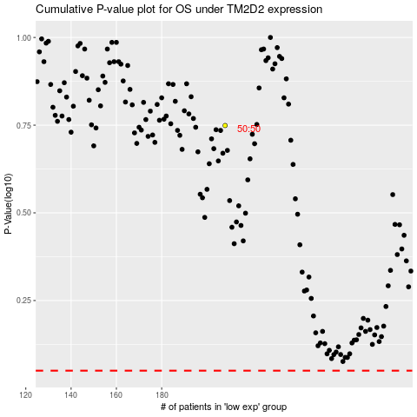

 |  |  |  |  |  | cases_OS | p_OS | rank | exp
 |  |  |  |  |  |  | cases_RFS | p_RFS | rank | exp

