TM4SF19 _multivariate
Reported by Tex Li-Hsing Chi. tex@gate.sinica.edu.tw 2019-08-15

Table 2. The clinicopathological features of HNSCC cohort and TM4SF19 expression. (Chi square test)
Cutoff at -0.172 (50.0%)
 |  | TM4SF19 expression |  | TM4SF19 expression |  | (Optimised)
 | Features | Low | (%) | High | (%) | Case no | P-value | Remark | Matthews
Gender | Female | 165 | 39.8 | 141 | 34 | 415 | 0.0081 | 1 | 0
2 | Male | 42 | 10.1 | 67 | 16.1
Age at diagnosis | <=65y | 127 | 30.6 | 147 | 35.4 | 415 | 0.0573 | 0 | 0
4 | >65y | 80 | 19.3 | 61 | 14.7
Clinical T Status | T1+T2 | 85 | 20.5 | 64 | 15.4 | 415 | 0.0372 | 1 | 0
6 | T3+T4 | 122 | 29.4 | 144 | 34.7
Clinical N Status | N0 | 110 | 26.5 | 106 | 25.5 | 415 | 0.7294 | 0 | 0
8 | N1-3 | 97 | 23.4 | 102 | 24.6
Clinical M Status | M0 | 207 | 49.9 | 205 | 49.4 | 415 | 0.2482 | 0 | 0
10 | M1 | 0 | 0 | 3 | 0.7
Clinical Stage | Stage I+II | 55 | 13.3 | 47 | 11.3 | 415 | 0.4087 | 0 | 0
12 | Stage III+IV | 152 | 36.6 | 161 | 38.8
Surgical Margin status | Negative | 155 | 37.3 | 163 | 39.3 | 415 | 0.4187 | 0 | 0
14 | Positive | 52 | 12.5 | 45 | 10.8
Tobacco Exposure | Low | 80 | 19.3 | 81 | 19.5 | 415 | 1 | 0 | 0
16 | High | 127 | 30.6 | 127 | 30.6

Table 3. Univariate/Multivariate Cox's proportional hazards regression analyses on OS time of TM4SF19 gene expression in HNSCC

 |  | Univariate |  |  |  | Multivariate
 | Features | HR | CI95%(L) | CI95%(H) | P-value | HR | CI95%(L) | CI95%(H) | P-value
1 | Female | 1 |  |  |  | 1
Gender | Male | 1.157 | 0.843 | 1.587 | 0.367 | 1.189 | 0.85 | 1.663 | 0.312
11 | <=65y | 1 |  |  |  | 1
Age at diagnosis | >65y | 1.329 | 0.99 | 1.784 | 0.058 | 1.415 | 1.036 | 1.933 | 0.029
12 | T1+T2 | 1 |  |  |  | 1
Clinical T Status | T3+T4 | 1.409 | 1.028 | 1.931 | 0.033 | 2.178 | 1.151 | 4.122 | 0.017
13 | N0 | 1 |  |  |  | 1
Clinical N Status | N1-3 | 1.185 | 0.89 | 1.577 | 0.246 | 1.242 | 0.871 | 1.773 | 0.232
14 | M0 | 1 |  |  |  | 1
Clinical M Status | M1 | 4.097 | 1.009 | 16.644 | 0.049 | 8.937 | 1.931 | 41.366 | 0.005
15 | Stage I+II | 1 |  |  |  | 1
Clinical Stage | Stage III+IV | 1.245 | 0.882 | 1.759 | 0.213 | 0.506 | 0.236 | 1.085 | 0.08
16 | Negative | 1 |  |  |  | 1
Surgical Margin status | Positive | 1.591 | 1.155 | 2.191 | 0.004 | 1.683 | 1.217 | 2.327 | 0.002
17 | Low | 1 |  |  |  | 1
Tobacco Exposure | High | 1.364 | 1.008 | 1.844 | 0.044 | 1.452 | 1.054 | 2 | 0.022
18 | Low | 1 |  |  |  | 1
RNAseq(z-score) | High | 1.073 | 0.805 | 1.429 | 0.631 | 1.091 | 0.812 | 1.466 | 0.564

Table 4. Univariate/Multivariate Cox's proportional hazards regression analyses on RFS time of TM4SF19 gene expression in HNSCC

 |  | Univariate |  |  |  | Multivariate
 | Features | HR | CI95%(L) | CI95%(H) | P-value | HR | CI95%(L) | CI95%(H) | P-value
1 | Female | 1 |  |  |  | 1
Gender | Male | 1.157 | 0.843 | 1.587 | 0.367 | 1.189 | 0.85 | 1.663 | 0.312
11 | <=65y | 1 |  |  |  | 1
Age at diagnosis | >65y | 1.329 | 0.99 | 1.784 | 0.058 | 1.415 | 1.036 | 1.933 | 0.029
12 | T1+T2 | 1 |  |  |  | 1
Clinical T Status | T3+T4 | 1.409 | 1.028 | 1.931 | 0.033 | 2.178 | 1.151 | 4.122 | 0.017
13 | N0 | 1 |  |  |  | 1
Clinical N Status | N1-3 | 1.185 | 0.89 | 1.577 | 0.246 | 1.242 | 0.871 | 1.773 | 0.232
14 | M0 | 1 |  |  |  | 1
Clinical M Status | M1 | 4.097 | 1.009 | 16.644 | 0.049 | 8.937 | 1.931 | 41.366 | 0.005
15 | Stage I+II | 1 |  |  |  | 1
Clinical Stage | Stage III+IV | 1.245 | 0.882 | 1.759 | 0.213 | 0.506 | 0.236 | 1.085 | 0.08
16 | Negative | 1 |  |  |  | 1
Surgical Margin status | Positive | 1.591 | 1.155 | 2.191 | 0.004 | 1.683 | 1.217 | 2.327 | 0.002
17 | Low | 1 |  |  |  | 1
Tobacco Exposure | High | 1.364 | 1.008 | 1.844 | 0.044 | 1.452 | 1.054 | 2 | 0.022
18 | Low | 1 |  |  |  | 1
RNAseq(z-score) | High | 1.073 | 0.805 | 1.429 | 0.631 | 1.091 | 0.812 | 1.466 | 0.564

Kaplan-Meier survival estimate: Cutoff at -0.172 (50.0%)



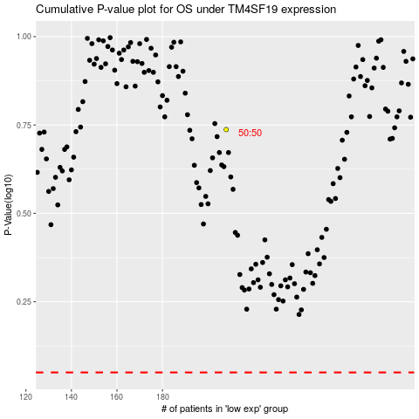

 |  |  |  |  |  | cases_OS | p_OS | rank | exp
 |  |  |  |  |  |  | cases_RFS | p_RFS | rank | exp

