TM6SF1 _multivariate
Reported by Tex Li-Hsing Chi. tex@gate.sinica.edu.tw 2019-08-15

Table 2. The clinicopathological features of HNSCC cohort and TM6SF1 expression. (Chi square test)
Cutoff at -0.277 (50.0%)
 |  | TM6SF1 expression |  | TM6SF1 expression |  | (Optimised)
 | Features | Low | (%) | High | (%) | Case no | P-value | Remark | Matthews
Gender | Female | 162 | 39 | 144 | 34.7 | 415 | 0.0479 | 1 | 0
2 | Male | 45 | 10.8 | 64 | 15.4
Age at diagnosis | <=65y | 132 | 31.8 | 142 | 34.2 | 415 | 0.3874 | 0 | 0
4 | >65y | 75 | 18.1 | 66 | 15.9
Clinical T Status | T1+T2 | 65 | 15.7 | 84 | 20.2 | 415 | 0.0711 | 0 | 0
6 | T3+T4 | 142 | 34.2 | 124 | 29.9
Clinical N Status | N0 | 114 | 27.5 | 102 | 24.6 | 415 | 0.2576 | 1 | 0
8 | N1-3 | 93 | 22.4 | 106 | 25.5
Clinical M Status | M0 | 204 | 49.2 | 208 | 50.1 | 415 | 0.1232 | 0 | 0
10 | M1 | 3 | 0.7 | 0 | 0
Clinical Stage | Stage I+II | 47 | 11.3 | 55 | 13.3 | 415 | 0.4413 | 0 | 0
12 | Stage III+IV | 160 | 38.6 | 153 | 36.9
Surgical Margin status | Negative | 162 | 39 | 156 | 37.6 | 415 | 0.4867 | 0 | 0
14 | Positive | 45 | 10.8 | 52 | 12.5
Tobacco Exposure | Low | 70 | 16.9 | 91 | 21.9 | 415 | 0.0439 | 1 | 0
16 | High | 137 | 33 | 117 | 28.2

Table 3. Univariate/Multivariate Cox's proportional hazards regression analyses on OS time of TM6SF1 gene expression in HNSCC

 |  | Univariate |  |  |  | Multivariate
 | Features | HR | CI95%(L) | CI95%(H) | P-value | HR | CI95%(L) | CI95%(H) | P-value
1 | Female | 1 |  |  |  | 1
Gender | Male | 1.157 | 0.843 | 1.587 | 0.367 | 1.199 | 0.858 | 1.675 | 0.287
11 | <=65y | 1 |  |  |  | 1
Age at diagnosis | >65y | 1.329 | 0.99 | 1.784 | 0.058 | 1.4 | 1.029 | 1.904 | 0.032
12 | T1+T2 | 1 |  |  |  | 1
Clinical T Status | T3+T4 | 1.409 | 1.028 | 1.931 | 0.033 | 2.229 | 1.178 | 4.216 | 0.014
13 | N0 | 1 |  |  |  | 1
Clinical N Status | N1-3 | 1.185 | 0.89 | 1.577 | 0.246 | 1.227 | 0.86 | 1.752 | 0.26
14 | M0 | 1 |  |  |  | 1
Clinical M Status | M1 | 4.097 | 1.009 | 16.644 | 0.049 | 10.254 | 2.211 | 47.548 | 0.003
15 | Stage I+II | 1 |  |  |  | 1
Clinical Stage | Stage III+IV | 1.245 | 0.882 | 1.759 | 0.213 | 0.503 | 0.234 | 1.079 | 0.078
16 | Negative | 1 |  |  |  | 1
Surgical Margin status | Positive | 1.591 | 1.155 | 2.191 | 0.004 | 1.674 | 1.212 | 2.313 | 0.002
17 | Low | 1 |  |  |  | 1
Tobacco Exposure | High | 1.364 | 1.008 | 1.844 | 0.044 | 1.491 | 1.077 | 2.064 | 0.016
18 | Low | 1 |  |  |  | 1
RNAseq(z-score) | High | 1.042 | 0.782 | 1.388 | 0.779 | 1.148 | 0.855 | 1.542 | 0.359

Table 4. Univariate/Multivariate Cox's proportional hazards regression analyses on RFS time of TM6SF1 gene expression in HNSCC

 |  | Univariate |  |  |  | Multivariate
 | Features | HR | CI95%(L) | CI95%(H) | P-value | HR | CI95%(L) | CI95%(H) | P-value
1 | Female | 1 |  |  |  | 1
Gender | Male | 1.157 | 0.843 | 1.587 | 0.367 | 1.199 | 0.858 | 1.675 | 0.287
11 | <=65y | 1 |  |  |  | 1
Age at diagnosis | >65y | 1.329 | 0.99 | 1.784 | 0.058 | 1.4 | 1.029 | 1.904 | 0.032
12 | T1+T2 | 1 |  |  |  | 1
Clinical T Status | T3+T4 | 1.409 | 1.028 | 1.931 | 0.033 | 2.229 | 1.178 | 4.216 | 0.014
13 | N0 | 1 |  |  |  | 1
Clinical N Status | N1-3 | 1.185 | 0.89 | 1.577 | 0.246 | 1.227 | 0.86 | 1.752 | 0.26
14 | M0 | 1 |  |  |  | 1
Clinical M Status | M1 | 4.097 | 1.009 | 16.644 | 0.049 | 10.254 | 2.211 | 47.548 | 0.003
15 | Stage I+II | 1 |  |  |  | 1
Clinical Stage | Stage III+IV | 1.245 | 0.882 | 1.759 | 0.213 | 0.503 | 0.234 | 1.079 | 0.078
16 | Negative | 1 |  |  |  | 1
Surgical Margin status | Positive | 1.591 | 1.155 | 2.191 | 0.004 | 1.674 | 1.212 | 2.313 | 0.002
17 | Low | 1 |  |  |  | 1
Tobacco Exposure | High | 1.364 | 1.008 | 1.844 | 0.044 | 1.491 | 1.077 | 2.064 | 0.016
18 | Low | 1 |  |  |  | 1
RNAseq(z-score) | High | 1.042 | 0.782 | 1.388 | 0.779 | 1.148 | 0.855 | 1.542 | 0.359

Kaplan-Meier survival estimate: Cutoff at -0.277 (50.0%)



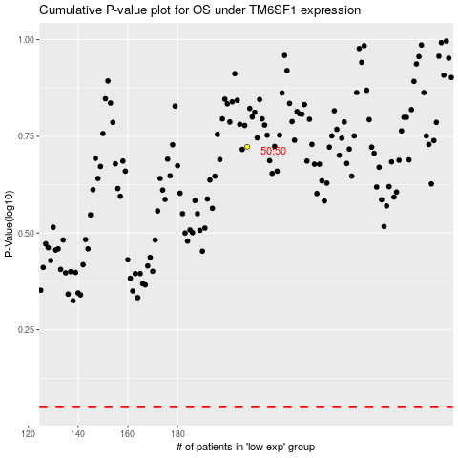

 |  |  |  |  |  | cases_OS | p_OS | rank | exp
 |  |  |  |  |  |  | cases_RFS | p_RFS | rank | exp

