TM6SF2 _multivariate
Reported by Tex Li-Hsing Chi. tex@gate.sinica.edu.tw 2019-08-15

Table 2. The clinicopathological features of HNSCC cohort and TM6SF2 expression. (Chi square test)
Cutoff at -0.236 (49.8%)
 |  | TM6SF2 expression |  | TM6SF2 expression |  | (Optimised)
 | Features | Low | (%) | High | (%) | Case no | P-value | Remark | Matthews
Gender | Female | 156 | 37.6 | 150 | 36.1 | 415 | 0.5222 | 0 | 0
2 | Male | 51 | 12.3 | 58 | 14
Age at diagnosis | <=65y | 143 | 34.5 | 131 | 31.6 | 415 | 0.2269 | 0 | 0
4 | >65y | 64 | 15.4 | 77 | 18.6
Clinical T Status | T1+T2 | 85 | 20.5 | 64 | 15.4 | 415 | 0.0372 | 1 | 0
6 | T3+T4 | 122 | 29.4 | 144 | 34.7
Clinical N Status | N0 | 106 | 25.5 | 110 | 26.5 | 415 | 0.8075 | 0 | 0
8 | N1-3 | 101 | 24.3 | 98 | 23.6
Clinical M Status | M0 | 204 | 49.2 | 208 | 50.1 | 415 | 0.1232 | 0 | 0
10 | M1 | 3 | 0.7 | 0 | 0
Clinical Stage | Stage I+II | 51 | 12.3 | 51 | 12.3 | 415 | 1 | 0 | 0
12 | Stage III+IV | 156 | 37.6 | 157 | 37.8
Surgical Margin status | Negative | 157 | 37.8 | 161 | 38.8 | 415 | 0.729 | 0 | 0
14 | Positive | 50 | 12 | 47 | 11.3
Tobacco Exposure | Low | 90 | 21.7 | 71 | 17.1 | 415 | 0.0559 | 0 | 0
16 | High | 117 | 28.2 | 137 | 33

Table 3. Univariate/Multivariate Cox's proportional hazards regression analyses on OS time of TM6SF2 gene expression in HNSCC

 |  | Univariate |  |  |  | Multivariate
 | Features | HR | CI95%(L) | CI95%(H) | P-value | HR | CI95%(L) | CI95%(H) | P-value
1 | Female | 1 |  |  |  | 1
Gender | Male | 1.157 | 0.843 | 1.587 | 0.367 | 1.207 | 0.863 | 1.688 | 0.271
11 | <=65y | 1 |  |  |  | 1
Age at diagnosis | >65y | 1.329 | 0.99 | 1.784 | 0.058 | 1.396 | 1.026 | 1.898 | 0.033
12 | T1+T2 | 1 |  |  |  | 1
Clinical T Status | T3+T4 | 1.409 | 1.028 | 1.931 | 0.033 | 2.236 | 1.177 | 4.249 | 0.014
13 | N0 | 1 |  |  |  | 1
Clinical N Status | N1-3 | 1.185 | 0.89 | 1.577 | 0.246 | 1.245 | 0.872 | 1.777 | 0.228
14 | M0 | 1 |  |  |  | 1
Clinical M Status | M1 | 4.097 | 1.009 | 16.644 | 0.049 | 9.265 | 2.017 | 42.552 | 0.004
15 | Stage I+II | 1 |  |  |  | 1
Clinical Stage | Stage III+IV | 1.245 | 0.882 | 1.759 | 0.213 | 0.497 | 0.231 | 1.071 | 0.074
16 | Negative | 1 |  |  |  | 1
Surgical Margin status | Positive | 1.591 | 1.155 | 2.191 | 0.004 | 1.676 | 1.212 | 2.316 | 0.002
17 | Low | 1 |  |  |  | 1
Tobacco Exposure | High | 1.364 | 1.008 | 1.844 | 0.044 | 1.455 | 1.056 | 2.005 | 0.022
18 | Low | 1 |  |  |  | 1
RNAseq(z-score) | High | 1.019 | 0.765 | 1.357 | 0.898 | 0.945 | 0.705 | 1.265 | 0.703

Table 4. Univariate/Multivariate Cox's proportional hazards regression analyses on RFS time of TM6SF2 gene expression in HNSCC

 |  | Univariate |  |  |  | Multivariate
 | Features | HR | CI95%(L) | CI95%(H) | P-value | HR | CI95%(L) | CI95%(H) | P-value
1 | Female | 1 |  |  |  | 1
Gender | Male | 1.157 | 0.843 | 1.587 | 0.367 | 1.207 | 0.863 | 1.688 | 0.271
11 | <=65y | 1 |  |  |  | 1
Age at diagnosis | >65y | 1.329 | 0.99 | 1.784 | 0.058 | 1.396 | 1.026 | 1.898 | 0.033
12 | T1+T2 | 1 |  |  |  | 1
Clinical T Status | T3+T4 | 1.409 | 1.028 | 1.931 | 0.033 | 2.236 | 1.177 | 4.249 | 0.014
13 | N0 | 1 |  |  |  | 1
Clinical N Status | N1-3 | 1.185 | 0.89 | 1.577 | 0.246 | 1.245 | 0.872 | 1.777 | 0.228
14 | M0 | 1 |  |  |  | 1
Clinical M Status | M1 | 4.097 | 1.009 | 16.644 | 0.049 | 9.265 | 2.017 | 42.552 | 0.004
15 | Stage I+II | 1 |  |  |  | 1
Clinical Stage | Stage III+IV | 1.245 | 0.882 | 1.759 | 0.213 | 0.497 | 0.231 | 1.071 | 0.074
16 | Negative | 1 |  |  |  | 1
Surgical Margin status | Positive | 1.591 | 1.155 | 2.191 | 0.004 | 1.676 | 1.212 | 2.316 | 0.002
17 | Low | 1 |  |  |  | 1
Tobacco Exposure | High | 1.364 | 1.008 | 1.844 | 0.044 | 1.455 | 1.056 | 2.005 | 0.022
18 | Low | 1 |  |  |  | 1
RNAseq(z-score) | High | 1.019 | 0.765 | 1.357 | 0.898 | 0.945 | 0.705 | 1.265 | 0.703

Kaplan-Meier survival estimate: Cutoff at -0.236 (49.8%)



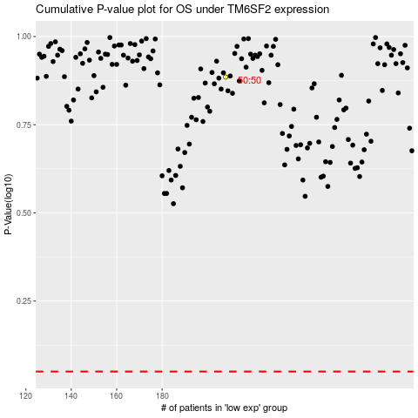

 |  |  |  |  |  | cases_OS | p_OS | rank | exp
 |  |  |  |  |  |  | cases_RFS | p_RFS | rank | exp

