TM7SF2 _multivariate
Reported by Tex Li-Hsing Chi. tex@gate.sinica.edu.tw 2019-08-15

Table 2. The clinicopathological features of HNSCC cohort and TM7SF2 expression. (Chi square test)
Cutoff at -0.381 (50.0%)
 |  | TM7SF2 expression |  | TM7SF2 expression |  | (Optimised)
 | Features | Low | (%) | High | (%) | Case no | P-value | Remark | Matthews
Gender | Female | 153 | 36.9 | 153 | 36.9 | 415 | 1 | 0 | 0
2 | Male | 54 | 13 | 55 | 13.3
Age at diagnosis | <=65y | 132 | 31.8 | 142 | 34.2 | 415 | 0.3874 | 0 | 0
4 | >65y | 75 | 18.1 | 66 | 15.9
Clinical T Status | T1+T2 | 80 | 19.3 | 69 | 16.6 | 415 | 0.2891 | 0 | 0
6 | T3+T4 | 127 | 30.6 | 139 | 33.5
Clinical N Status | N0 | 108 | 26 | 108 | 26 | 415 | 1 | 0 | 0
8 | N1-3 | 99 | 23.9 | 100 | 24.1
Clinical M Status | M0 | 204 | 49.2 | 208 | 50.1 | 415 | 0.1232 | 0 | 0
10 | M1 | 3 | 0.7 | 0 | 0
Clinical Stage | Stage I+II | 58 | 14 | 44 | 10.6 | 415 | 0.131 | 0 | 0
12 | Stage III+IV | 149 | 35.9 | 164 | 39.5
Surgical Margin status | Negative | 163 | 39.3 | 155 | 37.3 | 415 | 0.3537 | 0 | 0
14 | Positive | 44 | 10.6 | 53 | 12.8
Tobacco Exposure | Low | 87 | 21 | 74 | 17.8 | 415 | 0.1911 | 0 | 0
16 | High | 120 | 28.9 | 134 | 32.3

Table 3. Univariate/Multivariate Cox's proportional hazards regression analyses on OS time of TM7SF2 gene expression in HNSCC

 |  | Univariate |  |  |  | Multivariate
 | Features | HR | CI95%(L) | CI95%(H) | P-value | HR | CI95%(L) | CI95%(H) | P-value
1 | Female | 1 |  |  |  | 1
Gender | Male | 1.157 | 0.843 | 1.587 | 0.367 | 1.232 | 0.881 | 1.722 | 0.222
11 | <=65y | 1 |  |  |  | 1
Age at diagnosis | >65y | 1.329 | 0.99 | 1.784 | 0.058 | 1.392 | 1.023 | 1.893 | 0.035
12 | T1+T2 | 1 |  |  |  | 1
Clinical T Status | T3+T4 | 1.409 | 1.028 | 1.931 | 0.033 | 2.209 | 1.169 | 4.175 | 0.015
13 | N0 | 1 |  |  |  | 1
Clinical N Status | N1-3 | 1.185 | 0.89 | 1.577 | 0.246 | 1.217 | 0.853 | 1.737 | 0.279
14 | M0 | 1 |  |  |  | 1
Clinical M Status | M1 | 4.097 | 1.009 | 16.644 | 0.049 | 8.348 | 1.813 | 38.448 | 0.006
15 | Stage I+II | 1 |  |  |  | 1
Clinical Stage | Stage III+IV | 1.245 | 0.882 | 1.759 | 0.213 | 0.521 | 0.243 | 1.12 | 0.095
16 | Negative | 1 |  |  |  | 1
Surgical Margin status | Positive | 1.591 | 1.155 | 2.191 | 0.004 | 1.709 | 1.236 | 2.363 | 0.001
17 | Low | 1 |  |  |  | 1
Tobacco Exposure | High | 1.364 | 1.008 | 1.844 | 0.044 | 1.489 | 1.079 | 2.054 | 0.015
18 | Low | 1 |  |  |  | 1
RNAseq(z-score) | High | 0.79 | 0.592 | 1.053 | 0.108 | 0.756 | 0.564 | 1.013 | 0.061

Table 4. Univariate/Multivariate Cox's proportional hazards regression analyses on RFS time of TM7SF2 gene expression in HNSCC

 |  | Univariate |  |  |  | Multivariate
 | Features | HR | CI95%(L) | CI95%(H) | P-value | HR | CI95%(L) | CI95%(H) | P-value
1 | Female | 1 |  |  |  | 1
Gender | Male | 1.157 | 0.843 | 1.587 | 0.367 | 1.232 | 0.881 | 1.722 | 0.222
11 | <=65y | 1 |  |  |  | 1
Age at diagnosis | >65y | 1.329 | 0.99 | 1.784 | 0.058 | 1.392 | 1.023 | 1.893 | 0.035
12 | T1+T2 | 1 |  |  |  | 1
Clinical T Status | T3+T4 | 1.409 | 1.028 | 1.931 | 0.033 | 2.209 | 1.169 | 4.175 | 0.015
13 | N0 | 1 |  |  |  | 1
Clinical N Status | N1-3 | 1.185 | 0.89 | 1.577 | 0.246 | 1.217 | 0.853 | 1.737 | 0.279
14 | M0 | 1 |  |  |  | 1
Clinical M Status | M1 | 4.097 | 1.009 | 16.644 | 0.049 | 8.348 | 1.813 | 38.448 | 0.006
15 | Stage I+II | 1 |  |  |  | 1
Clinical Stage | Stage III+IV | 1.245 | 0.882 | 1.759 | 0.213 | 0.521 | 0.243 | 1.12 | 0.095
16 | Negative | 1 |  |  |  | 1
Surgical Margin status | Positive | 1.591 | 1.155 | 2.191 | 0.004 | 1.709 | 1.236 | 2.363 | 0.001
17 | Low | 1 |  |  |  | 1
Tobacco Exposure | High | 1.364 | 1.008 | 1.844 | 0.044 | 1.489 | 1.079 | 2.054 | 0.015
18 | Low | 1 |  |  |  | 1
RNAseq(z-score) | High | 0.79 | 0.592 | 1.053 | 0.108 | 0.756 | 0.564 | 1.013 | 0.061

Kaplan-Meier survival estimate: Cutoff at -0.381 (50.0%)



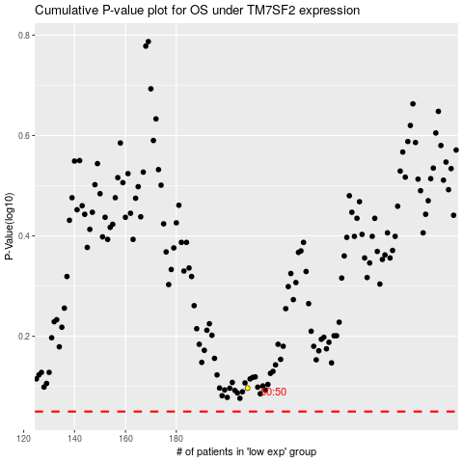

 |  |  |  |  |  | cases_OS | p_OS | rank | exp
 |  |  |  |  |  |  | cases_RFS | p_RFS | rank | exp

